GSN _multivariate
Reported by Tex Li-Hsing Chi. tex@gate.sinica.edu.tw 2019-08-19

Table 2. The clinicopathological features of HNSCC cohort and GSN expression. (Chi square test)
Cutoff at -0.26 (50.0%)
 |  | GSN expression |  | GSN expression |  | (Optimised)
 | Features | Low | (%) | High | (%) | Case no | P-value | Remark | Matthews
Gender | Female | 156 | 37.6 | 150 | 36.1 | 415 | 0.5222 | 0 | 0
2 | Male | 51 | 12.3 | 58 | 14
Age at diagnosis | <=65y | 135 | 32.5 | 139 | 33.5 | 415 | 0.8084 | 0 | 0
4 | >65y | 72 | 17.3 | 69 | 16.6
Clinical T Status | T1+T2 | 75 | 18.1 | 74 | 17.8 | 415 | 0.9707 | 0 | 0
6 | T3+T4 | 132 | 31.8 | 134 | 32.3
Clinical N Status | N0 | 106 | 25.5 | 110 | 26.5 | 415 | 0.8075 | 0 | 0
8 | N1-3 | 101 | 24.3 | 98 | 23.6
Clinical M Status | M0 | 205 | 49.4 | 207 | 49.9 | 415 | 0.6232 | 0 | 0
10 | M1 | 2 | 0.5 | 1 | 0.2
Clinical Stage | Stage I+II | 54 | 13 | 48 | 11.6 | 415 | 0.5498 | 0 | 0
12 | Stage III+IV | 153 | 36.9 | 160 | 38.6
Surgical Margin status | Negative | 159 | 38.3 | 159 | 38.3 | 415 | 1 | 0 | 0
14 | Positive | 48 | 11.6 | 49 | 11.8
Tobacco Exposure | Low | 82 | 19.8 | 79 | 19 | 415 | 0.763 | 0 | 0
16 | High | 125 | 30.1 | 129 | 31.1

Table 3. Univariate/Multivariate Cox's proportional hazards regression analyses on OS time of GSN gene expression in HNSCC

 |  | Univariate |  |  |  | Multivariate
 | Features | HR | CI95%(L) | CI95%(H) | P-value | HR | CI95%(L) | CI95%(H) | P-value
1 | Female | 1 |  |  |  | 1
Gender | Male | 1.157 | 0.843 | 1.587 | 0.367 | 1.2 | 0.859 | 1.677 | 0.284
11 | <=65y | 1 |  |  |  | 1
Age at diagnosis | >65y | 1.329 | 0.99 | 1.784 | 0.058 | 1.388 | 1.021 | 1.887 | 0.036
12 | T1+T2 | 1 |  |  |  | 1
Clinical T Status | T3+T4 | 1.409 | 1.028 | 1.931 | 0.033 | 2.203 | 1.165 | 4.167 | 0.015
13 | N0 | 1 |  |  |  | 1
Clinical N Status | N1-3 | 1.185 | 0.89 | 1.577 | 0.246 | 1.246 | 0.873 | 1.778 | 0.226
14 | M0 | 1 |  |  |  | 1
Clinical M Status | M1 | 4.097 | 1.009 | 16.644 | 0.049 | 9.654 | 2.101 | 44.365 | 0.004
15 | Stage I+II | 1 |  |  |  | 1
Clinical Stage | Stage III+IV | 1.245 | 0.882 | 1.759 | 0.213 | 0.499 | 0.232 | 1.072 | 0.075
16 | Negative | 1 |  |  |  | 1
Surgical Margin status | Positive | 1.591 | 1.155 | 2.191 | 0.004 | 1.665 | 1.204 | 2.301 | 0.002
17 | Low | 1 |  |  |  | 1
Tobacco Exposure | High | 1.364 | 1.008 | 1.844 | 0.044 | 1.441 | 1.045 | 1.988 | 0.026
18 | Low | 1 |  |  |  | 1
RNAseq(z-score) | High | 1.129 | 0.847 | 1.505 | 0.407 | 1.092 | 0.816 | 1.461 | 0.554

Table 4. Univariate/Multivariate Cox's proportional hazards regression analyses on RFS time of GSN gene expression in HNSCC

 |  | Univariate |  |  |  | Multivariate
 | Features | HR | CI95%(L) | CI95%(H) | P-value | HR | CI95%(L) | CI95%(H) | P-value
1 | Female | 1 |  |  |  | 1
Gender | Male | 1.157 | 0.843 | 1.587 | 0.367 | 1.2 | 0.859 | 1.677 | 0.284
11 | <=65y | 1 |  |  |  | 1
Age at diagnosis | >65y | 1.329 | 0.99 | 1.784 | 0.058 | 1.388 | 1.021 | 1.887 | 0.036
12 | T1+T2 | 1 |  |  |  | 1
Clinical T Status | T3+T4 | 1.409 | 1.028 | 1.931 | 0.033 | 2.203 | 1.165 | 4.167 | 0.015
13 | N0 | 1 |  |  |  | 1
Clinical N Status | N1-3 | 1.185 | 0.89 | 1.577 | 0.246 | 1.246 | 0.873 | 1.778 | 0.226
14 | M0 | 1 |  |  |  | 1
Clinical M Status | M1 | 4.097 | 1.009 | 16.644 | 0.049 | 9.654 | 2.101 | 44.365 | 0.004
15 | Stage I+II | 1 |  |  |  | 1
Clinical Stage | Stage III+IV | 1.245 | 0.882 | 1.759 | 0.213 | 0.499 | 0.232 | 1.072 | 0.075
16 | Negative | 1 |  |  |  | 1
Surgical Margin status | Positive | 1.591 | 1.155 | 2.191 | 0.004 | 1.665 | 1.204 | 2.301 | 0.002
17 | Low | 1 |  |  |  | 1
Tobacco Exposure | High | 1.364 | 1.008 | 1.844 | 0.044 | 1.441 | 1.045 | 1.988 | 0.026
18 | Low | 1 |  |  |  | 1
RNAseq(z-score) | High | 1.129 | 0.847 | 1.505 | 0.407 | 1.092 | 0.816 | 1.461 | 0.554

Kaplan-Meier survival estimate: Cutoff at -0.26 (50.0%)



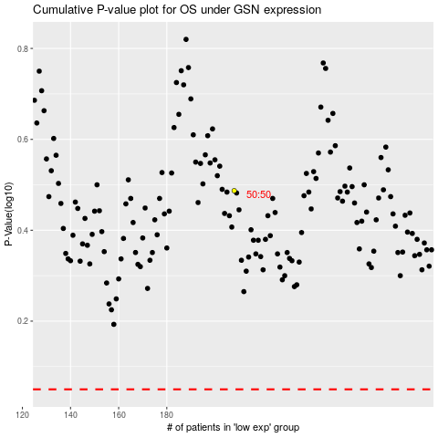

 |  |  |  |  |  | cases_OS | p_OS | rank | exp
 |  |  |  |  |  |  | cases_RFS | p_RFS | rank | exp

