GSPT2 _multivariate
Reported by Tex Li-Hsing Chi. tex@gate.sinica.edu.tw 2019-08-19

Table 2. The clinicopathological features of HNSCC cohort and GSPT2 expression. (Chi square test)
Cutoff at -0.39 (49.8%)
 |  | GSPT2 expression |  | GSPT2 expression |  | (Optimised)
 | Features | Low | (%) | High | (%) | Case no | P-value | Remark | Matthews
Gender | Female | 149 | 35.9 | 157 | 37.8 | 415 | 0.4848 | 0 | 0
2 | Male | 58 | 14 | 51 | 12.3
Age at diagnosis | <=65y | 134 | 32.3 | 140 | 33.7 | 415 | 0.6529 | 0 | 0
4 | >65y | 73 | 17.6 | 68 | 16.4
Clinical T Status | T1+T2 | 79 | 19 | 70 | 16.9 | 415 | 0.3924 | 0 | 0
6 | T3+T4 | 128 | 30.8 | 138 | 33.3
Clinical N Status | N0 | 108 | 26 | 108 | 26 | 415 | 1 | 0 | 0
8 | N1-3 | 99 | 23.9 | 100 | 24.1
Clinical M Status | M0 | 204 | 49.2 | 208 | 50.1 | 415 | 0.1232 | 0 | 0
10 | M1 | 3 | 0.7 | 0 | 0
Clinical Stage | Stage I+II | 52 | 12.5 | 50 | 12 | 415 | 0.8871 | 0 | 0
12 | Stage III+IV | 155 | 37.3 | 158 | 38.1
Surgical Margin status | Negative | 153 | 36.9 | 165 | 39.8 | 415 | 0.2036 | 0 | 0
14 | Positive | 54 | 13 | 43 | 10.4
Tobacco Exposure | Low | 96 | 23.1 | 65 | 15.7 | 415 | 0.0018 | 1 | 0
16 | High | 111 | 26.7 | 143 | 34.5

Table 3. Univariate/Multivariate Cox's proportional hazards regression analyses on OS time of GSPT2 gene expression in HNSCC

 |  | Univariate |  |  |  | Multivariate
 | Features | HR | CI95%(L) | CI95%(H) | P-value | HR | CI95%(L) | CI95%(H) | P-value
1 | Female | 1 |  |  |  | 1
Gender | Male | 1.157 | 0.843 | 1.587 | 0.367 | 1.201 | 0.859 | 1.678 | 0.284
11 | <=65y | 1 |  |  |  | 1
Age at diagnosis | >65y | 1.329 | 0.99 | 1.784 | 0.058 | 1.391 | 1.023 | 1.891 | 0.035
12 | T1+T2 | 1 |  |  |  | 1
Clinical T Status | T3+T4 | 1.409 | 1.028 | 1.931 | 0.033 | 2.207 | 1.167 | 4.175 | 0.015
13 | N0 | 1 |  |  |  | 1
Clinical N Status | N1-3 | 1.185 | 0.89 | 1.577 | 0.246 | 1.239 | 0.868 | 1.768 | 0.238
14 | M0 | 1 |  |  |  | 1
Clinical M Status | M1 | 4.097 | 1.009 | 16.644 | 0.049 | 9.256 | 2.009 | 42.644 | 0.004
15 | Stage I+II | 1 |  |  |  | 1
Clinical Stage | Stage III+IV | 1.245 | 0.882 | 1.759 | 0.213 | 0.503 | 0.234 | 1.081 | 0.078
16 | Negative | 1 |  |  |  | 1
Surgical Margin status | Positive | 1.591 | 1.155 | 2.191 | 0.004 | 1.669 | 1.207 | 2.307 | 0.002
17 | Low | 1 |  |  |  | 1
Tobacco Exposure | High | 1.364 | 1.008 | 1.844 | 0.044 | 1.461 | 1.057 | 2.02 | 0.022
18 | Low | 1 |  |  |  | 1
RNAseq(z-score) | High | 0.965 | 0.725 | 1.285 | 0.81 | 0.963 | 0.719 | 1.29 | 0.801

Table 4. Univariate/Multivariate Cox's proportional hazards regression analyses on RFS time of GSPT2 gene expression in HNSCC

 |  | Univariate |  |  |  | Multivariate
 | Features | HR | CI95%(L) | CI95%(H) | P-value | HR | CI95%(L) | CI95%(H) | P-value
1 | Female | 1 |  |  |  | 1
Gender | Male | 1.157 | 0.843 | 1.587 | 0.367 | 1.201 | 0.859 | 1.678 | 0.284
11 | <=65y | 1 |  |  |  | 1
Age at diagnosis | >65y | 1.329 | 0.99 | 1.784 | 0.058 | 1.391 | 1.023 | 1.891 | 0.035
12 | T1+T2 | 1 |  |  |  | 1
Clinical T Status | T3+T4 | 1.409 | 1.028 | 1.931 | 0.033 | 2.207 | 1.167 | 4.175 | 0.015
13 | N0 | 1 |  |  |  | 1
Clinical N Status | N1-3 | 1.185 | 0.89 | 1.577 | 0.246 | 1.239 | 0.868 | 1.768 | 0.238
14 | M0 | 1 |  |  |  | 1
Clinical M Status | M1 | 4.097 | 1.009 | 16.644 | 0.049 | 9.256 | 2.009 | 42.644 | 0.004
15 | Stage I+II | 1 |  |  |  | 1
Clinical Stage | Stage III+IV | 1.245 | 0.882 | 1.759 | 0.213 | 0.503 | 0.234 | 1.081 | 0.078
16 | Negative | 1 |  |  |  | 1
Surgical Margin status | Positive | 1.591 | 1.155 | 2.191 | 0.004 | 1.669 | 1.207 | 2.307 | 0.002
17 | Low | 1 |  |  |  | 1
Tobacco Exposure | High | 1.364 | 1.008 | 1.844 | 0.044 | 1.461 | 1.057 | 2.02 | 0.022
18 | Low | 1 |  |  |  | 1
RNAseq(z-score) | High | 0.965 | 0.725 | 1.285 | 0.81 | 0.963 | 0.719 | 1.29 | 0.801

Kaplan-Meier survival estimate: Cutoff at -0.39 (49.8%)

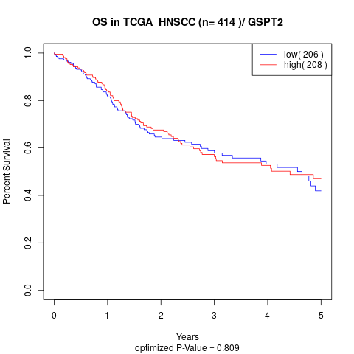

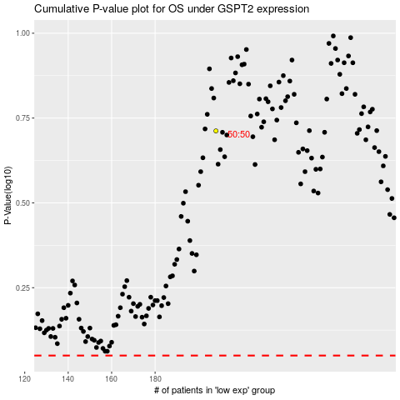

 |  |  |  |  |  | cases_OS | p_OS | rank | exp
 |  |  |  |  |  |  | cases_RFS | p_RFS | rank | exp

