GSR _multivariate
Reported by Tex Li-Hsing Chi. tex@gate.sinica.edu.tw 2019-08-19

Table 2. The clinicopathological features of HNSCC cohort and GSR expression. (Chi square test)
Cutoff at -0.43 (49.8%)
 |  | GSR expression |  | GSR expression |  | (Optimised)
 | Features | Low | (%) | High | (%) | Case no | P-value | Remark | Matthews
Gender | Female | 145 | 34.9 | 161 | 38.8 | 415 | 0.1116 | 0 | 0
2 | Male | 62 | 14.9 | 47 | 11.3
Age at diagnosis | <=65y | 138 | 33.3 | 136 | 32.8 | 415 | 0.8634 | 0 | 0
4 | >65y | 69 | 16.6 | 72 | 17.3
Clinical T Status | T1+T2 | 78 | 18.8 | 71 | 17.1 | 415 | 0.5152 | 0 | 0
6 | T3+T4 | 129 | 31.1 | 137 | 33
Clinical N Status | N0 | 109 | 26.3 | 107 | 25.8 | 415 | 0.8812 | 0 | 0
8 | N1-3 | 98 | 23.6 | 101 | 24.3
Clinical M Status | M0 | 205 | 49.4 | 207 | 49.9 | 415 | 0.6232 | 0 | 0
10 | M1 | 2 | 0.5 | 1 | 0.2
Clinical Stage | Stage I+II | 56 | 13.5 | 46 | 11.1 | 415 | 0.2918 | 0 | 0
12 | Stage III+IV | 151 | 36.4 | 162 | 39
Surgical Margin status | Negative | 154 | 37.1 | 164 | 39.5 | 415 | 0.2984 | 0 | 0
14 | Positive | 53 | 12.8 | 44 | 10.6
Tobacco Exposure | Low | 100 | 24.1 | 61 | 14.7 | 415 | 1e-04 | 1 | 0
16 | High | 107 | 25.8 | 147 | 35.4

Table 3. Univariate/Multivariate Cox's proportional hazards regression analyses on OS time of GSR gene expression in HNSCC

 |  | Univariate |  |  |  | Multivariate
 | Features | HR | CI95%(L) | CI95%(H) | P-value | HR | CI95%(L) | CI95%(H) | P-value
1 | Female | 1 |  |  |  | 1
Gender | Male | 1.157 | 0.843 | 1.587 | 0.367 | 1.181 | 0.842 | 1.656 | 0.335
11 | <=65y | 1 |  |  |  | 1
Age at diagnosis | >65y | 1.329 | 0.99 | 1.784 | 0.058 | 1.401 | 1.03 | 1.906 | 0.032
12 | T1+T2 | 1 |  |  |  | 1
Clinical T Status | T3+T4 | 1.409 | 1.028 | 1.931 | 0.033 | 2.171 | 1.147 | 4.111 | 0.017
13 | N0 | 1 |  |  |  | 1
Clinical N Status | N1-3 | 1.185 | 0.89 | 1.577 | 0.246 | 1.246 | 0.873 | 1.778 | 0.225
14 | M0 | 1 |  |  |  | 1
Clinical M Status | M1 | 4.097 | 1.009 | 16.644 | 0.049 | 8.933 | 1.934 | 41.254 | 0.005
15 | Stage I+II | 1 |  |  |  | 1
Clinical Stage | Stage III+IV | 1.245 | 0.882 | 1.759 | 0.213 | 0.515 | 0.239 | 1.109 | 0.09
16 | Negative | 1 |  |  |  | 1
Surgical Margin status | Positive | 1.591 | 1.155 | 2.191 | 0.004 | 1.648 | 1.19 | 2.283 | 0.003
17 | Low | 1 |  |  |  | 1
Tobacco Exposure | High | 1.364 | 1.008 | 1.844 | 0.044 | 1.482 | 1.07 | 2.053 | 0.018
18 | Low | 1 |  |  |  | 1
RNAseq(z-score) | High | 0.894 | 0.672 | 1.191 | 0.446 | 0.902 | 0.666 | 1.221 | 0.505

Table 4. Univariate/Multivariate Cox's proportional hazards regression analyses on RFS time of GSR gene expression in HNSCC

 |  | Univariate |  |  |  | Multivariate
 | Features | HR | CI95%(L) | CI95%(H) | P-value | HR | CI95%(L) | CI95%(H) | P-value
1 | Female | 1 |  |  |  | 1
Gender | Male | 1.157 | 0.843 | 1.587 | 0.367 | 1.181 | 0.842 | 1.656 | 0.335
11 | <=65y | 1 |  |  |  | 1
Age at diagnosis | >65y | 1.329 | 0.99 | 1.784 | 0.058 | 1.401 | 1.03 | 1.906 | 0.032
12 | T1+T2 | 1 |  |  |  | 1
Clinical T Status | T3+T4 | 1.409 | 1.028 | 1.931 | 0.033 | 2.171 | 1.147 | 4.111 | 0.017
13 | N0 | 1 |  |  |  | 1
Clinical N Status | N1-3 | 1.185 | 0.89 | 1.577 | 0.246 | 1.246 | 0.873 | 1.778 | 0.225
14 | M0 | 1 |  |  |  | 1
Clinical M Status | M1 | 4.097 | 1.009 | 16.644 | 0.049 | 8.933 | 1.934 | 41.254 | 0.005
15 | Stage I+II | 1 |  |  |  | 1
Clinical Stage | Stage III+IV | 1.245 | 0.882 | 1.759 | 0.213 | 0.515 | 0.239 | 1.109 | 0.09
16 | Negative | 1 |  |  |  | 1
Surgical Margin status | Positive | 1.591 | 1.155 | 2.191 | 0.004 | 1.648 | 1.19 | 2.283 | 0.003
17 | Low | 1 |  |  |  | 1
Tobacco Exposure | High | 1.364 | 1.008 | 1.844 | 0.044 | 1.482 | 1.07 | 2.053 | 0.018
18 | Low | 1 |  |  |  | 1
RNAseq(z-score) | High | 0.894 | 0.672 | 1.191 | 0.446 | 0.902 | 0.666 | 1.221 | 0.505

Kaplan-Meier survival estimate: Cutoff at -0.43 (49.8%)



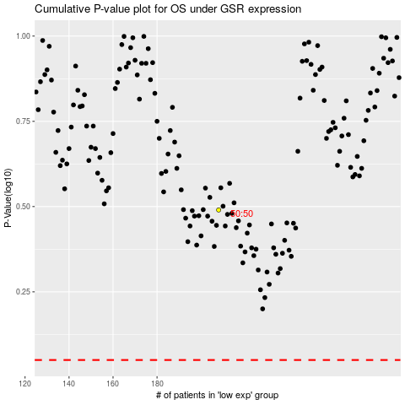

 |  |  |  |  |  | cases_OS | p_OS | rank | exp
 |  |  |  |  |  |  | cases_RFS | p_RFS | rank | exp

