GSTK1 _multivariate
Reported by Tex Li-Hsing Chi. tex@gate.sinica.edu.tw 2019-08-19

Table 2. The clinicopathological features of HNSCC cohort and GSTK1 expression. (Chi square test)
Cutoff at -0.236 (50.0%)
 |  | GSTK1 expression |  | GSTK1 expression |  | (Optimised)
 | Features | Low | (%) | High | (%) | Case no | P-value | Remark | Matthews
Gender | Female | 164 | 39.5 | 142 | 34.2 | 415 | 0.0153 | 1 | 0
2 | Male | 43 | 10.4 | 66 | 15.9
Age at diagnosis | <=65y | 143 | 34.5 | 131 | 31.6 | 415 | 0.2269 | 0 | 0
4 | >65y | 64 | 15.4 | 77 | 18.6
Clinical T Status | T1+T2 | 67 | 16.1 | 82 | 19.8 | 415 | 0.1628 | 0 | 0
6 | T3+T4 | 140 | 33.7 | 126 | 30.4
Clinical N Status | N0 | 108 | 26 | 108 | 26 | 415 | 1 | 0 | 0
8 | N1-3 | 99 | 23.9 | 100 | 24.1
Clinical M Status | M0 | 207 | 49.9 | 205 | 49.4 | 415 | 0.2482 | 0 | 0
10 | M1 | 0 | 0 | 3 | 0.7
Clinical Stage | Stage I+II | 46 | 11.1 | 56 | 13.5 | 415 | 0.3182 | 0 | 0
12 | Stage III+IV | 161 | 38.8 | 152 | 36.6
Surgical Margin status | Negative | 163 | 39.3 | 155 | 37.3 | 415 | 0.3537 | 0 | 0
14 | Positive | 44 | 10.6 | 53 | 12.8
Tobacco Exposure | Low | 62 | 14.9 | 99 | 23.9 | 415 | 3e-04 | 1 | 0
16 | High | 145 | 34.9 | 109 | 26.3

Table 3. Univariate/Multivariate Cox's proportional hazards regression analyses on OS time of GSTK1 gene expression in HNSCC

 |  | Univariate |  |  |  | Multivariate
 | Features | HR | CI95%(L) | CI95%(H) | P-value | HR | CI95%(L) | CI95%(H) | P-value
1 | Female | 1 |  |  |  | 1
Gender | Male | 1.157 | 0.843 | 1.587 | 0.367 | 1.23 | 0.877 | 1.724 | 0.231
11 | <=65y | 1 |  |  |  | 1
Age at diagnosis | >65y | 1.329 | 0.99 | 1.784 | 0.058 | 1.397 | 1.027 | 1.899 | 0.033
12 | T1+T2 | 1 |  |  |  | 1
Clinical T Status | T3+T4 | 1.409 | 1.028 | 1.931 | 0.033 | 2.209 | 1.168 | 4.178 | 0.015
13 | N0 | 1 |  |  |  | 1
Clinical N Status | N1-3 | 1.185 | 0.89 | 1.577 | 0.246 | 1.246 | 0.873 | 1.778 | 0.226
14 | M0 | 1 |  |  |  | 1
Clinical M Status | M1 | 4.097 | 1.009 | 16.644 | 0.049 | 10.202 | 2.2 | 47.311 | 0.003
15 | Stage I+II | 1 |  |  |  | 1
Clinical Stage | Stage III+IV | 1.245 | 0.882 | 1.759 | 0.213 | 0.496 | 0.231 | 1.066 | 0.073
16 | Negative | 1 |  |  |  | 1
Surgical Margin status | Positive | 1.591 | 1.155 | 2.191 | 0.004 | 1.691 | 1.222 | 2.34 | 0.002
17 | Low | 1 |  |  |  | 1
Tobacco Exposure | High | 1.364 | 1.008 | 1.844 | 0.044 | 1.427 | 1.033 | 1.97 | 0.031
18 | Low | 1 |  |  |  | 1
RNAseq(z-score) | High | 0.913 | 0.683 | 1.22 | 0.539 | 0.873 | 0.645 | 1.183 | 0.382

Table 4. Univariate/Multivariate Cox's proportional hazards regression analyses on RFS time of GSTK1 gene expression in HNSCC

 |  | Univariate |  |  |  | Multivariate
 | Features | HR | CI95%(L) | CI95%(H) | P-value | HR | CI95%(L) | CI95%(H) | P-value
1 | Female | 1 |  |  |  | 1
Gender | Male | 1.157 | 0.843 | 1.587 | 0.367 | 1.23 | 0.877 | 1.724 | 0.231
11 | <=65y | 1 |  |  |  | 1
Age at diagnosis | >65y | 1.329 | 0.99 | 1.784 | 0.058 | 1.397 | 1.027 | 1.899 | 0.033
12 | T1+T2 | 1 |  |  |  | 1
Clinical T Status | T3+T4 | 1.409 | 1.028 | 1.931 | 0.033 | 2.209 | 1.168 | 4.178 | 0.015
13 | N0 | 1 |  |  |  | 1
Clinical N Status | N1-3 | 1.185 | 0.89 | 1.577 | 0.246 | 1.246 | 0.873 | 1.778 | 0.226
14 | M0 | 1 |  |  |  | 1
Clinical M Status | M1 | 4.097 | 1.009 | 16.644 | 0.049 | 10.202 | 2.2 | 47.311 | 0.003
15 | Stage I+II | 1 |  |  |  | 1
Clinical Stage | Stage III+IV | 1.245 | 0.882 | 1.759 | 0.213 | 0.496 | 0.231 | 1.066 | 0.073
16 | Negative | 1 |  |  |  | 1
Surgical Margin status | Positive | 1.591 | 1.155 | 2.191 | 0.004 | 1.691 | 1.222 | 2.34 | 0.002
17 | Low | 1 |  |  |  | 1
Tobacco Exposure | High | 1.364 | 1.008 | 1.844 | 0.044 | 1.427 | 1.033 | 1.97 | 0.031
18 | Low | 1 |  |  |  | 1
RNAseq(z-score) | High | 0.913 | 0.683 | 1.22 | 0.539 | 0.873 | 0.645 | 1.183 | 0.382

Kaplan-Meier survival estimate: Cutoff at -0.236 (50.0%)



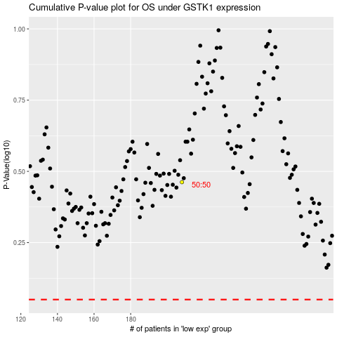

 |  |  |  |  |  | cases_OS | p_OS | rank | exp
 |  |  |  |  |  |  | cases_RFS | p_RFS | rank | exp

