GSTM1 _multivariate
Reported by Tex Li-Hsing Chi. tex@gate.sinica.edu.tw 2019-08-19

Table 2. The clinicopathological features of HNSCC cohort and GSTM1 expression. (Chi square test)
Cutoff at -0.346 (50.0%)
 |  | GSTM1 expression |  | GSTM1 expression |  | (Optimised)
 | Features | Low | (%) | High | (%) | Case no | P-value | Remark | Matthews
Gender | Female | 151 | 36.4 | 155 | 37.3 | 415 | 0.8007 | 0 | 0
2 | Male | 56 | 13.5 | 53 | 12.8
Age at diagnosis | <=65y | 130 | 31.3 | 144 | 34.7 | 415 | 0.2009 | 0 | 0
4 | >65y | 77 | 18.6 | 64 | 15.4
Clinical T Status | T1+T2 | 77 | 18.6 | 72 | 17.3 | 415 | 0.6556 | 0 | 0
6 | T3+T4 | 130 | 31.3 | 136 | 32.8
Clinical N Status | N0 | 117 | 28.2 | 99 | 23.9 | 415 | 0.0852 | 1 | 0
8 | N1-3 | 90 | 21.7 | 109 | 26.3
Clinical M Status | M0 | 204 | 49.2 | 208 | 50.1 | 415 | 0.1232 | 0 | 0
10 | M1 | 3 | 0.7 | 0 | 0
Clinical Stage | Stage I+II | 54 | 13 | 48 | 11.6 | 415 | 0.5498 | 0 | 0
12 | Stage III+IV | 153 | 36.9 | 160 | 38.6
Surgical Margin status | Negative | 162 | 39 | 156 | 37.6 | 415 | 0.4867 | 0 | 0
14 | Positive | 45 | 10.8 | 52 | 12.5
Tobacco Exposure | Low | 80 | 19.3 | 81 | 19.5 | 415 | 1 | 0 | 0
16 | High | 127 | 30.6 | 127 | 30.6

Table 3. Univariate/Multivariate Cox's proportional hazards regression analyses on OS time of GSTM1 gene expression in HNSCC

 |  | Univariate |  |  |  | Multivariate
 | Features | HR | CI95%(L) | CI95%(H) | P-value | HR | CI95%(L) | CI95%(H) | P-value
1 | Female | 1 |  |  |  | 1
Gender | Male | 1.157 | 0.843 | 1.587 | 0.367 | 1.171 | 0.837 | 1.639 | 0.358
11 | <=65y | 1 |  |  |  | 1
Age at diagnosis | >65y | 1.329 | 0.99 | 1.784 | 0.058 | 1.369 | 1.006 | 1.863 | 0.045
12 | T1+T2 | 1 |  |  |  | 1
Clinical T Status | T3+T4 | 1.409 | 1.028 | 1.931 | 0.033 | 2.262 | 1.194 | 4.284 | 0.012
13 | N0 | 1 |  |  |  | 1
Clinical N Status | N1-3 | 1.185 | 0.89 | 1.577 | 0.246 | 1.275 | 0.892 | 1.823 | 0.183
14 | M0 | 1 |  |  |  | 1
Clinical M Status | M1 | 4.097 | 1.009 | 16.644 | 0.049 | 8.551 | 1.854 | 39.432 | 0.006
15 | Stage I+II | 1 |  |  |  | 1
Clinical Stage | Stage III+IV | 1.245 | 0.882 | 1.759 | 0.213 | 0.487 | 0.226 | 1.049 | 0.066
16 | Negative | 1 |  |  |  | 1
Surgical Margin status | Positive | 1.591 | 1.155 | 2.191 | 0.004 | 1.684 | 1.219 | 2.328 | 0.002
17 | Low | 1 |  |  |  | 1
Tobacco Exposure | High | 1.364 | 1.008 | 1.844 | 0.044 | 1.435 | 1.043 | 1.975 | 0.027
18 | Low | 1 |  |  |  | 1
RNAseq(z-score) | High | 0.802 | 0.601 | 1.07 | 0.134 | 0.818 | 0.609 | 1.099 | 0.182

Table 4. Univariate/Multivariate Cox's proportional hazards regression analyses on RFS time of GSTM1 gene expression in HNSCC

 |  | Univariate |  |  |  | Multivariate
 | Features | HR | CI95%(L) | CI95%(H) | P-value | HR | CI95%(L) | CI95%(H) | P-value
1 | Female | 1 |  |  |  | 1
Gender | Male | 1.157 | 0.843 | 1.587 | 0.367 | 1.171 | 0.837 | 1.639 | 0.358
11 | <=65y | 1 |  |  |  | 1
Age at diagnosis | >65y | 1.329 | 0.99 | 1.784 | 0.058 | 1.369 | 1.006 | 1.863 | 0.045
12 | T1+T2 | 1 |  |  |  | 1
Clinical T Status | T3+T4 | 1.409 | 1.028 | 1.931 | 0.033 | 2.262 | 1.194 | 4.284 | 0.012
13 | N0 | 1 |  |  |  | 1
Clinical N Status | N1-3 | 1.185 | 0.89 | 1.577 | 0.246 | 1.275 | 0.892 | 1.823 | 0.183
14 | M0 | 1 |  |  |  | 1
Clinical M Status | M1 | 4.097 | 1.009 | 16.644 | 0.049 | 8.551 | 1.854 | 39.432 | 0.006
15 | Stage I+II | 1 |  |  |  | 1
Clinical Stage | Stage III+IV | 1.245 | 0.882 | 1.759 | 0.213 | 0.487 | 0.226 | 1.049 | 0.066
16 | Negative | 1 |  |  |  | 1
Surgical Margin status | Positive | 1.591 | 1.155 | 2.191 | 0.004 | 1.684 | 1.219 | 2.328 | 0.002
17 | Low | 1 |  |  |  | 1
Tobacco Exposure | High | 1.364 | 1.008 | 1.844 | 0.044 | 1.435 | 1.043 | 1.975 | 0.027
18 | Low | 1 |  |  |  | 1
RNAseq(z-score) | High | 0.802 | 0.601 | 1.07 | 0.134 | 0.818 | 0.609 | 1.099 | 0.182

Kaplan-Meier survival estimate: Cutoff at -0.346 (50.0%)



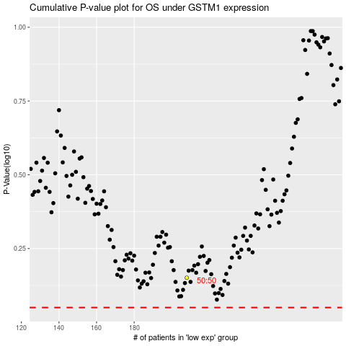

 |  |  |  |  |  | cases_OS | p_OS | rank | exp
 |  |  |  |  |  |  | cases_RFS | p_RFS | rank | exp

