GSTM2P1 _multivariate
Reported by Tex Li-Hsing Chi. tex@gate.sinica.edu.tw 2019-08-19

Table 2. The clinicopathological features of HNSCC cohort and GSTM2P1 expression. (Chi square test)
Cutoff at -0.288 (50.0%)
 |  | GSTM2P1 expression |  | GSTM2P1 expression |  | (Optimised)
 | Features | Low | (%) | High | (%) | Case no | P-value | Remark | Matthews
Gender | Female | 152 | 36.6 | 154 | 37.1 | 415 | 0.9766 | 0 | 0
2 | Male | 55 | 13.3 | 54 | 13
Age at diagnosis | <=65y | 134 | 32.3 | 140 | 33.7 | 415 | 0.6529 | 0 | 0
4 | >65y | 73 | 17.6 | 68 | 16.4
Clinical T Status | T1+T2 | 76 | 18.3 | 73 | 17.6 | 415 | 0.8092 | 0 | 0
6 | T3+T4 | 131 | 31.6 | 135 | 32.5
Clinical N Status | N0 | 110 | 26.5 | 106 | 25.5 | 415 | 0.7294 | 0 | 0
8 | N1-3 | 97 | 23.4 | 102 | 24.6
Clinical M Status | M0 | 204 | 49.2 | 208 | 50.1 | 415 | 0.1232 | 0 | 0
10 | M1 | 3 | 0.7 | 0 | 0
Clinical Stage | Stage I+II | 53 | 12.8 | 49 | 11.8 | 415 | 0.7113 | 0 | 0
12 | Stage III+IV | 154 | 37.1 | 159 | 38.3
Surgical Margin status | Negative | 164 | 39.5 | 154 | 37.1 | 415 | 0.2462 | 0 | 0
14 | Positive | 43 | 10.4 | 54 | 13
Tobacco Exposure | Low | 85 | 20.5 | 76 | 18.3 | 415 | 0.3655 | 0 | 0
16 | High | 122 | 29.4 | 132 | 31.8

Table 3. Univariate/Multivariate Cox's proportional hazards regression analyses on OS time of GSTM2P1 gene expression in HNSCC

 |  | Univariate |  |  |  | Multivariate
 | Features | HR | CI95%(L) | CI95%(H) | P-value | HR | CI95%(L) | CI95%(H) | P-value
1 | Female | 1 |  |  |  | 1
Gender | Male | 1.157 | 0.843 | 1.587 | 0.367 | 1.199 | 0.858 | 1.675 | 0.287
11 | <=65y | 1 |  |  |  | 1
Age at diagnosis | >65y | 1.329 | 0.99 | 1.784 | 0.058 | 1.385 | 1.018 | 1.884 | 0.038
12 | T1+T2 | 1 |  |  |  | 1
Clinical T Status | T3+T4 | 1.409 | 1.028 | 1.931 | 0.033 | 2.211 | 1.169 | 4.182 | 0.015
13 | N0 | 1 |  |  |  | 1
Clinical N Status | N1-3 | 1.185 | 0.89 | 1.577 | 0.246 | 1.247 | 0.873 | 1.779 | 0.225
14 | M0 | 1 |  |  |  | 1
Clinical M Status | M1 | 4.097 | 1.009 | 16.644 | 0.049 | 9.106 | 1.973 | 42.029 | 0.005
15 | Stage I+II | 1 |  |  |  | 1
Clinical Stage | Stage III+IV | 1.245 | 0.882 | 1.759 | 0.213 | 0.503 | 0.234 | 1.081 | 0.078
16 | Negative | 1 |  |  |  | 1
Surgical Margin status | Positive | 1.591 | 1.155 | 2.191 | 0.004 | 1.676 | 1.213 | 2.316 | 0.002
17 | Low | 1 |  |  |  | 1
Tobacco Exposure | High | 1.364 | 1.008 | 1.844 | 0.044 | 1.459 | 1.058 | 2.01 | 0.021
18 | Low | 1 |  |  |  | 1
RNAseq(z-score) | High | 0.942 | 0.707 | 1.255 | 0.684 | 0.937 | 0.7 | 1.255 | 0.664

Table 4. Univariate/Multivariate Cox's proportional hazards regression analyses on RFS time of GSTM2P1 gene expression in HNSCC

 |  | Univariate |  |  |  | Multivariate
 | Features | HR | CI95%(L) | CI95%(H) | P-value | HR | CI95%(L) | CI95%(H) | P-value
1 | Female | 1 |  |  |  | 1
Gender | Male | 1.157 | 0.843 | 1.587 | 0.367 | 1.199 | 0.858 | 1.675 | 0.287
11 | <=65y | 1 |  |  |  | 1
Age at diagnosis | >65y | 1.329 | 0.99 | 1.784 | 0.058 | 1.385 | 1.018 | 1.884 | 0.038
12 | T1+T2 | 1 |  |  |  | 1
Clinical T Status | T3+T4 | 1.409 | 1.028 | 1.931 | 0.033 | 2.211 | 1.169 | 4.182 | 0.015
13 | N0 | 1 |  |  |  | 1
Clinical N Status | N1-3 | 1.185 | 0.89 | 1.577 | 0.246 | 1.247 | 0.873 | 1.779 | 0.225
14 | M0 | 1 |  |  |  | 1
Clinical M Status | M1 | 4.097 | 1.009 | 16.644 | 0.049 | 9.106 | 1.973 | 42.029 | 0.005
15 | Stage I+II | 1 |  |  |  | 1
Clinical Stage | Stage III+IV | 1.245 | 0.882 | 1.759 | 0.213 | 0.503 | 0.234 | 1.081 | 0.078
16 | Negative | 1 |  |  |  | 1
Surgical Margin status | Positive | 1.591 | 1.155 | 2.191 | 0.004 | 1.676 | 1.213 | 2.316 | 0.002
17 | Low | 1 |  |  |  | 1
Tobacco Exposure | High | 1.364 | 1.008 | 1.844 | 0.044 | 1.459 | 1.058 | 2.01 | 0.021
18 | Low | 1 |  |  |  | 1
RNAseq(z-score) | High | 0.942 | 0.707 | 1.255 | 0.684 | 0.937 | 0.7 | 1.255 | 0.664

Kaplan-Meier survival estimate: Cutoff at -0.288 (50.0%)



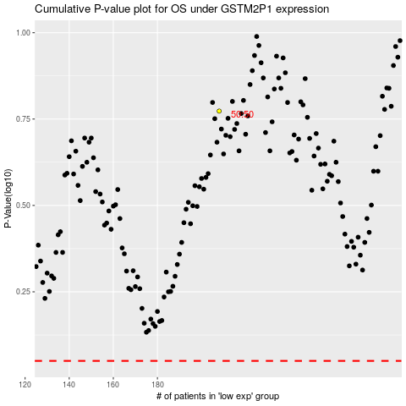

 |  |  |  |  |  | cases_OS | p_OS | rank | exp
 |  |  |  |  |  |  | cases_RFS | p_RFS | rank | exp

