GSTM5 _multivariate
Reported by Tex Li-Hsing Chi. tex@gate.sinica.edu.tw 2019-08-19

Table 2. The clinicopathological features of HNSCC cohort and GSTM5 expression. (Chi square test)
Cutoff at -0.086 (42.0%)
 |  | GSTM5 expression |  | GSTM5 expression |  | (Optimised)
 | Features | Low | (%) | High | (%) | Case no | P-value | Remark | Matthews
Gender | Female | 131 | 31.6 | 175 | 42.2 | 415 | 0.6188 | 0 | 0
2 | Male | 43 | 10.4 | 66 | 15.9
Age at diagnosis | <=65y | 123 | 29.6 | 151 | 36.4 | 415 | 0.1096 | 0 | 0
4 | >65y | 51 | 12.3 | 90 | 21.7
Clinical T Status | T1+T2 | 63 | 15.2 | 86 | 20.7 | 415 | 0.9954 | 0 | 0
6 | T3+T4 | 111 | 26.7 | 155 | 37.3
Clinical N Status | N0 | 95 | 22.9 | 121 | 29.2 | 415 | 0.4332 | 0 | 0
8 | N1-3 | 79 | 19 | 120 | 28.9
Clinical M Status | M0 | 171 | 41.2 | 241 | 58.1 | 415 | 0.073 | 0 | 0
10 | M1 | 3 | 0.7 | 0 | 0
Clinical Stage | Stage I+II | 44 | 10.6 | 58 | 14 | 415 | 0.8654 | 0 | 0
12 | Stage III+IV | 130 | 31.3 | 183 | 44.1
Surgical Margin status | Negative | 133 | 32 | 185 | 44.6 | 415 | 1 | 0 | 0
14 | Positive | 41 | 9.9 | 56 | 13.5
Tobacco Exposure | Low | 73 | 17.6 | 88 | 21.2 | 415 | 0.2639 | 0 | 0
16 | High | 101 | 24.3 | 153 | 36.9

Table 3. Univariate/Multivariate Cox's proportional hazards regression analyses on OS time of GSTM5 gene expression in HNSCC

 |  | Univariate |  |  |  | Multivariate
 | Features | HR | CI95%(L) | CI95%(H) | P-value | HR | CI95%(L) | CI95%(H) | P-value
1 | Female | 1 |  |  |  | 1
Gender | Male | 1.157 | 0.843 | 1.587 | 0.367 | 1.221 | 0.873 | 1.707 | 0.243
11 | <=65y | 1 |  |  |  | 1
Age at diagnosis | >65y | 1.329 | 0.99 | 1.784 | 0.058 | 1.435 | 1.055 | 1.951 | 0.021
12 | T1+T2 | 1 |  |  |  | 1
Clinical T Status | T3+T4 | 1.409 | 1.028 | 1.931 | 0.033 | 2.319 | 1.224 | 4.395 | 0.01
13 | N0 | 1 |  |  |  | 1
Clinical N Status | N1-3 | 1.185 | 0.89 | 1.577 | 0.246 | 1.32 | 0.922 | 1.889 | 0.129
14 | M0 | 1 |  |  |  | 1
Clinical M Status | M1 | 4.097 | 1.009 | 16.644 | 0.049 | 7.855 | 1.704 | 36.197 | 0.008
15 | Stage I+II | 1 |  |  |  | 1
Clinical Stage | Stage III+IV | 1.245 | 0.882 | 1.759 | 0.213 | 0.463 | 0.215 | 0.999 | 0.05
16 | Negative | 1 |  |  |  | 1
Surgical Margin status | Positive | 1.591 | 1.155 | 2.191 | 0.004 | 1.718 | 1.241 | 2.377 | 0.001
17 | Low | 1 |  |  |  | 1
Tobacco Exposure | High | 1.364 | 1.008 | 1.844 | 0.044 | 1.508 | 1.092 | 2.083 | 0.013
18 | Low | 1 |  |  |  | 1
RNAseq(z-score) | High | 0.738 | 0.553 | 0.986 | 0.04 | 0.671 | 0.498 | 0.903 | 0.008

Table 4. Univariate/Multivariate Cox's proportional hazards regression analyses on RFS time of GSTM5 gene expression in HNSCC

 |  | Univariate |  |  |  | Multivariate
 | Features | HR | CI95%(L) | CI95%(H) | P-value | HR | CI95%(L) | CI95%(H) | P-value
1 | Female | 1 |  |  |  | 1
Gender | Male | 1.157 | 0.843 | 1.587 | 0.367 | 1.221 | 0.873 | 1.707 | 0.243
11 | <=65y | 1 |  |  |  | 1
Age at diagnosis | >65y | 1.329 | 0.99 | 1.784 | 0.058 | 1.435 | 1.055 | 1.951 | 0.021
12 | T1+T2 | 1 |  |  |  | 1
Clinical T Status | T3+T4 | 1.409 | 1.028 | 1.931 | 0.033 | 2.319 | 1.224 | 4.395 | 0.01
13 | N0 | 1 |  |  |  | 1
Clinical N Status | N1-3 | 1.185 | 0.89 | 1.577 | 0.246 | 1.32 | 0.922 | 1.889 | 0.129
14 | M0 | 1 |  |  |  | 1
Clinical M Status | M1 | 4.097 | 1.009 | 16.644 | 0.049 | 7.855 | 1.704 | 36.197 | 0.008
15 | Stage I+II | 1 |  |  |  | 1
Clinical Stage | Stage III+IV | 1.245 | 0.882 | 1.759 | 0.213 | 0.463 | 0.215 | 0.999 | 0.05
16 | Negative | 1 |  |  |  | 1
Surgical Margin status | Positive | 1.591 | 1.155 | 2.191 | 0.004 | 1.718 | 1.241 | 2.377 | 0.001
17 | Low | 1 |  |  |  | 1
Tobacco Exposure | High | 1.364 | 1.008 | 1.844 | 0.044 | 1.508 | 1.092 | 2.083 | 0.013
18 | Low | 1 |  |  |  | 1
RNAseq(z-score) | High | 0.738 | 0.553 | 0.986 | 0.04 | 0.671 | 0.498 | 0.903 | 0.008

Kaplan-Meier survival estimate: Cutoff at -0.086 (42.0%)



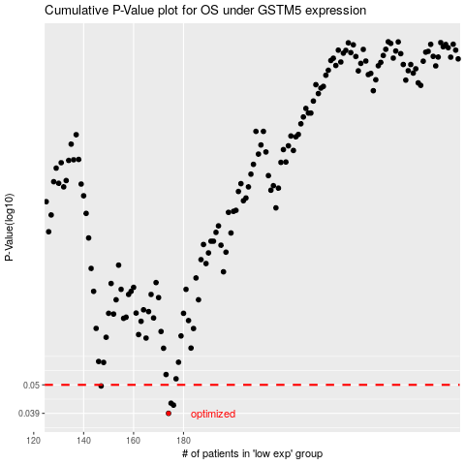

 |  |  |  |  |  | cases_OS | p_OS | rank | exp
 |  |  |  |  |  | 174 | 0.039 | 343 | -0.086287754831
 |  |  |  |  |  | 176 | 0.0419 | 60 | -0.085916170265
 |  |  |  |  |  | 175 | 0.0426 | 10 | -0.08623818165
 |  |  |  |  |  | 147 | 0.0495 | 83 | -0.08794838497
 |  |  |  |  |  |  | cases_RFS | p_RFS | rank | exp
 |  |  |  |  |  |  | 173 | 0.039 | 85 | -0.086353900026
 |  |  |  |  |  |  | 175 | 0.0419 | 10 | -0.08623818165
 |  |  |  |  |  |  | 174 | 0.0426 | 343 | -0.086287754831
 |  |  |  |  |  |  | 146 | 0.0495 | 410 | -0.087967099917

