GSTP1 _multivariate
Reported by Tex Li-Hsing Chi. tex@gate.sinica.edu.tw 2019-08-19

Table 2. The clinicopathological features of HNSCC cohort and GSTP1 expression. (Chi square test)
Cutoff at -0.294 (42.0%)
 |  | GSTP1 expression |  | GSTP1 expression |  | (Optimised)
 | Features | Low | (%) | High | (%) | Case no | P-value | Remark | Matthews
Gender | Female | 131 | 31.6 | 175 | 42.2 | 415 | 0.6188 | 0 | 0
2 | Male | 43 | 10.4 | 66 | 15.9
Age at diagnosis | <=65y | 112 | 27 | 162 | 39 | 415 | 0.6169 | 0 | 0
4 | >65y | 62 | 14.9 | 79 | 19
Clinical T Status | T1+T2 | 71 | 17.1 | 78 | 18.8 | 415 | 0.096 | 0 | 0
6 | T3+T4 | 103 | 24.8 | 163 | 39.3
Clinical N Status | N0 | 91 | 21.9 | 125 | 30.1 | 415 | 1 | 0 | 0
8 | N1-3 | 83 | 20 | 116 | 28
Clinical M Status | M0 | 174 | 41.9 | 238 | 57.3 | 415 | 0.2678 | 0 | 0
10 | M1 | 0 | 0 | 3 | 0.7
Clinical Stage | Stage I+II | 50 | 12 | 52 | 12.5 | 415 | 0.1197 | 0 | 0
12 | Stage III+IV | 124 | 29.9 | 189 | 45.5
Surgical Margin status | Negative | 131 | 31.6 | 187 | 45.1 | 415 | 0.6386 | 0 | 0
14 | Positive | 43 | 10.4 | 54 | 13
Tobacco Exposure | Low | 77 | 18.6 | 84 | 20.2 | 415 | 0.066 | 0 | 0
16 | High | 97 | 23.4 | 157 | 37.8

Table 3. Univariate/Multivariate Cox's proportional hazards regression analyses on OS time of GSTP1 gene expression in HNSCC

 |  | Univariate |  |  |  | Multivariate
 | Features | HR | CI95%(L) | CI95%(H) | P-value | HR | CI95%(L) | CI95%(H) | P-value
1 | Female | 1 |  |  |  | 1
Gender | Male | 1.157 | 0.843 | 1.587 | 0.367 | 1.162 | 0.831 | 1.625 | 0.381
11 | <=65y | 1 |  |  |  | 1
Age at diagnosis | >65y | 1.329 | 0.99 | 1.784 | 0.058 | 1.417 | 1.044 | 1.924 | 0.025
12 | T1+T2 | 1 |  |  |  | 1
Clinical T Status | T3+T4 | 1.409 | 1.028 | 1.931 | 0.033 | 2.193 | 1.16 | 4.146 | 0.016
13 | N0 | 1 |  |  |  | 1
Clinical N Status | N1-3 | 1.185 | 0.89 | 1.577 | 0.246 | 1.27 | 0.889 | 1.814 | 0.189
14 | M0 | 1 |  |  |  | 1
Clinical M Status | M1 | 4.097 | 1.009 | 16.644 | 0.049 | 8.157 | 1.771 | 37.561 | 0.007
15 | Stage I+II | 1 |  |  |  | 1
Clinical Stage | Stage III+IV | 1.245 | 0.882 | 1.759 | 0.213 | 0.479 | 0.223 | 1.028 | 0.059
16 | Negative | 1 |  |  |  | 1
Surgical Margin status | Positive | 1.591 | 1.155 | 2.191 | 0.004 | 1.685 | 1.219 | 2.33 | 0.002
17 | Low | 1 |  |  |  | 1
Tobacco Exposure | High | 1.364 | 1.008 | 1.844 | 0.044 | 1.404 | 1.016 | 1.938 | 0.04
18 | Low | 1 |  |  |  | 1
RNAseq(z-score) | High | 1.467 | 1.09 | 1.975 | 0.012 | 1.416 | 1.045 | 1.918 | 0.025

Table 4. Univariate/Multivariate Cox's proportional hazards regression analyses on RFS time of GSTP1 gene expression in HNSCC

 |  | Univariate |  |  |  | Multivariate
 | Features | HR | CI95%(L) | CI95%(H) | P-value | HR | CI95%(L) | CI95%(H) | P-value
1 | Female | 1 |  |  |  | 1
Gender | Male | 1.157 | 0.843 | 1.587 | 0.367 | 1.162 | 0.831 | 1.625 | 0.381
11 | <=65y | 1 |  |  |  | 1
Age at diagnosis | >65y | 1.329 | 0.99 | 1.784 | 0.058 | 1.417 | 1.044 | 1.924 | 0.025
12 | T1+T2 | 1 |  |  |  | 1
Clinical T Status | T3+T4 | 1.409 | 1.028 | 1.931 | 0.033 | 2.193 | 1.16 | 4.146 | 0.016
13 | N0 | 1 |  |  |  | 1
Clinical N Status | N1-3 | 1.185 | 0.89 | 1.577 | 0.246 | 1.27 | 0.889 | 1.814 | 0.189
14 | M0 | 1 |  |  |  | 1
Clinical M Status | M1 | 4.097 | 1.009 | 16.644 | 0.049 | 8.157 | 1.771 | 37.561 | 0.007
15 | Stage I+II | 1 |  |  |  | 1
Clinical Stage | Stage III+IV | 1.245 | 0.882 | 1.759 | 0.213 | 0.479 | 0.223 | 1.028 | 0.059
16 | Negative | 1 |  |  |  | 1
Surgical Margin status | Positive | 1.591 | 1.155 | 2.191 | 0.004 | 1.685 | 1.219 | 2.33 | 0.002
17 | Low | 1 |  |  |  | 1
Tobacco Exposure | High | 1.364 | 1.008 | 1.844 | 0.044 | 1.404 | 1.016 | 1.938 | 0.04
18 | Low | 1 |  |  |  | 1
RNAseq(z-score) | High | 1.467 | 1.09 | 1.975 | 0.012 | 1.416 | 1.045 | 1.918 | 0.025

Kaplan-Meier survival estimate: Cutoff at -0.294 (42.0%)

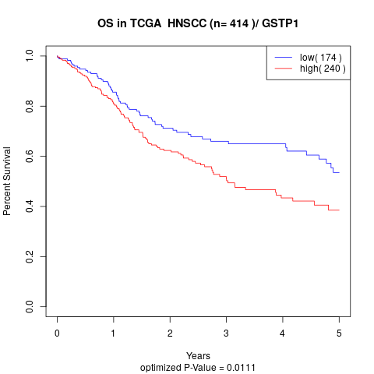

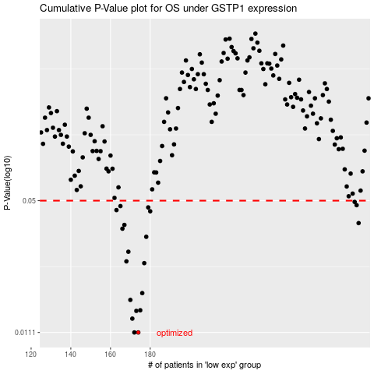

 |  |  |  |  |  | cases_OS | p_OS | rank | exp
 |  |  |  |  |  | 174 | 0.0111 | 107 | -0.29435985251
 |  |  |  |  |  | 172 | 0.0111 | 248 | -0.29445869343
 |  |  |  |  |  | 171 | 0.013 | 9 | -0.2981426429
 |  |  |  |  |  | 173 | 0.0142 | 130 | -0.29445864278
 |  |  |  |  |  | 175 | 0.0143 | 87 | -0.28671970419
 |  |  |  |  |  | 170 | 0.0161 | 174 | -0.31008649075
 |  |  |  |  |  | 176 | 0.0174 | 223 | -0.28623601763
 |  |  |  |  |  | 177 | 0.0245 | 69 | -0.28023410124
 |  |  |  |  |  | 168 | 0.025 | 256 | -0.31270895338
 |  |  |  |  |  | 169 | 0.0279 | 219 | -0.31183015215
 |  |  |  |  |  | 178 | 0.0331 | 239 | -0.27903627234
 |  |  |  |  |  | 166 | 0.0363 | 280 | -0.31610436992
 |  |  |  |  |  | 167 | 0.0379 | 232 | -0.31355273948
 |  |  |  |  |  | 285 | 0.0387 | 225 | 0.046761825023
 |  |  |  |  |  | 180 | 0.0443 | 284 | -0.27442836834
 |  |  |  |  |  | 163 | 0.0449 | 54 | -0.33100095629
 |  |  |  |  |  | 179 | 0.0463 | 27 | -0.27701524604
 |  |  |  |  |  | 165 | 0.047 | 282 | -0.31622071418
 |  |  |  |  |  | 284 | 0.0475 | 234 | 0.043449928179
 |  |  |  |  |  | 283 | 0.0493 | 391 | 0.042195904561
 |  |  |  |  |  |  | cases_RFS | p_RFS | rank | exp
 |  |  |  |  |  |  | 171 | 0.0111 | 9 | -0.2981426429
 |  |  |  |  |  |  | 173 | 0.0111 | 130 | -0.29445864278
 |  |  |  |  |  |  | 170 | 0.013 | 174 | -0.31008649075
 |  |  |  |  |  |  | 172 | 0.0142 | 248 | -0.29445869343
 |  |  |  |  |  |  | 174 | 0.0143 | 107 | -0.29435985251
 |  |  |  |  |  |  | 169 | 0.0161 | 219 | -0.31183015215
 |  |  |  |  |  |  | 175 | 0.0174 | 87 | -0.28671970419
 |  |  |  |  |  |  | 176 | 0.0245 | 223 | -0.28623601763
 |  |  |  |  |  |  | 167 | 0.025 | 232 | -0.31355273948
 |  |  |  |  |  |  | 168 | 0.0279 | 256 | -0.31270895338
 |  |  |  |  |  |  | 177 | 0.0331 | 69 | -0.28023410124
 |  |  |  |  |  |  | 165 | 0.0363 | 282 | -0.31622071418
 |  |  |  |  |  |  | 166 | 0.0379 | 280 | -0.31610436992
 |  |  |  |  |  |  | 284 | 0.0387 | 234 | 0.043449928179
 |  |  |  |  |  |  | 179 | 0.0443 | 27 | -0.27701524604
 |  |  |  |  |  |  | 162 | 0.0449 | 305 | -0.34122500248
 |  |  |  |  |  |  | 178 | 0.0463 | 239 | -0.27903627234
 |  |  |  |  |  |  | 164 | 0.047 | 165 | -0.32114849844
 |  |  |  |  |  |  | 283 | 0.0475 | 391 | 0.042195904561
 |  |  |  |  |  |  | 282 | 0.0493 | 395 | 0.041915614701

