GSTZ1 _multivariate
Reported by Tex Li-Hsing Chi. tex@gate.sinica.edu.tw 2019-08-19

Table 2. The clinicopathological features of HNSCC cohort and GSTZ1 expression. (Chi square test)
Cutoff at -0.245 (49.8%)
 |  | GSTZ1 expression |  | GSTZ1 expression |  | (Optimised)
 | Features | Low | (%) | High | (%) | Case no | P-value | Remark | Matthews
Gender | Female | 160 | 38.6 | 146 | 35.2 | 415 | 0.1254 | 0 | 0
2 | Male | 47 | 11.3 | 62 | 14.9
Age at diagnosis | <=65y | 137 | 33 | 137 | 33 | 415 | 1 | 0 | 0
4 | >65y | 70 | 16.9 | 71 | 17.1
Clinical T Status | T1+T2 | 67 | 16.1 | 82 | 19.8 | 415 | 0.1628 | 0 | 0
6 | T3+T4 | 140 | 33.7 | 126 | 30.4
Clinical N Status | N0 | 100 | 24.1 | 116 | 28 | 415 | 0.1548 | 0 | 0
8 | N1-3 | 107 | 25.8 | 92 | 22.2
Clinical M Status | M0 | 206 | 49.6 | 206 | 49.6 | 415 | 1 | 0 | 0
10 | M1 | 1 | 0.2 | 2 | 0.5
Clinical Stage | Stage I+II | 45 | 10.8 | 57 | 13.7 | 415 | 0.2202 | 0 | 0
12 | Stage III+IV | 162 | 39 | 151 | 36.4
Surgical Margin status | Negative | 164 | 39.5 | 154 | 37.1 | 415 | 0.2462 | 0 | 0
14 | Positive | 43 | 10.4 | 54 | 13
Tobacco Exposure | Low | 77 | 18.6 | 84 | 20.2 | 415 | 0.5459 | 0 | 0
16 | High | 130 | 31.3 | 124 | 29.9

Table 3. Univariate/Multivariate Cox's proportional hazards regression analyses on OS time of GSTZ1 gene expression in HNSCC

 |  | Univariate |  |  |  | Multivariate
 | Features | HR | CI95%(L) | CI95%(H) | P-value | HR | CI95%(L) | CI95%(H) | P-value
1 | Female | 1 |  |  |  | 1
Gender | Male | 1.157 | 0.843 | 1.587 | 0.367 | 1.228 | 0.877 | 1.72 | 0.231
11 | <=65y | 1 |  |  |  | 1
Age at diagnosis | >65y | 1.329 | 0.99 | 1.784 | 0.058 | 1.383 | 1.017 | 1.881 | 0.039
12 | T1+T2 | 1 |  |  |  | 1
Clinical T Status | T3+T4 | 1.409 | 1.028 | 1.931 | 0.033 | 2.201 | 1.164 | 4.164 | 0.015
13 | N0 | 1 |  |  |  | 1
Clinical N Status | N1-3 | 1.185 | 0.89 | 1.577 | 0.246 | 1.22 | 0.853 | 1.744 | 0.276
14 | M0 | 1 |  |  |  | 1
Clinical M Status | M1 | 4.097 | 1.009 | 16.644 | 0.049 | 9.731 | 2.119 | 44.68 | 0.003
15 | Stage I+II | 1 |  |  |  | 1
Clinical Stage | Stage III+IV | 1.245 | 0.882 | 1.759 | 0.213 | 0.503 | 0.234 | 1.079 | 0.078
16 | Negative | 1 |  |  |  | 1
Surgical Margin status | Positive | 1.591 | 1.155 | 2.191 | 0.004 | 1.705 | 1.23 | 2.362 | 0.001
17 | Low | 1 |  |  |  | 1
Tobacco Exposure | High | 1.364 | 1.008 | 1.844 | 0.044 | 1.454 | 1.056 | 2.002 | 0.022
18 | Low | 1 |  |  |  | 1
RNAseq(z-score) | High | 0.904 | 0.679 | 1.205 | 0.492 | 0.866 | 0.645 | 1.162 | 0.338

Table 4. Univariate/Multivariate Cox's proportional hazards regression analyses on RFS time of GSTZ1 gene expression in HNSCC

 |  | Univariate |  |  |  | Multivariate
 | Features | HR | CI95%(L) | CI95%(H) | P-value | HR | CI95%(L) | CI95%(H) | P-value
1 | Female | 1 |  |  |  | 1
Gender | Male | 1.157 | 0.843 | 1.587 | 0.367 | 1.228 | 0.877 | 1.72 | 0.231
11 | <=65y | 1 |  |  |  | 1
Age at diagnosis | >65y | 1.329 | 0.99 | 1.784 | 0.058 | 1.383 | 1.017 | 1.881 | 0.039
12 | T1+T2 | 1 |  |  |  | 1
Clinical T Status | T3+T4 | 1.409 | 1.028 | 1.931 | 0.033 | 2.201 | 1.164 | 4.164 | 0.015
13 | N0 | 1 |  |  |  | 1
Clinical N Status | N1-3 | 1.185 | 0.89 | 1.577 | 0.246 | 1.22 | 0.853 | 1.744 | 0.276
14 | M0 | 1 |  |  |  | 1
Clinical M Status | M1 | 4.097 | 1.009 | 16.644 | 0.049 | 9.731 | 2.119 | 44.68 | 0.003
15 | Stage I+II | 1 |  |  |  | 1
Clinical Stage | Stage III+IV | 1.245 | 0.882 | 1.759 | 0.213 | 0.503 | 0.234 | 1.079 | 0.078
16 | Negative | 1 |  |  |  | 1
Surgical Margin status | Positive | 1.591 | 1.155 | 2.191 | 0.004 | 1.705 | 1.23 | 2.362 | 0.001
17 | Low | 1 |  |  |  | 1
Tobacco Exposure | High | 1.364 | 1.008 | 1.844 | 0.044 | 1.454 | 1.056 | 2.002 | 0.022
18 | Low | 1 |  |  |  | 1
RNAseq(z-score) | High | 0.904 | 0.679 | 1.205 | 0.492 | 0.866 | 0.645 | 1.162 | 0.338

Kaplan-Meier survival estimate: Cutoff at -0.245 (49.8%)



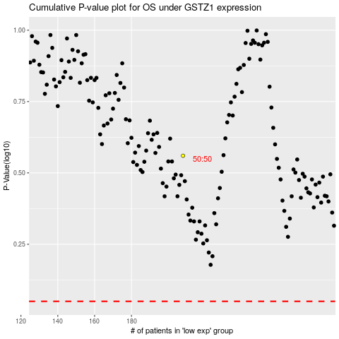

 |  |  |  |  |  | cases_OS | p_OS | rank | exp
 |  |  |  |  |  |  | cases_RFS | p_RFS | rank | exp

