GTF2A1 _multivariate
Reported by Tex Li-Hsing Chi. tex@gate.sinica.edu.tw 2019-08-19

Table 2. The clinicopathological features of HNSCC cohort and GTF2A1 expression. (Chi square test)
Cutoff at -0.124 (49.8%)
 |  | GTF2A1 expression |  | GTF2A1 expression |  | (Optimised)
 | Features | Low | (%) | High | (%) | Case no | P-value | Remark | Matthews
Gender | Female | 155 | 37.3 | 151 | 36.4 | 415 | 0.6768 | 0 | 0
2 | Male | 52 | 12.5 | 57 | 13.7
Age at diagnosis | <=65y | 133 | 32 | 141 | 34 | 415 | 0.5111 | 0 | 0
4 | >65y | 74 | 17.8 | 67 | 16.1
Clinical T Status | T1+T2 | 79 | 19 | 70 | 16.9 | 415 | 0.3924 | 0 | 0
6 | T3+T4 | 128 | 30.8 | 138 | 33.3
Clinical N Status | N0 | 114 | 27.5 | 102 | 24.6 | 415 | 0.2576 | 1 | 0
8 | N1-3 | 93 | 22.4 | 106 | 25.5
Clinical M Status | M0 | 204 | 49.2 | 208 | 50.1 | 415 | 0.1232 | 0 | 0
10 | M1 | 3 | 0.7 | 0 | 0
Clinical Stage | Stage I+II | 56 | 13.5 | 46 | 11.1 | 415 | 0.2918 | 0 | 0
12 | Stage III+IV | 151 | 36.4 | 162 | 39
Surgical Margin status | Negative | 154 | 37.1 | 164 | 39.5 | 415 | 0.2984 | 0 | 0
14 | Positive | 53 | 12.8 | 44 | 10.6
Tobacco Exposure | Low | 86 | 20.7 | 75 | 18.1 | 415 | 0.2687 | 0 | 0
16 | High | 121 | 29.2 | 133 | 32

Table 3. Univariate/Multivariate Cox's proportional hazards regression analyses on OS time of GTF2A1 gene expression in HNSCC

 |  | Univariate |  |  |  | Multivariate
 | Features | HR | CI95%(L) | CI95%(H) | P-value | HR | CI95%(L) | CI95%(H) | P-value
1 | Female | 1 |  |  |  | 1
Gender | Male | 1.157 | 0.843 | 1.587 | 0.367 | 1.204 | 0.863 | 1.682 | 0.275
11 | <=65y | 1 |  |  |  | 1
Age at diagnosis | >65y | 1.329 | 0.99 | 1.784 | 0.058 | 1.399 | 1.029 | 1.902 | 0.032
12 | T1+T2 | 1 |  |  |  | 1
Clinical T Status | T3+T4 | 1.409 | 1.028 | 1.931 | 0.033 | 2.211 | 1.169 | 4.181 | 0.015
13 | N0 | 1 |  |  |  | 1
Clinical N Status | N1-3 | 1.185 | 0.89 | 1.577 | 0.246 | 1.235 | 0.865 | 1.763 | 0.245
14 | M0 | 1 |  |  |  | 1
Clinical M Status | M1 | 4.097 | 1.009 | 16.644 | 0.049 | 10.039 | 2.166 | 46.536 | 0.003
15 | Stage I+II | 1 |  |  |  | 1
Clinical Stage | Stage III+IV | 1.245 | 0.882 | 1.759 | 0.213 | 0.499 | 0.232 | 1.073 | 0.075
16 | Negative | 1 |  |  |  | 1
Surgical Margin status | Positive | 1.591 | 1.155 | 2.191 | 0.004 | 1.694 | 1.223 | 2.346 | 0.002
17 | Low | 1 |  |  |  | 1
Tobacco Exposure | High | 1.364 | 1.008 | 1.844 | 0.044 | 1.454 | 1.056 | 2.002 | 0.022
18 | Low | 1 |  |  |  | 1
RNAseq(z-score) | High | 1.036 | 0.777 | 1.38 | 0.811 | 1.111 | 0.829 | 1.491 | 0.481

Table 4. Univariate/Multivariate Cox's proportional hazards regression analyses on RFS time of GTF2A1 gene expression in HNSCC

 |  | Univariate |  |  |  | Multivariate
 | Features | HR | CI95%(L) | CI95%(H) | P-value | HR | CI95%(L) | CI95%(H) | P-value
1 | Female | 1 |  |  |  | 1
Gender | Male | 1.157 | 0.843 | 1.587 | 0.367 | 1.204 | 0.863 | 1.682 | 0.275
11 | <=65y | 1 |  |  |  | 1
Age at diagnosis | >65y | 1.329 | 0.99 | 1.784 | 0.058 | 1.399 | 1.029 | 1.902 | 0.032
12 | T1+T2 | 1 |  |  |  | 1
Clinical T Status | T3+T4 | 1.409 | 1.028 | 1.931 | 0.033 | 2.211 | 1.169 | 4.181 | 0.015
13 | N0 | 1 |  |  |  | 1
Clinical N Status | N1-3 | 1.185 | 0.89 | 1.577 | 0.246 | 1.235 | 0.865 | 1.763 | 0.245
14 | M0 | 1 |  |  |  | 1
Clinical M Status | M1 | 4.097 | 1.009 | 16.644 | 0.049 | 10.039 | 2.166 | 46.536 | 0.003
15 | Stage I+II | 1 |  |  |  | 1
Clinical Stage | Stage III+IV | 1.245 | 0.882 | 1.759 | 0.213 | 0.499 | 0.232 | 1.073 | 0.075
16 | Negative | 1 |  |  |  | 1
Surgical Margin status | Positive | 1.591 | 1.155 | 2.191 | 0.004 | 1.694 | 1.223 | 2.346 | 0.002
17 | Low | 1 |  |  |  | 1
Tobacco Exposure | High | 1.364 | 1.008 | 1.844 | 0.044 | 1.454 | 1.056 | 2.002 | 0.022
18 | Low | 1 |  |  |  | 1
RNAseq(z-score) | High | 1.036 | 0.777 | 1.38 | 0.811 | 1.111 | 0.829 | 1.491 | 0.481

Kaplan-Meier survival estimate: Cutoff at -0.124 (49.8%)

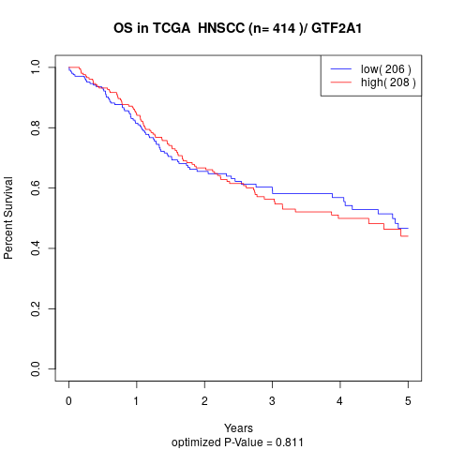

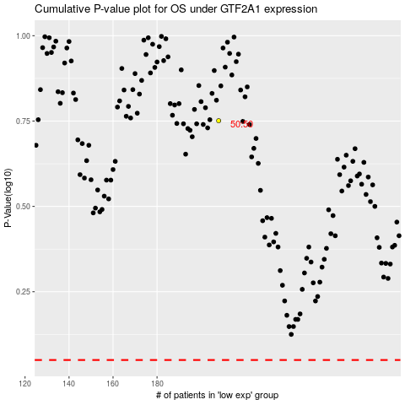

 |  |  |  |  |  | cases_OS | p_OS | rank | exp
 |  |  |  |  |  |  | cases_RFS | p_RFS | rank | exp

