GTF2A2 _multivariate
Reported by Tex Li-Hsing Chi. tex@gate.sinica.edu.tw 2019-08-19

Table 2. The clinicopathological features of HNSCC cohort and GTF2A2 expression. (Chi square test)
Cutoff at 0.052 (65.0%)
 |  | GTF2A2 expression |  | GTF2A2 expression |  | (Optimised)
 | Features | Low | (%) | High | (%) | Case no | P-value | Remark | Matthews
Gender | Female | 206 | 49.6 | 100 | 24.1 | 415 | 0.1334 | 0 | 0
2 | Male | 64 | 15.4 | 45 | 10.8
Age at diagnosis | <=65y | 180 | 43.4 | 94 | 22.7 | 415 | 0.7884 | 0 | 0
4 | >65y | 90 | 21.7 | 51 | 12.3
Clinical T Status | T1+T2 | 95 | 22.9 | 54 | 13 | 415 | 0.7573 | 0 | 0
6 | T3+T4 | 175 | 42.2 | 91 | 21.9
Clinical N Status | N0 | 136 | 32.8 | 80 | 19.3 | 415 | 0.4062 | 0 | 0
8 | N1-3 | 134 | 32.3 | 65 | 15.7
Clinical M Status | M0 | 270 | 65.1 | 142 | 34.2 | 415 | 0.0421 | 1 | 0
10 | M1 | 0 | 0 | 3 | 0.7
Clinical Stage | Stage I+II | 67 | 16.1 | 35 | 8.4 | 415 | 0.9736 | 0 | 0
12 | Stage III+IV | 203 | 48.9 | 110 | 26.5
Surgical Margin status | Negative | 217 | 52.3 | 101 | 24.3 | 415 | 0.0153 | 1 | 0
14 | Positive | 53 | 12.8 | 44 | 10.6
Tobacco Exposure | Low | 100 | 24.1 | 61 | 14.7 | 415 | 0.3423 | 0 | 0
16 | High | 170 | 41 | 84 | 20.2

Table 3. Univariate/Multivariate Cox's proportional hazards regression analyses on OS time of GTF2A2 gene expression in HNSCC

 |  | Univariate |  |  |  | Multivariate
 | Features | HR | CI95%(L) | CI95%(H) | P-value | HR | CI95%(L) | CI95%(H) | P-value
1 | Female | 1 |  |  |  | 1
Gender | Male | 1.157 | 0.843 | 1.587 | 0.367 | 1.174 | 0.839 | 1.645 | 0.349
11 | <=65y | 1 |  |  |  | 1
Age at diagnosis | >65y | 1.329 | 0.99 | 1.784 | 0.058 | 1.383 | 1.017 | 1.88 | 0.038
12 | T1+T2 | 1 |  |  |  | 1
Clinical T Status | T3+T4 | 1.409 | 1.028 | 1.931 | 0.033 | 2.211 | 1.169 | 4.18 | 0.015
13 | N0 | 1 |  |  |  | 1
Clinical N Status | N1-3 | 1.185 | 0.89 | 1.577 | 0.246 | 1.258 | 0.882 | 1.795 | 0.206
14 | M0 | 1 |  |  |  | 1
Clinical M Status | M1 | 4.097 | 1.009 | 16.644 | 0.049 | 7.85 | 1.691 | 36.443 | 0.009
15 | Stage I+II | 1 |  |  |  | 1
Clinical Stage | Stage III+IV | 1.245 | 0.882 | 1.759 | 0.213 | 0.492 | 0.229 | 1.055 | 0.069
16 | Negative | 1 |  |  |  | 1
Surgical Margin status | Positive | 1.591 | 1.155 | 2.191 | 0.004 | 1.621 | 1.171 | 2.245 | 0.004
17 | Low | 1 |  |  |  | 1
Tobacco Exposure | High | 1.364 | 1.008 | 1.844 | 0.044 | 1.483 | 1.073 | 2.051 | 0.017
18 | Low | 1 |  |  |  | 1
RNAseq(z-score) | High | 1.387 | 1.028 | 1.87 | 0.032 | 1.316 | 0.968 | 1.79 | 0.08

Table 4. Univariate/Multivariate Cox's proportional hazards regression analyses on RFS time of GTF2A2 gene expression in HNSCC

 |  | Univariate |  |  |  | Multivariate
 | Features | HR | CI95%(L) | CI95%(H) | P-value | HR | CI95%(L) | CI95%(H) | P-value
1 | Female | 1 |  |  |  | 1
Gender | Male | 1.157 | 0.843 | 1.587 | 0.367 | 1.174 | 0.839 | 1.645 | 0.349
11 | <=65y | 1 |  |  |  | 1
Age at diagnosis | >65y | 1.329 | 0.99 | 1.784 | 0.058 | 1.383 | 1.017 | 1.88 | 0.038
12 | T1+T2 | 1 |  |  |  | 1
Clinical T Status | T3+T4 | 1.409 | 1.028 | 1.931 | 0.033 | 2.211 | 1.169 | 4.18 | 0.015
13 | N0 | 1 |  |  |  | 1
Clinical N Status | N1-3 | 1.185 | 0.89 | 1.577 | 0.246 | 1.258 | 0.882 | 1.795 | 0.206
14 | M0 | 1 |  |  |  | 1
Clinical M Status | M1 | 4.097 | 1.009 | 16.644 | 0.049 | 7.85 | 1.691 | 36.443 | 0.009
15 | Stage I+II | 1 |  |  |  | 1
Clinical Stage | Stage III+IV | 1.245 | 0.882 | 1.759 | 0.213 | 0.492 | 0.229 | 1.055 | 0.069
16 | Negative | 1 |  |  |  | 1
Surgical Margin status | Positive | 1.591 | 1.155 | 2.191 | 0.004 | 1.621 | 1.171 | 2.245 | 0.004
17 | Low | 1 |  |  |  | 1
Tobacco Exposure | High | 1.364 | 1.008 | 1.844 | 0.044 | 1.483 | 1.073 | 2.051 | 0.017
18 | Low | 1 |  |  |  | 1
RNAseq(z-score) | High | 1.387 | 1.028 | 1.87 | 0.032 | 1.316 | 0.968 | 1.79 | 0.08

Kaplan-Meier survival estimate: Cutoff at 0.052 (65.0%)

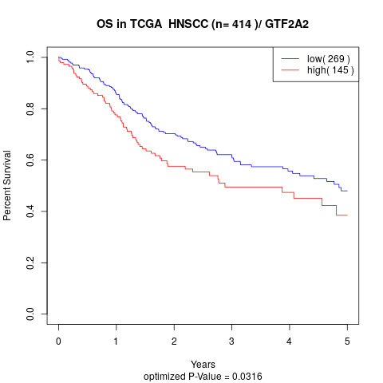

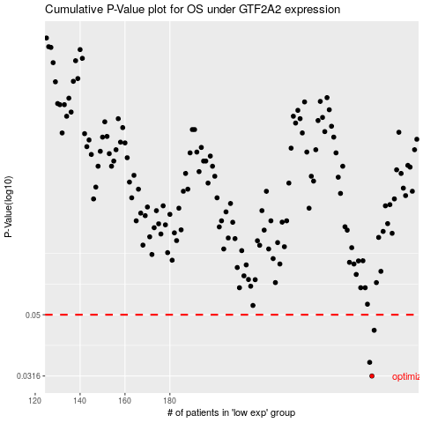

 |  |  |  |  |  | cases_OS | p_OS | rank | exp
 |  |  |  |  |  | 270 | 0.0316 | 223 | 0.052109379409
 |  |  |  |  |  | 269 | 0.035 | 318 | 0.051379829678
 |  |  |  |  |  | 271 | 0.0445 | 155 | 0.052202267127
 |  |  |  |  |  |  | cases_RFS | p_RFS | rank | exp
 |  |  |  |  |  |  | 269 | 0.0316 | 318 | 0.051379829678
 |  |  |  |  |  |  | 268 | 0.035 | 272 | 0.050359194121
 |  |  |  |  |  |  | 270 | 0.0445 | 223 | 0.052109379409

