GTF2B _multivariate
Reported by Tex Li-Hsing Chi. tex@gate.sinica.edu.tw 2019-08-19

Table 2. The clinicopathological features of HNSCC cohort and GTF2B expression. (Chi square test)
Cutoff at -0.179 (50.0%)
 |  | GTF2B expression |  | GTF2B expression |  | (Optimised)
 | Features | Low | (%) | High | (%) | Case no | P-value | Remark | Matthews
Gender | Female | 155 | 37.3 | 151 | 36.4 | 415 | 0.6768 | 0 | 0
2 | Male | 52 | 12.5 | 57 | 13.7
Age at diagnosis | <=65y | 140 | 33.7 | 134 | 32.3 | 415 | 0.5574 | 0 | 0
4 | >65y | 67 | 16.1 | 74 | 17.8
Clinical T Status | T1+T2 | 76 | 18.3 | 73 | 17.6 | 415 | 0.8092 | 0 | 0
6 | T3+T4 | 131 | 31.6 | 135 | 32.5
Clinical N Status | N0 | 113 | 27.2 | 103 | 24.8 | 415 | 0.3495 | 1 | 0
8 | N1-3 | 94 | 22.7 | 105 | 25.3
Clinical M Status | M0 | 207 | 49.9 | 205 | 49.4 | 415 | 0.2482 | 0 | 0
10 | M1 | 0 | 0 | 3 | 0.7
Clinical Stage | Stage I+II | 55 | 13.3 | 47 | 11.3 | 415 | 0.4087 | 0 | 0
12 | Stage III+IV | 152 | 36.6 | 161 | 38.8
Surgical Margin status | Negative | 162 | 39 | 156 | 37.6 | 415 | 0.4867 | 0 | 0
14 | Positive | 45 | 10.8 | 52 | 12.5
Tobacco Exposure | Low | 76 | 18.3 | 85 | 20.5 | 415 | 0.4207 | 0 | 0
16 | High | 131 | 31.6 | 123 | 29.6

Table 3. Univariate/Multivariate Cox's proportional hazards regression analyses on OS time of GTF2B gene expression in HNSCC

 |  | Univariate |  |  |  | Multivariate
 | Features | HR | CI95%(L) | CI95%(H) | P-value | HR | CI95%(L) | CI95%(H) | P-value
1 | Female | 1 |  |  |  | 1
Gender | Male | 1.157 | 0.843 | 1.587 | 0.367 | 1.196 | 0.856 | 1.672 | 0.294
11 | <=65y | 1 |  |  |  | 1
Age at diagnosis | >65y | 1.329 | 0.99 | 1.784 | 0.058 | 1.396 | 1.027 | 1.898 | 0.033
12 | T1+T2 | 1 |  |  |  | 1
Clinical T Status | T3+T4 | 1.409 | 1.028 | 1.931 | 0.033 | 2.207 | 1.167 | 4.174 | 0.015
13 | N0 | 1 |  |  |  | 1
Clinical N Status | N1-3 | 1.185 | 0.89 | 1.577 | 0.246 | 1.243 | 0.871 | 1.773 | 0.231
14 | M0 | 1 |  |  |  | 1
Clinical M Status | M1 | 4.097 | 1.009 | 16.644 | 0.049 | 8.956 | 1.941 | 41.325 | 0.005
15 | Stage I+II | 1 |  |  |  | 1
Clinical Stage | Stage III+IV | 1.245 | 0.882 | 1.759 | 0.213 | 0.504 | 0.235 | 1.082 | 0.079
16 | Negative | 1 |  |  |  | 1
Surgical Margin status | Positive | 1.591 | 1.155 | 2.191 | 0.004 | 1.661 | 1.201 | 2.296 | 0.002
17 | Low | 1 |  |  |  | 1
Tobacco Exposure | High | 1.364 | 1.008 | 1.844 | 0.044 | 1.456 | 1.056 | 2.007 | 0.022
18 | Low | 1 |  |  |  | 1
RNAseq(z-score) | High | 1.141 | 0.856 | 1.521 | 0.368 | 1.103 | 0.826 | 1.475 | 0.506

Table 4. Univariate/Multivariate Cox's proportional hazards regression analyses on RFS time of GTF2B gene expression in HNSCC

 |  | Univariate |  |  |  | Multivariate
 | Features | HR | CI95%(L) | CI95%(H) | P-value | HR | CI95%(L) | CI95%(H) | P-value
1 | Female | 1 |  |  |  | 1
Gender | Male | 1.157 | 0.843 | 1.587 | 0.367 | 1.196 | 0.856 | 1.672 | 0.294
11 | <=65y | 1 |  |  |  | 1
Age at diagnosis | >65y | 1.329 | 0.99 | 1.784 | 0.058 | 1.396 | 1.027 | 1.898 | 0.033
12 | T1+T2 | 1 |  |  |  | 1
Clinical T Status | T3+T4 | 1.409 | 1.028 | 1.931 | 0.033 | 2.207 | 1.167 | 4.174 | 0.015
13 | N0 | 1 |  |  |  | 1
Clinical N Status | N1-3 | 1.185 | 0.89 | 1.577 | 0.246 | 1.243 | 0.871 | 1.773 | 0.231
14 | M0 | 1 |  |  |  | 1
Clinical M Status | M1 | 4.097 | 1.009 | 16.644 | 0.049 | 8.956 | 1.941 | 41.325 | 0.005
15 | Stage I+II | 1 |  |  |  | 1
Clinical Stage | Stage III+IV | 1.245 | 0.882 | 1.759 | 0.213 | 0.504 | 0.235 | 1.082 | 0.079
16 | Negative | 1 |  |  |  | 1
Surgical Margin status | Positive | 1.591 | 1.155 | 2.191 | 0.004 | 1.661 | 1.201 | 2.296 | 0.002
17 | Low | 1 |  |  |  | 1
Tobacco Exposure | High | 1.364 | 1.008 | 1.844 | 0.044 | 1.456 | 1.056 | 2.007 | 0.022
18 | Low | 1 |  |  |  | 1
RNAseq(z-score) | High | 1.141 | 0.856 | 1.521 | 0.368 | 1.103 | 0.826 | 1.475 | 0.506

Kaplan-Meier survival estimate: Cutoff at -0.179 (50.0%)

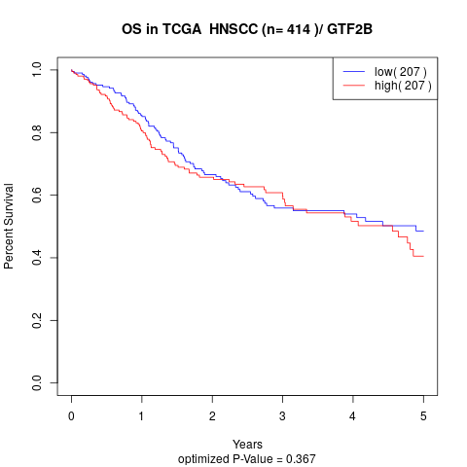

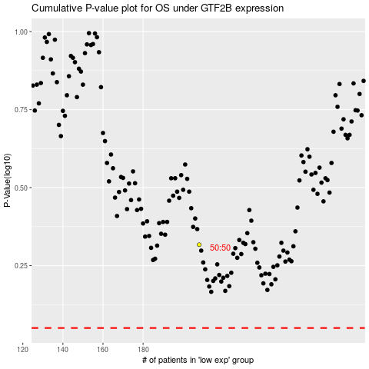

 |  |  |  |  |  | cases_OS | p_OS | rank | exp
 |  |  |  |  |  |  | cases_RFS | p_RFS | rank | exp

