GTF2E1 _multivariate
Reported by Tex Li-Hsing Chi. tex@gate.sinica.edu.tw 2019-08-19

Table 2. The clinicopathological features of HNSCC cohort and GTF2E1 expression. (Chi square test)
Cutoff at -0.142 (49.8%)
 |  | GTF2E1 expression |  | GTF2E1 expression |  | (Optimised)
 | Features | Low | (%) | High | (%) | Case no | P-value | Remark | Matthews
Gender | Female | 136 | 32.8 | 170 | 41 | 415 | 3e-04 | 1 | 0
2 | Male | 71 | 17.1 | 38 | 9.2
Age at diagnosis | <=65y | 133 | 32 | 141 | 34 | 415 | 0.5111 | 0 | 0
4 | >65y | 74 | 17.8 | 67 | 16.1
Clinical T Status | T1+T2 | 77 | 18.6 | 72 | 17.3 | 415 | 0.6556 | 0 | 0
6 | T3+T4 | 130 | 31.3 | 136 | 32.8
Clinical N Status | N0 | 106 | 25.5 | 110 | 26.5 | 415 | 0.8075 | 0 | 0
8 | N1-3 | 101 | 24.3 | 98 | 23.6
Clinical M Status | M0 | 205 | 49.4 | 207 | 49.9 | 415 | 0.6232 | 0 | 0
10 | M1 | 2 | 0.5 | 1 | 0.2
Clinical Stage | Stage I+II | 52 | 12.5 | 50 | 12 | 415 | 0.8871 | 0 | 0
12 | Stage III+IV | 155 | 37.3 | 158 | 38.1
Surgical Margin status | Negative | 158 | 38.1 | 160 | 38.6 | 415 | 0.9081 | 0 | 0
14 | Positive | 49 | 11.8 | 48 | 11.6
Tobacco Exposure | Low | 96 | 23.1 | 65 | 15.7 | 415 | 0.0018 | 1 | 0
16 | High | 111 | 26.7 | 143 | 34.5

Table 3. Univariate/Multivariate Cox's proportional hazards regression analyses on OS time of GTF2E1 gene expression in HNSCC

 |  | Univariate |  |  |  | Multivariate
 | Features | HR | CI95%(L) | CI95%(H) | P-value | HR | CI95%(L) | CI95%(H) | P-value
1 | Female | 1 |  |  |  | 1
Gender | Male | 1.157 | 0.843 | 1.587 | 0.367 | 1.244 | 0.885 | 1.747 | 0.208
11 | <=65y | 1 |  |  |  | 1
Age at diagnosis | >65y | 1.329 | 0.99 | 1.784 | 0.058 | 1.375 | 1.011 | 1.871 | 0.042
12 | T1+T2 | 1 |  |  |  | 1
Clinical T Status | T3+T4 | 1.409 | 1.028 | 1.931 | 0.033 | 2.209 | 1.167 | 4.179 | 0.015
13 | N0 | 1 |  |  |  | 1
Clinical N Status | N1-3 | 1.185 | 0.89 | 1.577 | 0.246 | 1.252 | 0.877 | 1.788 | 0.217
14 | M0 | 1 |  |  |  | 1
Clinical M Status | M1 | 4.097 | 1.009 | 16.644 | 0.049 | 9.985 | 2.169 | 45.963 | 0.003
15 | Stage I+II | 1 |  |  |  | 1
Clinical Stage | Stage III+IV | 1.245 | 0.882 | 1.759 | 0.213 | 0.497 | 0.232 | 1.069 | 0.073
16 | Negative | 1 |  |  |  | 1
Surgical Margin status | Positive | 1.591 | 1.155 | 2.191 | 0.004 | 1.674 | 1.211 | 2.314 | 0.002
17 | Low | 1 |  |  |  | 1
Tobacco Exposure | High | 1.364 | 1.008 | 1.844 | 0.044 | 1.414 | 1.024 | 1.955 | 0.036
18 | Low | 1 |  |  |  | 1
RNAseq(z-score) | High | 1.168 | 0.876 | 1.558 | 0.289 | 1.183 | 0.875 | 1.598 | 0.274

Table 4. Univariate/Multivariate Cox's proportional hazards regression analyses on RFS time of GTF2E1 gene expression in HNSCC

 |  | Univariate |  |  |  | Multivariate
 | Features | HR | CI95%(L) | CI95%(H) | P-value | HR | CI95%(L) | CI95%(H) | P-value
1 | Female | 1 |  |  |  | 1
Gender | Male | 1.157 | 0.843 | 1.587 | 0.367 | 1.244 | 0.885 | 1.747 | 0.208
11 | <=65y | 1 |  |  |  | 1
Age at diagnosis | >65y | 1.329 | 0.99 | 1.784 | 0.058 | 1.375 | 1.011 | 1.871 | 0.042
12 | T1+T2 | 1 |  |  |  | 1
Clinical T Status | T3+T4 | 1.409 | 1.028 | 1.931 | 0.033 | 2.209 | 1.167 | 4.179 | 0.015
13 | N0 | 1 |  |  |  | 1
Clinical N Status | N1-3 | 1.185 | 0.89 | 1.577 | 0.246 | 1.252 | 0.877 | 1.788 | 0.217
14 | M0 | 1 |  |  |  | 1
Clinical M Status | M1 | 4.097 | 1.009 | 16.644 | 0.049 | 9.985 | 2.169 | 45.963 | 0.003
15 | Stage I+II | 1 |  |  |  | 1
Clinical Stage | Stage III+IV | 1.245 | 0.882 | 1.759 | 0.213 | 0.497 | 0.232 | 1.069 | 0.073
16 | Negative | 1 |  |  |  | 1
Surgical Margin status | Positive | 1.591 | 1.155 | 2.191 | 0.004 | 1.674 | 1.211 | 2.314 | 0.002
17 | Low | 1 |  |  |  | 1
Tobacco Exposure | High | 1.364 | 1.008 | 1.844 | 0.044 | 1.414 | 1.024 | 1.955 | 0.036
18 | Low | 1 |  |  |  | 1
RNAseq(z-score) | High | 1.168 | 0.876 | 1.558 | 0.289 | 1.183 | 0.875 | 1.598 | 0.274

Kaplan-Meier survival estimate: Cutoff at -0.142 (49.8%)

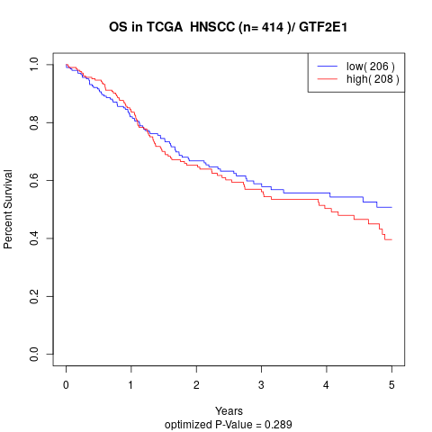

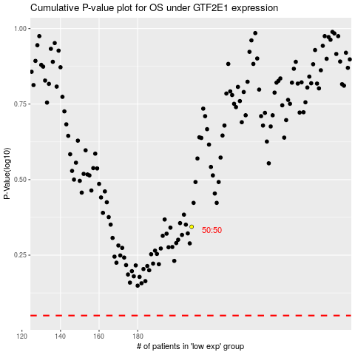

 |  |  |  |  |  | cases_OS | p_OS | rank | exp
 |  |  |  |  |  |  | cases_RFS | p_RFS | rank | exp

