GTF2E2 _multivariate
Reported by Tex Li-Hsing Chi. tex@gate.sinica.edu.tw 2019-08-19

Table 2. The clinicopathological features of HNSCC cohort and GTF2E2 expression. (Chi square test)
Cutoff at -0.17 (49.8%)
 |  | GTF2E2 expression |  | GTF2E2 expression |  | (Optimised)
 | Features | Low | (%) | High | (%) | Case no | P-value | Remark | Matthews
Gender | Female | 151 | 36.4 | 155 | 37.3 | 415 | 0.8007 | 0 | 0
2 | Male | 56 | 13.5 | 53 | 12.8
Age at diagnosis | <=65y | 143 | 34.5 | 131 | 31.6 | 415 | 0.2269 | 0 | 0
4 | >65y | 64 | 15.4 | 77 | 18.6
Clinical T Status | T1+T2 | 75 | 18.1 | 74 | 17.8 | 415 | 0.9707 | 0 | 0
6 | T3+T4 | 132 | 31.8 | 134 | 32.3
Clinical N Status | N0 | 105 | 25.3 | 111 | 26.7 | 415 | 0.6598 | 0 | 0
8 | N1-3 | 102 | 24.6 | 97 | 23.4
Clinical M Status | M0 | 205 | 49.4 | 207 | 49.9 | 415 | 0.6232 | 0 | 0
10 | M1 | 2 | 0.5 | 1 | 0.2
Clinical Stage | Stage I+II | 53 | 12.8 | 49 | 11.8 | 415 | 0.7113 | 0 | 0
12 | Stage III+IV | 154 | 37.1 | 159 | 38.3
Surgical Margin status | Negative | 164 | 39.5 | 154 | 37.1 | 415 | 0.2462 | 0 | 0
14 | Positive | 43 | 10.4 | 54 | 13
Tobacco Exposure | Low | 89 | 21.4 | 72 | 17.3 | 415 | 0.0872 | 0 | 0
16 | High | 118 | 28.4 | 136 | 32.8

Table 3. Univariate/Multivariate Cox's proportional hazards regression analyses on OS time of GTF2E2 gene expression in HNSCC

 |  | Univariate |  |  |  | Multivariate
 | Features | HR | CI95%(L) | CI95%(H) | P-value | HR | CI95%(L) | CI95%(H) | P-value
1 | Female | 1 |  |  |  | 1
Gender | Male | 1.157 | 0.843 | 1.587 | 0.367 | 1.207 | 0.864 | 1.686 | 0.27
11 | <=65y | 1 |  |  |  | 1
Age at diagnosis | >65y | 1.329 | 0.99 | 1.784 | 0.058 | 1.399 | 1.029 | 1.902 | 0.032
12 | T1+T2 | 1 |  |  |  | 1
Clinical T Status | T3+T4 | 1.409 | 1.028 | 1.931 | 0.033 | 2.176 | 1.15 | 4.118 | 0.017
13 | N0 | 1 |  |  |  | 1
Clinical N Status | N1-3 | 1.185 | 0.89 | 1.577 | 0.246 | 1.24 | 0.869 | 1.769 | 0.236
14 | M0 | 1 |  |  |  | 1
Clinical M Status | M1 | 4.097 | 1.009 | 16.644 | 0.049 | 9.079 | 1.972 | 41.801 | 0.005
15 | Stage I+II | 1 |  |  |  | 1
Clinical Stage | Stage III+IV | 1.245 | 0.882 | 1.759 | 0.213 | 0.514 | 0.239 | 1.106 | 0.089
16 | Negative | 1 |  |  |  | 1
Surgical Margin status | Positive | 1.591 | 1.155 | 2.191 | 0.004 | 1.678 | 1.214 | 2.319 | 0.002
17 | Low | 1 |  |  |  | 1
Tobacco Exposure | High | 1.364 | 1.008 | 1.844 | 0.044 | 1.473 | 1.066 | 2.035 | 0.019
18 | Low | 1 |  |  |  | 1
RNAseq(z-score) | High | 0.968 | 0.727 | 1.29 | 0.825 | 0.914 | 0.682 | 1.225 | 0.549

Table 4. Univariate/Multivariate Cox's proportional hazards regression analyses on RFS time of GTF2E2 gene expression in HNSCC

 |  | Univariate |  |  |  | Multivariate
 | Features | HR | CI95%(L) | CI95%(H) | P-value | HR | CI95%(L) | CI95%(H) | P-value
1 | Female | 1 |  |  |  | 1
Gender | Male | 1.157 | 0.843 | 1.587 | 0.367 | 1.207 | 0.864 | 1.686 | 0.27
11 | <=65y | 1 |  |  |  | 1
Age at diagnosis | >65y | 1.329 | 0.99 | 1.784 | 0.058 | 1.399 | 1.029 | 1.902 | 0.032
12 | T1+T2 | 1 |  |  |  | 1
Clinical T Status | T3+T4 | 1.409 | 1.028 | 1.931 | 0.033 | 2.176 | 1.15 | 4.118 | 0.017
13 | N0 | 1 |  |  |  | 1
Clinical N Status | N1-3 | 1.185 | 0.89 | 1.577 | 0.246 | 1.24 | 0.869 | 1.769 | 0.236
14 | M0 | 1 |  |  |  | 1
Clinical M Status | M1 | 4.097 | 1.009 | 16.644 | 0.049 | 9.079 | 1.972 | 41.801 | 0.005
15 | Stage I+II | 1 |  |  |  | 1
Clinical Stage | Stage III+IV | 1.245 | 0.882 | 1.759 | 0.213 | 0.514 | 0.239 | 1.106 | 0.089
16 | Negative | 1 |  |  |  | 1
Surgical Margin status | Positive | 1.591 | 1.155 | 2.191 | 0.004 | 1.678 | 1.214 | 2.319 | 0.002
17 | Low | 1 |  |  |  | 1
Tobacco Exposure | High | 1.364 | 1.008 | 1.844 | 0.044 | 1.473 | 1.066 | 2.035 | 0.019
18 | Low | 1 |  |  |  | 1
RNAseq(z-score) | High | 0.968 | 0.727 | 1.29 | 0.825 | 0.914 | 0.682 | 1.225 | 0.549

Kaplan-Meier survival estimate: Cutoff at -0.17 (49.8%)



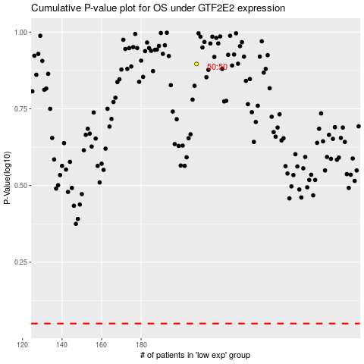

 |  |  |  |  |  | cases_OS | p_OS | rank | exp
 |  |  |  |  |  |  | cases_RFS | p_RFS | rank | exp

