GTF2F1 _multivariate
Reported by Tex Li-Hsing Chi. tex@gate.sinica.edu.tw 2019-08-19

Table 2. The clinicopathological features of HNSCC cohort and GTF2F1 expression. (Chi square test)
Cutoff at -0.102 (49.8%)
 |  | GTF2F1 expression |  | GTF2F1 expression |  | (Optimised)
 | Features | Low | (%) | High | (%) | Case no | P-value | Remark | Matthews
Gender | Female | 149 | 35.9 | 157 | 37.8 | 415 | 0.4848 | 0 | 0
2 | Male | 58 | 14 | 51 | 12.3
Age at diagnosis | <=65y | 138 | 33.3 | 136 | 32.8 | 415 | 0.8634 | 0 | 0
4 | >65y | 69 | 16.6 | 72 | 17.3
Clinical T Status | T1+T2 | 78 | 18.8 | 71 | 17.1 | 415 | 0.5152 | 0 | 0
6 | T3+T4 | 129 | 31.1 | 137 | 33
Clinical N Status | N0 | 107 | 25.8 | 109 | 26.3 | 415 | 0.9624 | 0 | 0
8 | N1-3 | 100 | 24.1 | 99 | 23.9
Clinical M Status | M0 | 206 | 49.6 | 206 | 49.6 | 415 | 1 | 0 | 0
10 | M1 | 1 | 0.2 | 2 | 0.5
Clinical Stage | Stage I+II | 55 | 13.3 | 47 | 11.3 | 415 | 0.4087 | 0 | 0
12 | Stage III+IV | 152 | 36.6 | 161 | 38.8
Surgical Margin status | Negative | 153 | 36.9 | 165 | 39.8 | 415 | 0.2036 | 0 | 0
14 | Positive | 54 | 13 | 43 | 10.4
Tobacco Exposure | Low | 77 | 18.6 | 84 | 20.2 | 415 | 0.5459 | 0 | 0
16 | High | 130 | 31.3 | 124 | 29.9

Table 3. Univariate/Multivariate Cox's proportional hazards regression analyses on OS time of GTF2F1 gene expression in HNSCC

 |  | Univariate |  |  |  | Multivariate
 | Features | HR | CI95%(L) | CI95%(H) | P-value | HR | CI95%(L) | CI95%(H) | P-value
1 | Female | 1 |  |  |  | 1
Gender | Male | 1.157 | 0.843 | 1.587 | 0.367 | 1.198 | 0.858 | 1.673 | 0.289
11 | <=65y | 1 |  |  |  | 1
Age at diagnosis | >65y | 1.329 | 0.99 | 1.784 | 0.058 | 1.393 | 1.025 | 1.894 | 0.034
12 | T1+T2 | 1 |  |  |  | 1
Clinical T Status | T3+T4 | 1.409 | 1.028 | 1.931 | 0.033 | 2.212 | 1.169 | 4.183 | 0.015
13 | N0 | 1 |  |  |  | 1
Clinical N Status | N1-3 | 1.185 | 0.89 | 1.577 | 0.246 | 1.24 | 0.869 | 1.77 | 0.235
14 | M0 | 1 |  |  |  | 1
Clinical M Status | M1 | 4.097 | 1.009 | 16.644 | 0.049 | 9.526 | 2.076 | 43.701 | 0.004
15 | Stage I+II | 1 |  |  |  | 1
Clinical Stage | Stage III+IV | 1.245 | 0.882 | 1.759 | 0.213 | 0.503 | 0.234 | 1.08 | 0.078
16 | Negative | 1 |  |  |  | 1
Surgical Margin status | Positive | 1.591 | 1.155 | 2.191 | 0.004 | 1.666 | 1.205 | 2.303 | 0.002
17 | Low | 1 |  |  |  | 1
Tobacco Exposure | High | 1.364 | 1.008 | 1.844 | 0.044 | 1.444 | 1.048 | 1.99 | 0.025
18 | Low | 1 |  |  |  | 1
RNAseq(z-score) | High | 0.907 | 0.681 | 1.209 | 0.506 | 0.924 | 0.692 | 1.233 | 0.59

Table 4. Univariate/Multivariate Cox's proportional hazards regression analyses on RFS time of GTF2F1 gene expression in HNSCC

 |  | Univariate |  |  |  | Multivariate
 | Features | HR | CI95%(L) | CI95%(H) | P-value | HR | CI95%(L) | CI95%(H) | P-value
1 | Female | 1 |  |  |  | 1
Gender | Male | 1.157 | 0.843 | 1.587 | 0.367 | 1.198 | 0.858 | 1.673 | 0.289
11 | <=65y | 1 |  |  |  | 1
Age at diagnosis | >65y | 1.329 | 0.99 | 1.784 | 0.058 | 1.393 | 1.025 | 1.894 | 0.034
12 | T1+T2 | 1 |  |  |  | 1
Clinical T Status | T3+T4 | 1.409 | 1.028 | 1.931 | 0.033 | 2.212 | 1.169 | 4.183 | 0.015
13 | N0 | 1 |  |  |  | 1
Clinical N Status | N1-3 | 1.185 | 0.89 | 1.577 | 0.246 | 1.24 | 0.869 | 1.77 | 0.235
14 | M0 | 1 |  |  |  | 1
Clinical M Status | M1 | 4.097 | 1.009 | 16.644 | 0.049 | 9.526 | 2.076 | 43.701 | 0.004
15 | Stage I+II | 1 |  |  |  | 1
Clinical Stage | Stage III+IV | 1.245 | 0.882 | 1.759 | 0.213 | 0.503 | 0.234 | 1.08 | 0.078
16 | Negative | 1 |  |  |  | 1
Surgical Margin status | Positive | 1.591 | 1.155 | 2.191 | 0.004 | 1.666 | 1.205 | 2.303 | 0.002
17 | Low | 1 |  |  |  | 1
Tobacco Exposure | High | 1.364 | 1.008 | 1.844 | 0.044 | 1.444 | 1.048 | 1.99 | 0.025
18 | Low | 1 |  |  |  | 1
RNAseq(z-score) | High | 0.907 | 0.681 | 1.209 | 0.506 | 0.924 | 0.692 | 1.233 | 0.59

Kaplan-Meier survival estimate: Cutoff at -0.102 (49.8%)



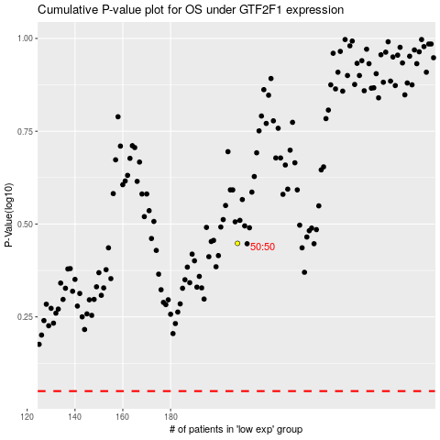

 |  |  |  |  |  | cases_OS | p_OS | rank | exp
 |  |  |  |  |  |  | cases_RFS | p_RFS | rank | exp

