GTF2H1 _multivariate
Reported by Tex Li-Hsing Chi. tex@gate.sinica.edu.tw 2019-08-19

Table 2. The clinicopathological features of HNSCC cohort and GTF2H1 expression. (Chi square test)
Cutoff at 0.171 (58.9%)
 |  | GTF2H1 expression |  | GTF2H1 expression |  | (Optimised)
 | Features | Low | (%) | High | (%) | Case no | P-value | Remark | Matthews
Gender | Female | 172 | 41.4 | 134 | 32.3 | 415 | 0.0645 | 0 | 0
2 | Male | 73 | 17.6 | 36 | 8.7
Age at diagnosis | <=65y | 163 | 39.3 | 111 | 26.7 | 415 | 0.8759 | 0 | 0
4 | >65y | 82 | 19.8 | 59 | 14.2
Clinical T Status | T1+T2 | 93 | 22.4 | 56 | 13.5 | 415 | 0.3452 | 0 | 0
6 | T3+T4 | 152 | 36.6 | 114 | 27.5
Clinical N Status | N0 | 134 | 32.3 | 82 | 19.8 | 415 | 0.232 | 0 | 0
8 | N1-3 | 111 | 26.7 | 88 | 21.2
Clinical M Status | M0 | 243 | 58.6 | 169 | 40.7 | 415 | 1 | 0 | 0
10 | M1 | 2 | 0.5 | 1 | 0.2
Clinical Stage | Stage I+II | 63 | 15.2 | 39 | 9.4 | 415 | 0.5966 | 0 | 0
12 | Stage III+IV | 182 | 43.9 | 131 | 31.6
Surgical Margin status | Negative | 188 | 45.3 | 130 | 31.3 | 415 | 1 | 0 | 0
14 | Positive | 57 | 13.7 | 40 | 9.6
Tobacco Exposure | Low | 98 | 23.6 | 63 | 15.2 | 415 | 0.6087 | 0 | 0
16 | High | 147 | 35.4 | 107 | 25.8

Table 3. Univariate/Multivariate Cox's proportional hazards regression analyses on OS time of GTF2H1 gene expression in HNSCC

 |  | Univariate |  |  |  | Multivariate
 | Features | HR | CI95%(L) | CI95%(H) | P-value | HR | CI95%(L) | CI95%(H) | P-value
1 | Female | 1 |  |  |  | 1
Gender | Male | 1.157 | 0.843 | 1.587 | 0.367 | 1.249 | 0.891 | 1.751 | 0.198
11 | <=65y | 1 |  |  |  | 1
Age at diagnosis | >65y | 1.329 | 0.99 | 1.784 | 0.058 | 1.369 | 1.006 | 1.862 | 0.046
12 | T1+T2 | 1 |  |  |  | 1
Clinical T Status | T3+T4 | 1.409 | 1.028 | 1.931 | 0.033 | 2.14 | 1.132 | 4.047 | 0.019
13 | N0 | 1 |  |  |  | 1
Clinical N Status | N1-3 | 1.185 | 0.89 | 1.577 | 0.246 | 1.214 | 0.851 | 1.733 | 0.284
14 | M0 | 1 |  |  |  | 1
Clinical M Status | M1 | 4.097 | 1.009 | 16.644 | 0.049 | 9.329 | 2.035 | 42.782 | 0.004
15 | Stage I+II | 1 |  |  |  | 1
Clinical Stage | Stage III+IV | 1.245 | 0.882 | 1.759 | 0.213 | 0.519 | 0.242 | 1.114 | 0.092
16 | Negative | 1 |  |  |  | 1
Surgical Margin status | Positive | 1.591 | 1.155 | 2.191 | 0.004 | 1.664 | 1.205 | 2.299 | 0.002
17 | Low | 1 |  |  |  | 1
Tobacco Exposure | High | 1.364 | 1.008 | 1.844 | 0.044 | 1.463 | 1.061 | 2.018 | 0.02
18 | Low | 1 |  |  |  | 1
RNAseq(z-score) | High | 1.365 | 1.019 | 1.828 | 0.037 | 1.32 | 0.981 | 1.775 | 0.066

Table 4. Univariate/Multivariate Cox's proportional hazards regression analyses on RFS time of GTF2H1 gene expression in HNSCC

 |  | Univariate |  |  |  | Multivariate
 | Features | HR | CI95%(L) | CI95%(H) | P-value | HR | CI95%(L) | CI95%(H) | P-value
1 | Female | 1 |  |  |  | 1
Gender | Male | 1.157 | 0.843 | 1.587 | 0.367 | 1.249 | 0.891 | 1.751 | 0.198
11 | <=65y | 1 |  |  |  | 1
Age at diagnosis | >65y | 1.329 | 0.99 | 1.784 | 0.058 | 1.369 | 1.006 | 1.862 | 0.046
12 | T1+T2 | 1 |  |  |  | 1
Clinical T Status | T3+T4 | 1.409 | 1.028 | 1.931 | 0.033 | 2.14 | 1.132 | 4.047 | 0.019
13 | N0 | 1 |  |  |  | 1
Clinical N Status | N1-3 | 1.185 | 0.89 | 1.577 | 0.246 | 1.214 | 0.851 | 1.733 | 0.284
14 | M0 | 1 |  |  |  | 1
Clinical M Status | M1 | 4.097 | 1.009 | 16.644 | 0.049 | 9.329 | 2.035 | 42.782 | 0.004
15 | Stage I+II | 1 |  |  |  | 1
Clinical Stage | Stage III+IV | 1.245 | 0.882 | 1.759 | 0.213 | 0.519 | 0.242 | 1.114 | 0.092
16 | Negative | 1 |  |  |  | 1
Surgical Margin status | Positive | 1.591 | 1.155 | 2.191 | 0.004 | 1.664 | 1.205 | 2.299 | 0.002
17 | Low | 1 |  |  |  | 1
Tobacco Exposure | High | 1.364 | 1.008 | 1.844 | 0.044 | 1.463 | 1.061 | 2.018 | 0.02
18 | Low | 1 |  |  |  | 1
RNAseq(z-score) | High | 1.365 | 1.019 | 1.828 | 0.037 | 1.32 | 0.981 | 1.775 | 0.066

Kaplan-Meier survival estimate: Cutoff at 0.171 (58.9%)



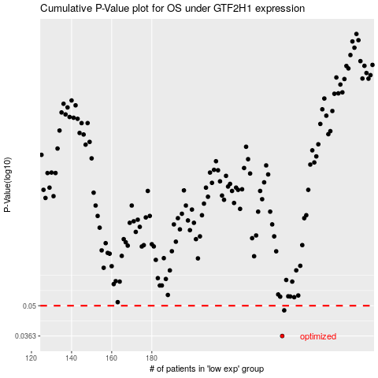

 |  |  |  |  |  | cases_OS | p_OS | rank | exp
 |  |  |  |  |  | 245 | 0.0363 | 339 | 0.17090209613
 |  |  |  |  |  | 246 | 0.0476 | 276 | 0.18695804346
 |  |  |  |  |  |  | cases_RFS | p_RFS | rank | exp
 |  |  |  |  |  |  | 244 | 0.0363 | 272 | 0.16592503791
 |  |  |  |  |  |  | 245 | 0.0476 | 339 | 0.17090209613

