GTF2H2 _multivariate
Reported by Tex Li-Hsing Chi. tex@gate.sinica.edu.tw 2019-08-19

Table 2. The clinicopathological features of HNSCC cohort and GTF2H2 expression. (Chi square test)
Cutoff at -0.219 (50.0%)
 |  | GTF2H2 expression |  | GTF2H2 expression |  | (Optimised)
 | Features | Low | (%) | High | (%) | Case no | P-value | Remark | Matthews
Gender | Female | 159 | 38.3 | 147 | 35.4 | 415 | 0.1905 | 0 | 0
2 | Male | 48 | 11.6 | 61 | 14.7
Age at diagnosis | <=65y | 134 | 32.3 | 140 | 33.7 | 415 | 0.6529 | 0 | 0
4 | >65y | 73 | 17.6 | 68 | 16.4
Clinical T Status | T1+T2 | 73 | 17.6 | 76 | 18.3 | 415 | 0.8666 | 0 | 0
6 | T3+T4 | 134 | 32.3 | 132 | 31.8
Clinical N Status | N0 | 114 | 27.5 | 102 | 24.6 | 415 | 0.2576 | 1 | 0
8 | N1-3 | 93 | 22.4 | 106 | 25.5
Clinical M Status | M0 | 207 | 49.9 | 205 | 49.4 | 415 | 0.2482 | 0 | 0
10 | M1 | 0 | 0 | 3 | 0.7
Clinical Stage | Stage I+II | 52 | 12.5 | 50 | 12 | 415 | 0.8871 | 0 | 0
12 | Stage III+IV | 155 | 37.3 | 158 | 38.1
Surgical Margin status | Negative | 158 | 38.1 | 160 | 38.6 | 415 | 0.9081 | 0 | 0
14 | Positive | 49 | 11.8 | 48 | 11.6
Tobacco Exposure | Low | 82 | 19.8 | 79 | 19 | 415 | 0.763 | 0 | 0
16 | High | 125 | 30.1 | 129 | 31.1

Table 3. Univariate/Multivariate Cox's proportional hazards regression analyses on OS time of GTF2H2 gene expression in HNSCC

 |  | Univariate |  |  |  | Multivariate
 | Features | HR | CI95%(L) | CI95%(H) | P-value | HR | CI95%(L) | CI95%(H) | P-value
1 | Female | 1 |  |  |  | 1
Gender | Male | 1.157 | 0.843 | 1.587 | 0.367 | 1.195 | 0.855 | 1.67 | 0.298
11 | <=65y | 1 |  |  |  | 1
Age at diagnosis | >65y | 1.329 | 0.99 | 1.784 | 0.058 | 1.392 | 1.024 | 1.892 | 0.035
12 | T1+T2 | 1 |  |  |  | 1
Clinical T Status | T3+T4 | 1.409 | 1.028 | 1.931 | 0.033 | 2.196 | 1.161 | 4.153 | 0.016
13 | N0 | 1 |  |  |  | 1
Clinical N Status | N1-3 | 1.185 | 0.89 | 1.577 | 0.246 | 1.236 | 0.866 | 1.763 | 0.243
14 | M0 | 1 |  |  |  | 1
Clinical M Status | M1 | 4.097 | 1.009 | 16.644 | 0.049 | 9.003 | 1.95 | 41.571 | 0.005
15 | Stage I+II | 1 |  |  |  | 1
Clinical Stage | Stage III+IV | 1.245 | 0.882 | 1.759 | 0.213 | 0.507 | 0.236 | 1.089 | 0.082
16 | Negative | 1 |  |  |  | 1
Surgical Margin status | Positive | 1.591 | 1.155 | 2.191 | 0.004 | 1.677 | 1.213 | 2.318 | 0.002
17 | Low | 1 |  |  |  | 1
Tobacco Exposure | High | 1.364 | 1.008 | 1.844 | 0.044 | 1.45 | 1.052 | 1.998 | 0.023
18 | Low | 1 |  |  |  | 1
RNAseq(z-score) | High | 1.121 | 0.84 | 1.497 | 0.438 | 1.089 | 0.813 | 1.457 | 0.568

Table 4. Univariate/Multivariate Cox's proportional hazards regression analyses on RFS time of GTF2H2 gene expression in HNSCC

 |  | Univariate |  |  |  | Multivariate
 | Features | HR | CI95%(L) | CI95%(H) | P-value | HR | CI95%(L) | CI95%(H) | P-value
1 | Female | 1 |  |  |  | 1
Gender | Male | 1.157 | 0.843 | 1.587 | 0.367 | 1.195 | 0.855 | 1.67 | 0.298
11 | <=65y | 1 |  |  |  | 1
Age at diagnosis | >65y | 1.329 | 0.99 | 1.784 | 0.058 | 1.392 | 1.024 | 1.892 | 0.035
12 | T1+T2 | 1 |  |  |  | 1
Clinical T Status | T3+T4 | 1.409 | 1.028 | 1.931 | 0.033 | 2.196 | 1.161 | 4.153 | 0.016
13 | N0 | 1 |  |  |  | 1
Clinical N Status | N1-3 | 1.185 | 0.89 | 1.577 | 0.246 | 1.236 | 0.866 | 1.763 | 0.243
14 | M0 | 1 |  |  |  | 1
Clinical M Status | M1 | 4.097 | 1.009 | 16.644 | 0.049 | 9.003 | 1.95 | 41.571 | 0.005
15 | Stage I+II | 1 |  |  |  | 1
Clinical Stage | Stage III+IV | 1.245 | 0.882 | 1.759 | 0.213 | 0.507 | 0.236 | 1.089 | 0.082
16 | Negative | 1 |  |  |  | 1
Surgical Margin status | Positive | 1.591 | 1.155 | 2.191 | 0.004 | 1.677 | 1.213 | 2.318 | 0.002
17 | Low | 1 |  |  |  | 1
Tobacco Exposure | High | 1.364 | 1.008 | 1.844 | 0.044 | 1.45 | 1.052 | 1.998 | 0.023
18 | Low | 1 |  |  |  | 1
RNAseq(z-score) | High | 1.121 | 0.84 | 1.497 | 0.438 | 1.089 | 0.813 | 1.457 | 0.568

Kaplan-Meier survival estimate: Cutoff at -0.219 (50.0%)



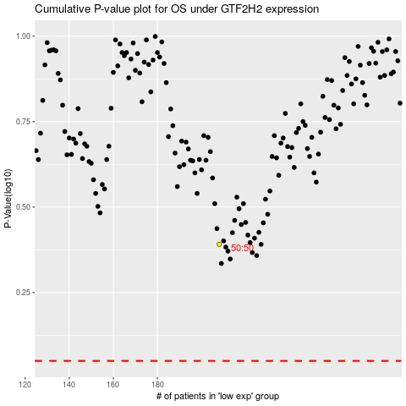

 |  |  |  |  |  | cases_OS | p_OS | rank | exp
 |  |  |  |  |  |  | cases_RFS | p_RFS | rank | exp

