GTF2H5 _multivariate
Reported by Tex Li-Hsing Chi. tex@gate.sinica.edu.tw 2019-08-19

Table 2. The clinicopathological features of HNSCC cohort and GTF2H5 expression. (Chi square test)
Cutoff at -0.242 (50.0%)
 |  | GTF2H5 expression |  | GTF2H5 expression |  | (Optimised)
 | Features | Low | (%) | High | (%) | Case no | P-value | Remark | Matthews
Gender | Female | 160 | 38.6 | 146 | 35.2 | 415 | 0.1254 | 0 | 0
2 | Male | 47 | 11.3 | 62 | 14.9
Age at diagnosis | <=65y | 139 | 33.5 | 135 | 32.5 | 415 | 0.7044 | 0 | 0
4 | >65y | 68 | 16.4 | 73 | 17.6
Clinical T Status | T1+T2 | 75 | 18.1 | 74 | 17.8 | 415 | 0.9707 | 0 | 0
6 | T3+T4 | 132 | 31.8 | 134 | 32.3
Clinical N Status | N0 | 104 | 25.1 | 112 | 27 | 415 | 0.5243 | 0 | 0
8 | N1-3 | 103 | 24.8 | 96 | 23.1
Clinical M Status | M0 | 206 | 49.6 | 206 | 49.6 | 415 | 1 | 0 | 0
10 | M1 | 1 | 0.2 | 2 | 0.5
Clinical Stage | Stage I+II | 46 | 11.1 | 56 | 13.5 | 415 | 0.3182 | 0 | 0
12 | Stage III+IV | 161 | 38.8 | 152 | 36.6
Surgical Margin status | Negative | 165 | 39.8 | 153 | 36.9 | 415 | 0.1639 | 0 | 0
14 | Positive | 42 | 10.1 | 55 | 13.3
Tobacco Exposure | Low | 68 | 16.4 | 93 | 22.4 | 415 | 0.0156 | 1 | 0
16 | High | 139 | 33.5 | 115 | 27.7

Table 3. Univariate/Multivariate Cox's proportional hazards regression analyses on OS time of GTF2H5 gene expression in HNSCC

 |  | Univariate |  |  |  | Multivariate
 | Features | HR | CI95%(L) | CI95%(H) | P-value | HR | CI95%(L) | CI95%(H) | P-value
1 | Female | 1 |  |  |  | 1
Gender | Male | 1.157 | 0.843 | 1.587 | 0.367 | 1.204 | 0.86 | 1.686 | 0.28
11 | <=65y | 1 |  |  |  | 1
Age at diagnosis | >65y | 1.329 | 0.99 | 1.784 | 0.058 | 1.391 | 1.023 | 1.891 | 0.035
12 | T1+T2 | 1 |  |  |  | 1
Clinical T Status | T3+T4 | 1.409 | 1.028 | 1.931 | 0.033 | 2.205 | 1.166 | 4.171 | 0.015
13 | N0 | 1 |  |  |  | 1
Clinical N Status | N1-3 | 1.185 | 0.89 | 1.577 | 0.246 | 1.242 | 0.87 | 1.772 | 0.233
14 | M0 | 1 |  |  |  | 1
Clinical M Status | M1 | 4.097 | 1.009 | 16.644 | 0.049 | 9.46 | 2.054 | 43.564 | 0.004
15 | Stage I+II | 1 |  |  |  | 1
Clinical Stage | Stage III+IV | 1.245 | 0.882 | 1.759 | 0.213 | 0.503 | 0.234 | 1.082 | 0.079
16 | Negative | 1 |  |  |  | 1
Surgical Margin status | Positive | 1.591 | 1.155 | 2.191 | 0.004 | 1.674 | 1.21 | 2.317 | 0.002
17 | Low | 1 |  |  |  | 1
Tobacco Exposure | High | 1.364 | 1.008 | 1.844 | 0.044 | 1.452 | 1.053 | 2.001 | 0.023
18 | Low | 1 |  |  |  | 1
RNAseq(z-score) | High | 1.028 | 0.77 | 1.373 | 0.851 | 0.986 | 0.734 | 1.325 | 0.926

Table 4. Univariate/Multivariate Cox's proportional hazards regression analyses on RFS time of GTF2H5 gene expression in HNSCC

 |  | Univariate |  |  |  | Multivariate
 | Features | HR | CI95%(L) | CI95%(H) | P-value | HR | CI95%(L) | CI95%(H) | P-value
1 | Female | 1 |  |  |  | 1
Gender | Male | 1.157 | 0.843 | 1.587 | 0.367 | 1.204 | 0.86 | 1.686 | 0.28
11 | <=65y | 1 |  |  |  | 1
Age at diagnosis | >65y | 1.329 | 0.99 | 1.784 | 0.058 | 1.391 | 1.023 | 1.891 | 0.035
12 | T1+T2 | 1 |  |  |  | 1
Clinical T Status | T3+T4 | 1.409 | 1.028 | 1.931 | 0.033 | 2.205 | 1.166 | 4.171 | 0.015
13 | N0 | 1 |  |  |  | 1
Clinical N Status | N1-3 | 1.185 | 0.89 | 1.577 | 0.246 | 1.242 | 0.87 | 1.772 | 0.233
14 | M0 | 1 |  |  |  | 1
Clinical M Status | M1 | 4.097 | 1.009 | 16.644 | 0.049 | 9.46 | 2.054 | 43.564 | 0.004
15 | Stage I+II | 1 |  |  |  | 1
Clinical Stage | Stage III+IV | 1.245 | 0.882 | 1.759 | 0.213 | 0.503 | 0.234 | 1.082 | 0.079
16 | Negative | 1 |  |  |  | 1
Surgical Margin status | Positive | 1.591 | 1.155 | 2.191 | 0.004 | 1.674 | 1.21 | 2.317 | 0.002
17 | Low | 1 |  |  |  | 1
Tobacco Exposure | High | 1.364 | 1.008 | 1.844 | 0.044 | 1.452 | 1.053 | 2.001 | 0.023
18 | Low | 1 |  |  |  | 1
RNAseq(z-score) | High | 1.028 | 0.77 | 1.373 | 0.851 | 0.986 | 0.734 | 1.325 | 0.926

Kaplan-Meier survival estimate: Cutoff at -0.242 (50.0%)

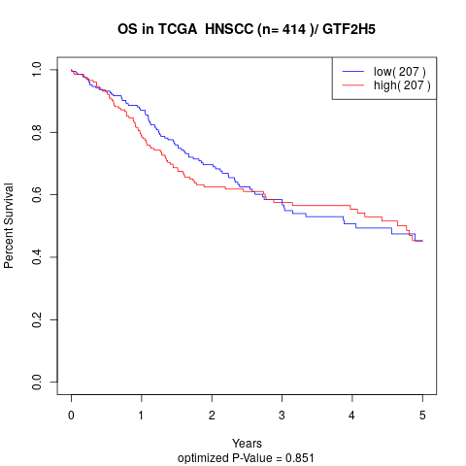

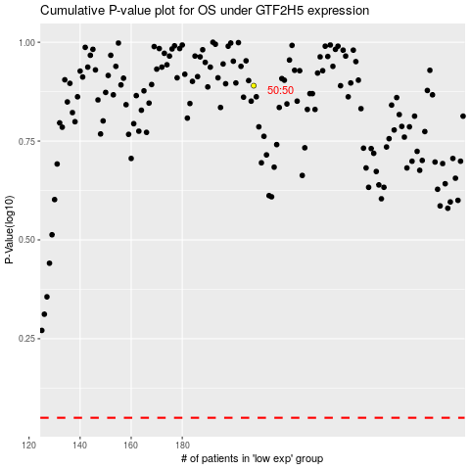

 |  |  |  |  |  | cases_OS | p_OS | rank | exp
 |  |  |  |  |  |  | cases_RFS | p_RFS | rank | exp

