GTF2IRD1 _multivariate
Reported by Tex Li-Hsing Chi. tex@gate.sinica.edu.tw 2019-08-19

Table 2. The clinicopathological features of HNSCC cohort and GTF2IRD1 expression. (Chi square test)
Cutoff at -0.252 (50.0%)
 |  | GTF2IRD1 expression |  | GTF2IRD1 expression |  | (Optimised)
 | Features | Low | (%) | High | (%) | Case no | P-value | Remark | Matthews
Gender | Female | 148 | 35.7 | 158 | 38.1 | 415 | 0.3567 | 0 | 0
2 | Male | 59 | 14.2 | 50 | 12
Age at diagnosis | <=65y | 130 | 31.3 | 144 | 34.7 | 415 | 0.2009 | 0 | 0
4 | >65y | 77 | 18.6 | 64 | 15.4
Clinical T Status | T1+T2 | 83 | 20 | 66 | 15.9 | 415 | 0.0941 | 0 | 0
6 | T3+T4 | 124 | 29.9 | 142 | 34.2
Clinical N Status | N0 | 107 | 25.8 | 109 | 26.3 | 415 | 0.9624 | 0 | 0
8 | N1-3 | 100 | 24.1 | 99 | 23.9
Clinical M Status | M0 | 205 | 49.4 | 207 | 49.9 | 415 | 0.6232 | 0 | 0
10 | M1 | 2 | 0.5 | 1 | 0.2
Clinical Stage | Stage I+II | 62 | 14.9 | 40 | 9.6 | 415 | 0.0154 | 1 | 0
12 | Stage III+IV | 145 | 34.9 | 168 | 40.5
Surgical Margin status | Negative | 155 | 37.3 | 163 | 39.3 | 415 | 0.4187 | 0 | 0
14 | Positive | 52 | 12.5 | 45 | 10.8
Tobacco Exposure | Low | 90 | 21.7 | 71 | 17.1 | 415 | 0.0559 | 0 | 0
16 | High | 117 | 28.2 | 137 | 33

Table 3. Univariate/Multivariate Cox's proportional hazards regression analyses on OS time of GTF2IRD1 gene expression in HNSCC

 |  | Univariate |  |  |  | Multivariate
 | Features | HR | CI95%(L) | CI95%(H) | P-value | HR | CI95%(L) | CI95%(H) | P-value
1 | Female | 1 |  |  |  | 1
Gender | Male | 1.157 | 0.843 | 1.587 | 0.367 | 1.201 | 0.859 | 1.677 | 0.284
11 | <=65y | 1 |  |  |  | 1
Age at diagnosis | >65y | 1.329 | 0.99 | 1.784 | 0.058 | 1.396 | 1.024 | 1.903 | 0.035
12 | T1+T2 | 1 |  |  |  | 1
Clinical T Status | T3+T4 | 1.409 | 1.028 | 1.931 | 0.033 | 2.21 | 1.167 | 4.186 | 0.015
13 | N0 | 1 |  |  |  | 1
Clinical N Status | N1-3 | 1.185 | 0.89 | 1.577 | 0.246 | 1.246 | 0.87 | 1.785 | 0.23
14 | M0 | 1 |  |  |  | 1
Clinical M Status | M1 | 4.097 | 1.009 | 16.644 | 0.049 | 9.502 | 2.062 | 43.791 | 0.004
15 | Stage I+II | 1 |  |  |  | 1
Clinical Stage | Stage III+IV | 1.245 | 0.882 | 1.759 | 0.213 | 0.5 | 0.23 | 1.083 | 0.079
16 | Negative | 1 |  |  |  | 1
Surgical Margin status | Positive | 1.591 | 1.155 | 2.191 | 0.004 | 1.675 | 1.211 | 2.318 | 0.002
17 | Low | 1 |  |  |  | 1
Tobacco Exposure | High | 1.364 | 1.008 | 1.844 | 0.044 | 1.45 | 1.051 | 2 | 0.023
18 | Low | 1 |  |  |  | 1
RNAseq(z-score) | High | 0.966 | 0.725 | 1.287 | 0.813 | 1.024 | 0.759 | 1.38 | 0.877

Table 4. Univariate/Multivariate Cox's proportional hazards regression analyses on RFS time of GTF2IRD1 gene expression in HNSCC

 |  | Univariate |  |  |  | Multivariate
 | Features | HR | CI95%(L) | CI95%(H) | P-value | HR | CI95%(L) | CI95%(H) | P-value
1 | Female | 1 |  |  |  | 1
Gender | Male | 1.157 | 0.843 | 1.587 | 0.367 | 1.201 | 0.859 | 1.677 | 0.284
11 | <=65y | 1 |  |  |  | 1
Age at diagnosis | >65y | 1.329 | 0.99 | 1.784 | 0.058 | 1.396 | 1.024 | 1.903 | 0.035
12 | T1+T2 | 1 |  |  |  | 1
Clinical T Status | T3+T4 | 1.409 | 1.028 | 1.931 | 0.033 | 2.21 | 1.167 | 4.186 | 0.015
13 | N0 | 1 |  |  |  | 1
Clinical N Status | N1-3 | 1.185 | 0.89 | 1.577 | 0.246 | 1.246 | 0.87 | 1.785 | 0.23
14 | M0 | 1 |  |  |  | 1
Clinical M Status | M1 | 4.097 | 1.009 | 16.644 | 0.049 | 9.502 | 2.062 | 43.791 | 0.004
15 | Stage I+II | 1 |  |  |  | 1
Clinical Stage | Stage III+IV | 1.245 | 0.882 | 1.759 | 0.213 | 0.5 | 0.23 | 1.083 | 0.079
16 | Negative | 1 |  |  |  | 1
Surgical Margin status | Positive | 1.591 | 1.155 | 2.191 | 0.004 | 1.675 | 1.211 | 2.318 | 0.002
17 | Low | 1 |  |  |  | 1
Tobacco Exposure | High | 1.364 | 1.008 | 1.844 | 0.044 | 1.45 | 1.051 | 2 | 0.023
18 | Low | 1 |  |  |  | 1
RNAseq(z-score) | High | 0.966 | 0.725 | 1.287 | 0.813 | 1.024 | 0.759 | 1.38 | 0.877

Kaplan-Meier survival estimate: Cutoff at -0.252 (50.0%)



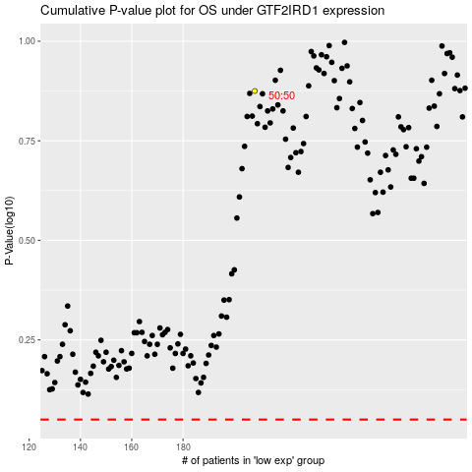

 |  |  |  |  |  | cases_OS | p_OS | rank | exp
 |  |  |  |  |  |  | cases_RFS | p_RFS | rank | exp

