GTF2IRD2B _multivariate
Reported by Tex Li-Hsing Chi. tex@gate.sinica.edu.tw 2019-08-19

Table 2. The clinicopathological features of HNSCC cohort and GTF2IRD2B expression. (Chi square test)
Cutoff at -0.336 (49.8%)
 |  | GTF2IRD2B expression |  | GTF2IRD2B expression |  | (Optimised)
 | Features | Low | (%) | High | (%) | Case no | P-value | Remark | Matthews
Gender | Female | 141 | 34 | 165 | 39.8 | 415 | 0.013 | 1 | 0
2 | Male | 66 | 15.9 | 43 | 10.4
Age at diagnosis | <=65y | 135 | 32.5 | 139 | 33.5 | 415 | 0.8084 | 0 | 0
4 | >65y | 72 | 17.3 | 69 | 16.6
Clinical T Status | T1+T2 | 59 | 14.2 | 90 | 21.7 | 415 | 0.0024 | 1 | 0
6 | T3+T4 | 148 | 35.7 | 118 | 28.4
Clinical N Status | N0 | 107 | 25.8 | 109 | 26.3 | 415 | 0.9624 | 0 | 0
8 | N1-3 | 100 | 24.1 | 99 | 23.9
Clinical M Status | M0 | 204 | 49.2 | 208 | 50.1 | 415 | 0.1232 | 0 | 0
10 | M1 | 3 | 0.7 | 0 | 0
Clinical Stage | Stage I+II | 46 | 11.1 | 56 | 13.5 | 415 | 0.3182 | 0 | 0
12 | Stage III+IV | 161 | 38.8 | 152 | 36.6
Surgical Margin status | Negative | 160 | 38.6 | 158 | 38.1 | 415 | 0.8167 | 0 | 0
14 | Positive | 47 | 11.3 | 50 | 12
Tobacco Exposure | Low | 81 | 19.5 | 80 | 19.3 | 415 | 0.9199 | 0 | 0
16 | High | 126 | 30.4 | 128 | 30.8

Table 3. Univariate/Multivariate Cox's proportional hazards regression analyses on OS time of GTF2IRD2B gene expression in HNSCC

 |  | Univariate |  |  |  | Multivariate
 | Features | HR | CI95%(L) | CI95%(H) | P-value | HR | CI95%(L) | CI95%(H) | P-value
1 | Female | 1 |  |  |  | 1
Gender | Male | 1.157 | 0.843 | 1.587 | 0.367 | 1.175 | 0.838 | 1.648 | 0.349
11 | <=65y | 1 |  |  |  | 1
Age at diagnosis | >65y | 1.329 | 0.99 | 1.784 | 0.058 | 1.391 | 1.023 | 1.892 | 0.035
12 | T1+T2 | 1 |  |  |  | 1
Clinical T Status | T3+T4 | 1.409 | 1.028 | 1.931 | 0.033 | 2.123 | 1.118 | 4.032 | 0.021
13 | N0 | 1 |  |  |  | 1
Clinical N Status | N1-3 | 1.185 | 0.89 | 1.577 | 0.246 | 1.238 | 0.868 | 1.767 | 0.239
14 | M0 | 1 |  |  |  | 1
Clinical M Status | M1 | 4.097 | 1.009 | 16.644 | 0.049 | 8.479 | 1.824 | 39.417 | 0.006
15 | Stage I+II | 1 |  |  |  | 1
Clinical Stage | Stage III+IV | 1.245 | 0.882 | 1.759 | 0.213 | 0.518 | 0.241 | 1.114 | 0.092
16 | Negative | 1 |  |  |  | 1
Surgical Margin status | Positive | 1.591 | 1.155 | 2.191 | 0.004 | 1.69 | 1.222 | 2.337 | 0.002
17 | Low | 1 |  |  |  | 1
Tobacco Exposure | High | 1.364 | 1.008 | 1.844 | 0.044 | 1.461 | 1.059 | 2.016 | 0.021
18 | Low | 1 |  |  |  | 1
RNAseq(z-score) | High | 0.814 | 0.611 | 1.084 | 0.159 | 0.865 | 0.644 | 1.162 | 0.336

Table 4. Univariate/Multivariate Cox's proportional hazards regression analyses on RFS time of GTF2IRD2B gene expression in HNSCC

 |  | Univariate |  |  |  | Multivariate
 | Features | HR | CI95%(L) | CI95%(H) | P-value | HR | CI95%(L) | CI95%(H) | P-value
1 | Female | 1 |  |  |  | 1
Gender | Male | 1.157 | 0.843 | 1.587 | 0.367 | 1.175 | 0.838 | 1.648 | 0.349
11 | <=65y | 1 |  |  |  | 1
Age at diagnosis | >65y | 1.329 | 0.99 | 1.784 | 0.058 | 1.391 | 1.023 | 1.892 | 0.035
12 | T1+T2 | 1 |  |  |  | 1
Clinical T Status | T3+T4 | 1.409 | 1.028 | 1.931 | 0.033 | 2.123 | 1.118 | 4.032 | 0.021
13 | N0 | 1 |  |  |  | 1
Clinical N Status | N1-3 | 1.185 | 0.89 | 1.577 | 0.246 | 1.238 | 0.868 | 1.767 | 0.239
14 | M0 | 1 |  |  |  | 1
Clinical M Status | M1 | 4.097 | 1.009 | 16.644 | 0.049 | 8.479 | 1.824 | 39.417 | 0.006
15 | Stage I+II | 1 |  |  |  | 1
Clinical Stage | Stage III+IV | 1.245 | 0.882 | 1.759 | 0.213 | 0.518 | 0.241 | 1.114 | 0.092
16 | Negative | 1 |  |  |  | 1
Surgical Margin status | Positive | 1.591 | 1.155 | 2.191 | 0.004 | 1.69 | 1.222 | 2.337 | 0.002
17 | Low | 1 |  |  |  | 1
Tobacco Exposure | High | 1.364 | 1.008 | 1.844 | 0.044 | 1.461 | 1.059 | 2.016 | 0.021
18 | Low | 1 |  |  |  | 1
RNAseq(z-score) | High | 0.814 | 0.611 | 1.084 | 0.159 | 0.865 | 0.644 | 1.162 | 0.336

Kaplan-Meier survival estimate: Cutoff at -0.336 (49.8%)



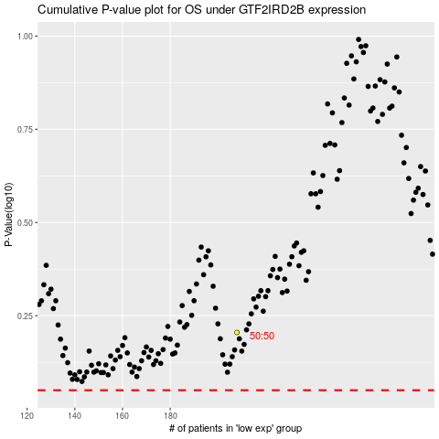

 |  |  |  |  |  | cases_OS | p_OS | rank | exp
 |  |  |  |  |  |  | cases_RFS | p_RFS | rank | exp

