GTF3A _multivariate
Reported by Tex Li-Hsing Chi. tex@gate.sinica.edu.tw 2019-08-19

Table 2. The clinicopathological features of HNSCC cohort and GTF3A expression. (Chi square test)
Cutoff at -0.273 (49.8%)
 |  | GTF3A expression |  | GTF3A expression |  | (Optimised)
 | Features | Low | (%) | High | (%) | Case no | P-value | Remark | Matthews
Gender | Female | 153 | 36.9 | 153 | 36.9 | 415 | 1 | 0 | 0
2 | Male | 54 | 13 | 55 | 13.3
Age at diagnosis | <=65y | 139 | 33.5 | 135 | 32.5 | 415 | 0.7044 | 0 | 0
4 | >65y | 68 | 16.4 | 73 | 17.6
Clinical T Status | T1+T2 | 66 | 15.9 | 83 | 20 | 415 | 0.1095 | 0 | 0
6 | T3+T4 | 141 | 34 | 125 | 30.1
Clinical N Status | N0 | 107 | 25.8 | 109 | 26.3 | 415 | 0.9624 | 0 | 0
8 | N1-3 | 100 | 24.1 | 99 | 23.9
Clinical M Status | M0 | 206 | 49.6 | 206 | 49.6 | 415 | 1 | 0 | 0
10 | M1 | 1 | 0.2 | 2 | 0.5
Clinical Stage | Stage I+II | 42 | 10.1 | 60 | 14.5 | 415 | 0.0561 | 0 | 0
12 | Stage III+IV | 165 | 39.8 | 148 | 35.7
Surgical Margin status | Negative | 156 | 37.6 | 162 | 39 | 415 | 0.5636 | 0 | 0
14 | Positive | 51 | 12.3 | 46 | 11.1
Tobacco Exposure | Low | 87 | 21 | 74 | 17.8 | 415 | 0.1911 | 0 | 0
16 | High | 120 | 28.9 | 134 | 32.3

Table 3. Univariate/Multivariate Cox's proportional hazards regression analyses on OS time of GTF3A gene expression in HNSCC

 |  | Univariate |  |  |  | Multivariate
 | Features | HR | CI95%(L) | CI95%(H) | P-value | HR | CI95%(L) | CI95%(H) | P-value
1 | Female | 1 |  |  |  | 1
Gender | Male | 1.157 | 0.843 | 1.587 | 0.367 | 1.19 | 0.851 | 1.664 | 0.309
11 | <=65y | 1 |  |  |  | 1
Age at diagnosis | >65y | 1.329 | 0.99 | 1.784 | 0.058 | 1.387 | 1.021 | 1.885 | 0.036
12 | T1+T2 | 1 |  |  |  | 1
Clinical T Status | T3+T4 | 1.409 | 1.028 | 1.931 | 0.033 | 2.197 | 1.163 | 4.153 | 0.015
13 | N0 | 1 |  |  |  | 1
Clinical N Status | N1-3 | 1.185 | 0.89 | 1.577 | 0.246 | 1.233 | 0.864 | 1.76 | 0.249
14 | M0 | 1 |  |  |  | 1
Clinical M Status | M1 | 4.097 | 1.009 | 16.644 | 0.049 | 9.252 | 2.018 | 42.417 | 0.004
15 | Stage I+II | 1 |  |  |  | 1
Clinical Stage | Stage III+IV | 1.245 | 0.882 | 1.759 | 0.213 | 0.512 | 0.239 | 1.1 | 0.086
16 | Negative | 1 |  |  |  | 1
Surgical Margin status | Positive | 1.591 | 1.155 | 2.191 | 0.004 | 1.672 | 1.21 | 2.31 | 0.002
17 | Low | 1 |  |  |  | 1
Tobacco Exposure | High | 1.364 | 1.008 | 1.844 | 0.044 | 1.437 | 1.042 | 1.982 | 0.027
18 | Low | 1 |  |  |  | 1
RNAseq(z-score) | High | 1.163 | 0.873 | 1.549 | 0.303 | 1.14 | 0.854 | 1.522 | 0.374

Table 4. Univariate/Multivariate Cox's proportional hazards regression analyses on RFS time of GTF3A gene expression in HNSCC

 |  | Univariate |  |  |  | Multivariate
 | Features | HR | CI95%(L) | CI95%(H) | P-value | HR | CI95%(L) | CI95%(H) | P-value
1 | Female | 1 |  |  |  | 1
Gender | Male | 1.157 | 0.843 | 1.587 | 0.367 | 1.19 | 0.851 | 1.664 | 0.309
11 | <=65y | 1 |  |  |  | 1
Age at diagnosis | >65y | 1.329 | 0.99 | 1.784 | 0.058 | 1.387 | 1.021 | 1.885 | 0.036
12 | T1+T2 | 1 |  |  |  | 1
Clinical T Status | T3+T4 | 1.409 | 1.028 | 1.931 | 0.033 | 2.197 | 1.163 | 4.153 | 0.015
13 | N0 | 1 |  |  |  | 1
Clinical N Status | N1-3 | 1.185 | 0.89 | 1.577 | 0.246 | 1.233 | 0.864 | 1.76 | 0.249
14 | M0 | 1 |  |  |  | 1
Clinical M Status | M1 | 4.097 | 1.009 | 16.644 | 0.049 | 9.252 | 2.018 | 42.417 | 0.004
15 | Stage I+II | 1 |  |  |  | 1
Clinical Stage | Stage III+IV | 1.245 | 0.882 | 1.759 | 0.213 | 0.512 | 0.239 | 1.1 | 0.086
16 | Negative | 1 |  |  |  | 1
Surgical Margin status | Positive | 1.591 | 1.155 | 2.191 | 0.004 | 1.672 | 1.21 | 2.31 | 0.002
17 | Low | 1 |  |  |  | 1
Tobacco Exposure | High | 1.364 | 1.008 | 1.844 | 0.044 | 1.437 | 1.042 | 1.982 | 0.027
18 | Low | 1 |  |  |  | 1
RNAseq(z-score) | High | 1.163 | 0.873 | 1.549 | 0.303 | 1.14 | 0.854 | 1.522 | 0.374

Kaplan-Meier survival estimate: Cutoff at -0.273 (49.8%)



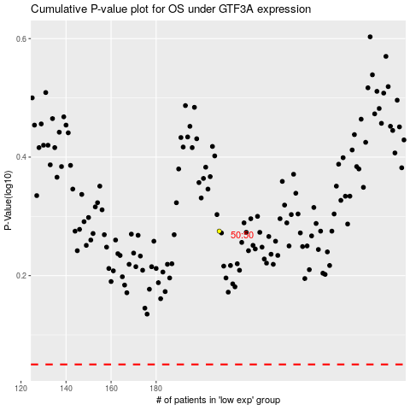

 |  |  |  |  |  | cases_OS | p_OS | rank | exp
 |  |  |  |  |  |  | cases_RFS | p_RFS | rank | exp

