GTF3C1 _multivariate
Reported by Tex Li-Hsing Chi. tex@gate.sinica.edu.tw 2019-08-19

Table 2. The clinicopathological features of HNSCC cohort and GTF3C1 expression. (Chi square test)
Cutoff at -0.142 (50.0%)
 |  | GTF3C1 expression |  | GTF3C1 expression |  | (Optimised)
 | Features | Low | (%) | High | (%) | Case no | P-value | Remark | Matthews
Gender | Female | 146 | 35.2 | 160 | 38.6 | 415 | 0.1714 | 0 | 0
2 | Male | 61 | 14.7 | 48 | 11.6
Age at diagnosis | <=65y | 126 | 30.4 | 148 | 35.7 | 415 | 0.035 | 1 | 0
4 | >65y | 81 | 19.5 | 60 | 14.5
Clinical T Status | T1+T2 | 74 | 17.8 | 75 | 18.1 | 415 | 1 | 0 | 0
6 | T3+T4 | 133 | 32 | 133 | 32
Clinical N Status | N0 | 95 | 22.9 | 121 | 29.2 | 415 | 0.0162 | 1 | 0
8 | N1-3 | 112 | 27 | 87 | 21
Clinical M Status | M0 | 205 | 49.4 | 207 | 49.9 | 415 | 0.6232 | 0 | 0
10 | M1 | 2 | 0.5 | 1 | 0.2
Clinical Stage | Stage I+II | 48 | 11.6 | 54 | 13 | 415 | 0.5878 | 0 | 0
12 | Stage III+IV | 159 | 38.3 | 154 | 37.1
Surgical Margin status | Negative | 150 | 36.1 | 168 | 40.5 | 415 | 0.0492 | 1 | 0
14 | Positive | 57 | 13.7 | 40 | 9.6
Tobacco Exposure | Low | 86 | 20.7 | 75 | 18.1 | 415 | 0.2687 | 0 | 0
16 | High | 121 | 29.2 | 133 | 32

Table 3. Univariate/Multivariate Cox's proportional hazards regression analyses on OS time of GTF3C1 gene expression in HNSCC

 |  | Univariate |  |  |  | Multivariate
 | Features | HR | CI95%(L) | CI95%(H) | P-value | HR | CI95%(L) | CI95%(H) | P-value
1 | Female | 1 |  |  |  | 1
Gender | Male | 1.157 | 0.843 | 1.587 | 0.367 | 1.193 | 0.852 | 1.67 | 0.304
11 | <=65y | 1 |  |  |  | 1
Age at diagnosis | >65y | 1.329 | 0.99 | 1.784 | 0.058 | 1.381 | 1.014 | 1.881 | 0.041
12 | T1+T2 | 1 |  |  |  | 1
Clinical T Status | T3+T4 | 1.409 | 1.028 | 1.931 | 0.033 | 2.215 | 1.171 | 4.191 | 0.014
13 | N0 | 1 |  |  |  | 1
Clinical N Status | N1-3 | 1.185 | 0.89 | 1.577 | 0.246 | 1.228 | 0.858 | 1.758 | 0.261
14 | M0 | 1 |  |  |  | 1
Clinical M Status | M1 | 4.097 | 1.009 | 16.644 | 0.049 | 9.423 | 2.056 | 43.199 | 0.004
15 | Stage I+II | 1 |  |  |  | 1
Clinical Stage | Stage III+IV | 1.245 | 0.882 | 1.759 | 0.213 | 0.503 | 0.234 | 1.079 | 0.078
16 | Negative | 1 |  |  |  | 1
Surgical Margin status | Positive | 1.591 | 1.155 | 2.191 | 0.004 | 1.67 | 1.208 | 2.307 | 0.002
17 | Low | 1 |  |  |  | 1
Tobacco Exposure | High | 1.364 | 1.008 | 1.844 | 0.044 | 1.459 | 1.058 | 2.011 | 0.021
18 | Low | 1 |  |  |  | 1
RNAseq(z-score) | High | 0.896 | 0.673 | 1.194 | 0.454 | 0.936 | 0.697 | 1.256 | 0.658

Table 4. Univariate/Multivariate Cox's proportional hazards regression analyses on RFS time of GTF3C1 gene expression in HNSCC

 |  | Univariate |  |  |  | Multivariate
 | Features | HR | CI95%(L) | CI95%(H) | P-value | HR | CI95%(L) | CI95%(H) | P-value
1 | Female | 1 |  |  |  | 1
Gender | Male | 1.157 | 0.843 | 1.587 | 0.367 | 1.193 | 0.852 | 1.67 | 0.304
11 | <=65y | 1 |  |  |  | 1
Age at diagnosis | >65y | 1.329 | 0.99 | 1.784 | 0.058 | 1.381 | 1.014 | 1.881 | 0.041
12 | T1+T2 | 1 |  |  |  | 1
Clinical T Status | T3+T4 | 1.409 | 1.028 | 1.931 | 0.033 | 2.215 | 1.171 | 4.191 | 0.014
13 | N0 | 1 |  |  |  | 1
Clinical N Status | N1-3 | 1.185 | 0.89 | 1.577 | 0.246 | 1.228 | 0.858 | 1.758 | 0.261
14 | M0 | 1 |  |  |  | 1
Clinical M Status | M1 | 4.097 | 1.009 | 16.644 | 0.049 | 9.423 | 2.056 | 43.199 | 0.004
15 | Stage I+II | 1 |  |  |  | 1
Clinical Stage | Stage III+IV | 1.245 | 0.882 | 1.759 | 0.213 | 0.503 | 0.234 | 1.079 | 0.078
16 | Negative | 1 |  |  |  | 1
Surgical Margin status | Positive | 1.591 | 1.155 | 2.191 | 0.004 | 1.67 | 1.208 | 2.307 | 0.002
17 | Low | 1 |  |  |  | 1
Tobacco Exposure | High | 1.364 | 1.008 | 1.844 | 0.044 | 1.459 | 1.058 | 2.011 | 0.021
18 | Low | 1 |  |  |  | 1
RNAseq(z-score) | High | 0.896 | 0.673 | 1.194 | 0.454 | 0.936 | 0.697 | 1.256 | 0.658

Kaplan-Meier survival estimate: Cutoff at -0.142 (50.0%)



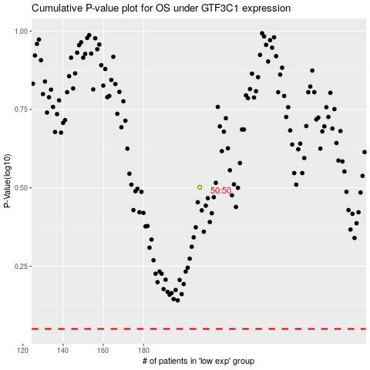

 |  |  |  |  |  | cases_OS | p_OS | rank | exp
 |  |  |  |  |  |  | cases_RFS | p_RFS | rank | exp

