GTF3C3 _multivariate
Reported by Tex Li-Hsing Chi. tex@gate.sinica.edu.tw 2019-08-19

Table 2. The clinicopathological features of HNSCC cohort and GTF3C3 expression. (Chi square test)
Cutoff at -0.11 (49.8%)
 |  | GTF3C3 expression |  | GTF3C3 expression |  | (Optimised)
 | Features | Low | (%) | High | (%) | Case no | P-value | Remark | Matthews
Gender | Female | 138 | 33.3 | 168 | 40.5 | 415 | 0.0016 | 1 | 0
2 | Male | 69 | 16.6 | 40 | 9.6
Age at diagnosis | <=65y | 135 | 32.5 | 139 | 33.5 | 415 | 0.8084 | 0 | 0
4 | >65y | 72 | 17.3 | 69 | 16.6
Clinical T Status | T1+T2 | 81 | 19.5 | 68 | 16.4 | 415 | 0.206 | 0 | 0
6 | T3+T4 | 126 | 30.4 | 140 | 33.7
Clinical N Status | N0 | 109 | 26.3 | 107 | 25.8 | 415 | 0.8812 | 0 | 0
8 | N1-3 | 98 | 23.6 | 101 | 24.3
Clinical M Status | M0 | 204 | 49.2 | 208 | 50.1 | 415 | 0.1232 | 0 | 0
10 | M1 | 3 | 0.7 | 0 | 0
Clinical Stage | Stage I+II | 57 | 13.7 | 45 | 10.8 | 415 | 0.1998 | 0 | 0
12 | Stage III+IV | 150 | 36.1 | 163 | 39.3
Surgical Margin status | Negative | 154 | 37.1 | 164 | 39.5 | 415 | 0.2984 | 0 | 0
14 | Positive | 53 | 12.8 | 44 | 10.6
Tobacco Exposure | Low | 95 | 22.9 | 66 | 15.9 | 415 | 0.0035 | 1 | 0
16 | High | 112 | 27 | 142 | 34.2

Table 3. Univariate/Multivariate Cox's proportional hazards regression analyses on OS time of GTF3C3 gene expression in HNSCC

 |  | Univariate |  |  |  | Multivariate
 | Features | HR | CI95%(L) | CI95%(H) | P-value | HR | CI95%(L) | CI95%(H) | P-value
1 | Female | 1 |  |  |  | 1
Gender | Male | 1.157 | 0.843 | 1.587 | 0.367 | 1.231 | 0.879 | 1.723 | 0.227
11 | <=65y | 1 |  |  |  | 1
Age at diagnosis | >65y | 1.329 | 0.99 | 1.784 | 0.058 | 1.387 | 1.02 | 1.887 | 0.037
12 | T1+T2 | 1 |  |  |  | 1
Clinical T Status | T3+T4 | 1.409 | 1.028 | 1.931 | 0.033 | 2.237 | 1.182 | 4.233 | 0.013
13 | N0 | 1 |  |  |  | 1
Clinical N Status | N1-3 | 1.185 | 0.89 | 1.577 | 0.246 | 1.24 | 0.869 | 1.77 | 0.236
14 | M0 | 1 |  |  |  | 1
Clinical M Status | M1 | 4.097 | 1.009 | 16.644 | 0.049 | 10.506 | 2.259 | 48.857 | 0.003
15 | Stage I+II | 1 |  |  |  | 1
Clinical Stage | Stage III+IV | 1.245 | 0.882 | 1.759 | 0.213 | 0.491 | 0.228 | 1.056 | 0.069
16 | Negative | 1 |  |  |  | 1
Surgical Margin status | Positive | 1.591 | 1.155 | 2.191 | 0.004 | 1.712 | 1.235 | 2.374 | 0.001
17 | Low | 1 |  |  |  | 1
Tobacco Exposure | High | 1.364 | 1.008 | 1.844 | 0.044 | 1.442 | 1.047 | 1.987 | 0.025
18 | Low | 1 |  |  |  | 1
RNAseq(z-score) | High | 1.09 | 0.818 | 1.454 | 0.555 | 1.175 | 0.873 | 1.582 | 0.287

Table 4. Univariate/Multivariate Cox's proportional hazards regression analyses on RFS time of GTF3C3 gene expression in HNSCC

 |  | Univariate |  |  |  | Multivariate
 | Features | HR | CI95%(L) | CI95%(H) | P-value | HR | CI95%(L) | CI95%(H) | P-value
1 | Female | 1 |  |  |  | 1
Gender | Male | 1.157 | 0.843 | 1.587 | 0.367 | 1.231 | 0.879 | 1.723 | 0.227
11 | <=65y | 1 |  |  |  | 1
Age at diagnosis | >65y | 1.329 | 0.99 | 1.784 | 0.058 | 1.387 | 1.02 | 1.887 | 0.037
12 | T1+T2 | 1 |  |  |  | 1
Clinical T Status | T3+T4 | 1.409 | 1.028 | 1.931 | 0.033 | 2.237 | 1.182 | 4.233 | 0.013
13 | N0 | 1 |  |  |  | 1
Clinical N Status | N1-3 | 1.185 | 0.89 | 1.577 | 0.246 | 1.24 | 0.869 | 1.77 | 0.236
14 | M0 | 1 |  |  |  | 1
Clinical M Status | M1 | 4.097 | 1.009 | 16.644 | 0.049 | 10.506 | 2.259 | 48.857 | 0.003
15 | Stage I+II | 1 |  |  |  | 1
Clinical Stage | Stage III+IV | 1.245 | 0.882 | 1.759 | 0.213 | 0.491 | 0.228 | 1.056 | 0.069
16 | Negative | 1 |  |  |  | 1
Surgical Margin status | Positive | 1.591 | 1.155 | 2.191 | 0.004 | 1.712 | 1.235 | 2.374 | 0.001
17 | Low | 1 |  |  |  | 1
Tobacco Exposure | High | 1.364 | 1.008 | 1.844 | 0.044 | 1.442 | 1.047 | 1.987 | 0.025
18 | Low | 1 |  |  |  | 1
RNAseq(z-score) | High | 1.09 | 0.818 | 1.454 | 0.555 | 1.175 | 0.873 | 1.582 | 0.287

Kaplan-Meier survival estimate: Cutoff at -0.11 (49.8%)



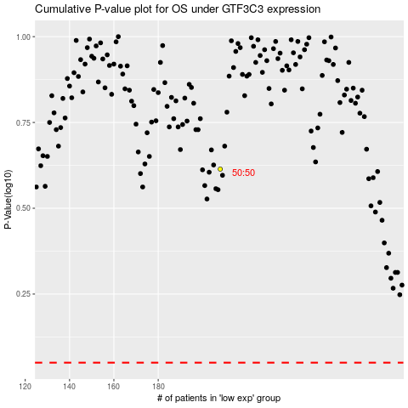

 |  |  |  |  |  | cases_OS | p_OS | rank | exp
 |  |  |  |  |  |  | cases_RFS | p_RFS | rank | exp

