GTF3C4 _multivariate
Reported by Tex Li-Hsing Chi. tex@gate.sinica.edu.tw 2019-08-19

Table 2. The clinicopathological features of HNSCC cohort and GTF3C4 expression. (Chi square test)
Cutoff at 0.385 (69.8%)
 |  | GTF3C4 expression |  | GTF3C4 expression |  | (Optimised)
 | Features | Low | (%) | High | (%) | Case no | P-value | Remark | Matthews
Gender | Female | 210 | 50.6 | 96 | 23.1 | 415 | 0.418 | 0 | 0
2 | Male | 80 | 19.3 | 29 | 7
Age at diagnosis | <=65y | 191 | 46 | 83 | 20 | 415 | 1 | 0 | 0
4 | >65y | 99 | 23.9 | 42 | 10.1
Clinical T Status | T1+T2 | 110 | 26.5 | 39 | 9.4 | 415 | 0.2302 | 0 | 0
6 | T3+T4 | 180 | 43.4 | 86 | 20.7
Clinical N Status | N0 | 153 | 36.9 | 63 | 15.2 | 415 | 0.7383 | 0 | 0
8 | N1-3 | 137 | 33 | 62 | 14.9
Clinical M Status | M0 | 287 | 69.2 | 125 | 30.1 | 415 | 0.5571 | 0 | 0
10 | M1 | 3 | 0.7 | 0 | 0
Clinical Stage | Stage I+II | 73 | 17.6 | 29 | 7 | 415 | 0.7612 | 0 | 0
12 | Stage III+IV | 217 | 52.3 | 96 | 23.1
Surgical Margin status | Negative | 215 | 51.8 | 103 | 24.8 | 415 | 0.077 | 0 | 0
14 | Positive | 75 | 18.1 | 22 | 5.3
Tobacco Exposure | Low | 129 | 31.1 | 32 | 7.7 | 415 | 3e-04 | 1 | 0
16 | High | 161 | 38.8 | 93 | 22.4

Table 3. Univariate/Multivariate Cox's proportional hazards regression analyses on OS time of GTF3C4 gene expression in HNSCC

 |  | Univariate |  |  |  | Multivariate
 | Features | HR | CI95%(L) | CI95%(H) | P-value | HR | CI95%(L) | CI95%(H) | P-value
1 | Female | 1 |  |  |  | 1
Gender | Male | 1.157 | 0.843 | 1.587 | 0.367 | 1.221 | 0.873 | 1.707 | 0.243
11 | <=65y | 1 |  |  |  | 1
Age at diagnosis | >65y | 1.329 | 0.99 | 1.784 | 0.058 | 1.352 | 0.992 | 1.842 | 0.056
12 | T1+T2 | 1 |  |  |  | 1
Clinical T Status | T3+T4 | 1.409 | 1.028 | 1.931 | 0.033 | 2.166 | 1.145 | 4.095 | 0.017
13 | N0 | 1 |  |  |  | 1
Clinical N Status | N1-3 | 1.185 | 0.89 | 1.577 | 0.246 | 1.222 | 0.856 | 1.745 | 0.27
14 | M0 | 1 |  |  |  | 1
Clinical M Status | M1 | 4.097 | 1.009 | 16.644 | 0.049 | 10.204 | 2.218 | 46.945 | 0.003
15 | Stage I+II | 1 |  |  |  | 1
Clinical Stage | Stage III+IV | 1.245 | 0.882 | 1.759 | 0.213 | 0.509 | 0.237 | 1.094 | 0.084
16 | Negative | 1 |  |  |  | 1
Surgical Margin status | Positive | 1.591 | 1.155 | 2.191 | 0.004 | 1.701 | 1.231 | 2.352 | 0.001
17 | Low | 1 |  |  |  | 1
Tobacco Exposure | High | 1.364 | 1.008 | 1.844 | 0.044 | 1.424 | 1.032 | 1.964 | 0.031
18 | Low | 1 |  |  |  | 1
RNAseq(z-score) | High | 1.353 | 1.001 | 1.827 | 0.049 | 1.3 | 0.957 | 1.767 | 0.094

Table 4. Univariate/Multivariate Cox's proportional hazards regression analyses on RFS time of GTF3C4 gene expression in HNSCC

 |  | Univariate |  |  |  | Multivariate
 | Features | HR | CI95%(L) | CI95%(H) | P-value | HR | CI95%(L) | CI95%(H) | P-value
1 | Female | 1 |  |  |  | 1
Gender | Male | 1.157 | 0.843 | 1.587 | 0.367 | 1.221 | 0.873 | 1.707 | 0.243
11 | <=65y | 1 |  |  |  | 1
Age at diagnosis | >65y | 1.329 | 0.99 | 1.784 | 0.058 | 1.352 | 0.992 | 1.842 | 0.056
12 | T1+T2 | 1 |  |  |  | 1
Clinical T Status | T3+T4 | 1.409 | 1.028 | 1.931 | 0.033 | 2.166 | 1.145 | 4.095 | 0.017
13 | N0 | 1 |  |  |  | 1
Clinical N Status | N1-3 | 1.185 | 0.89 | 1.577 | 0.246 | 1.222 | 0.856 | 1.745 | 0.27
14 | M0 | 1 |  |  |  | 1
Clinical M Status | M1 | 4.097 | 1.009 | 16.644 | 0.049 | 10.204 | 2.218 | 46.945 | 0.003
15 | Stage I+II | 1 |  |  |  | 1
Clinical Stage | Stage III+IV | 1.245 | 0.882 | 1.759 | 0.213 | 0.509 | 0.237 | 1.094 | 0.084
16 | Negative | 1 |  |  |  | 1
Surgical Margin status | Positive | 1.591 | 1.155 | 2.191 | 0.004 | 1.701 | 1.231 | 2.352 | 0.001
17 | Low | 1 |  |  |  | 1
Tobacco Exposure | High | 1.364 | 1.008 | 1.844 | 0.044 | 1.424 | 1.032 | 1.964 | 0.031
18 | Low | 1 |  |  |  | 1
RNAseq(z-score) | High | 1.353 | 1.001 | 1.827 | 0.049 | 1.3 | 0.957 | 1.767 | 0.094

Kaplan-Meier survival estimate: Cutoff at 0.385 (69.8%)



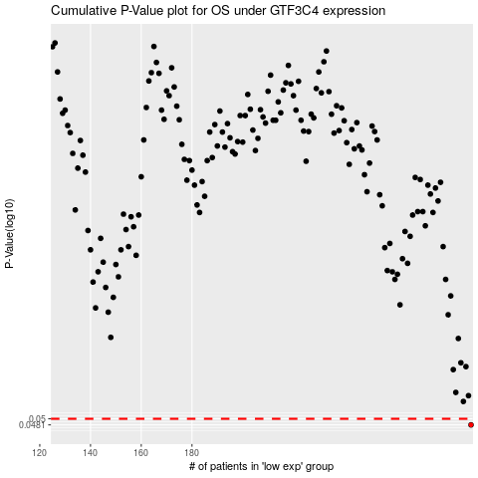

 |  |  |  |  |  | cases_OS | p_OS | rank | exp
 |  |  |  |  |  | 290 | 0.0481 | 3 | 0.38477524155
 |  |  |  |  |  |  | cases_RFS | p_RFS | rank | exp
 |  |  |  |  |  |  | 289 | 0.0481 | 15 | 0.37227892585

