GTF3C5 _multivariate
Reported by Tex Li-Hsing Chi. tex@gate.sinica.edu.tw 2019-08-19

Table 2. The clinicopathological features of HNSCC cohort and GTF3C5 expression. (Chi square test)
Cutoff at -0.542 (30.4%)
 |  | GTF3C5 expression |  | GTF3C5 expression |  | (Optimised)
 | Features | Low | (%) | High | (%) | Case no | P-value | Remark | Matthews
Gender | Female | 86 | 20.7 | 220 | 53 | 415 | 0.0838 | 0 | 0
2 | Male | 41 | 9.9 | 68 | 16.4
Age at diagnosis | <=65y | 83 | 20 | 191 | 46 | 415 | 0.9372 | 0 | 0
4 | >65y | 44 | 10.6 | 97 | 23.4
Clinical T Status | T1+T2 | 46 | 11.1 | 103 | 24.8 | 415 | 1 | 0 | 0
6 | T3+T4 | 81 | 19.5 | 185 | 44.6
Clinical N Status | N0 | 69 | 16.6 | 147 | 35.4 | 415 | 0.609 | 0 | 0
8 | N1-3 | 58 | 14 | 141 | 34
Clinical M Status | M0 | 127 | 30.6 | 285 | 68.7 | 415 | 0.5562 | 0 | 0
10 | M1 | 0 | 0 | 3 | 0.7
Clinical Stage | Stage I+II | 34 | 8.2 | 68 | 16.4 | 415 | 0.5718 | 0 | 0
12 | Stage III+IV | 93 | 22.4 | 220 | 53
Surgical Margin status | Negative | 99 | 23.9 | 219 | 52.8 | 415 | 0.7074 | 0 | 0
14 | Positive | 28 | 6.7 | 69 | 16.6
Tobacco Exposure | Low | 60 | 14.5 | 101 | 24.3 | 415 | 0.0218 | 1 | 0
16 | High | 67 | 16.1 | 187 | 45.1

Table 3. Univariate/Multivariate Cox's proportional hazards regression analyses on OS time of GTF3C5 gene expression in HNSCC

 |  | Univariate |  |  |  | Multivariate
 | Features | HR | CI95%(L) | CI95%(H) | P-value | HR | CI95%(L) | CI95%(H) | P-value
1 | Female | 1 |  |  |  | 1
Gender | Male | 1.157 | 0.843 | 1.587 | 0.367 | 1.21 | 0.863 | 1.696 | 0.27
11 | <=65y | 1 |  |  |  | 1
Age at diagnosis | >65y | 1.329 | 0.99 | 1.784 | 0.058 | 1.356 | 0.997 | 1.845 | 0.053
12 | T1+T2 | 1 |  |  |  | 1
Clinical T Status | T3+T4 | 1.409 | 1.028 | 1.931 | 0.033 | 2.255 | 1.191 | 4.269 | 0.013
13 | N0 | 1 |  |  |  | 1
Clinical N Status | N1-3 | 1.185 | 0.89 | 1.577 | 0.246 | 1.216 | 0.852 | 1.736 | 0.282
14 | M0 | 1 |  |  |  | 1
Clinical M Status | M1 | 4.097 | 1.009 | 16.644 | 0.049 | 8.71 | 1.897 | 40 | 0.005
15 | Stage I+II | 1 |  |  |  | 1
Clinical Stage | Stage III+IV | 1.245 | 0.882 | 1.759 | 0.213 | 0.494 | 0.23 | 1.063 | 0.071
16 | Negative | 1 |  |  |  | 1
Surgical Margin status | Positive | 1.591 | 1.155 | 2.191 | 0.004 | 1.629 | 1.178 | 2.253 | 0.003
17 | Low | 1 |  |  |  | 1
Tobacco Exposure | High | 1.364 | 1.008 | 1.844 | 0.044 | 1.404 | 1.017 | 1.938 | 0.039
18 | Low | 1 |  |  |  | 1
RNAseq(z-score) | High | 1.561 | 1.121 | 2.174 | 0.008 | 1.438 | 1.029 | 2.01 | 0.034

Table 4. Univariate/Multivariate Cox's proportional hazards regression analyses on RFS time of GTF3C5 gene expression in HNSCC

 |  | Univariate |  |  |  | Multivariate
 | Features | HR | CI95%(L) | CI95%(H) | P-value | HR | CI95%(L) | CI95%(H) | P-value
1 | Female | 1 |  |  |  | 1
Gender | Male | 1.157 | 0.843 | 1.587 | 0.367 | 1.21 | 0.863 | 1.696 | 0.27
11 | <=65y | 1 |  |  |  | 1
Age at diagnosis | >65y | 1.329 | 0.99 | 1.784 | 0.058 | 1.356 | 0.997 | 1.845 | 0.053
12 | T1+T2 | 1 |  |  |  | 1
Clinical T Status | T3+T4 | 1.409 | 1.028 | 1.931 | 0.033 | 2.255 | 1.191 | 4.269 | 0.013
13 | N0 | 1 |  |  |  | 1
Clinical N Status | N1-3 | 1.185 | 0.89 | 1.577 | 0.246 | 1.216 | 0.852 | 1.736 | 0.282
14 | M0 | 1 |  |  |  | 1
Clinical M Status | M1 | 4.097 | 1.009 | 16.644 | 0.049 | 8.71 | 1.897 | 40 | 0.005
15 | Stage I+II | 1 |  |  |  | 1
Clinical Stage | Stage III+IV | 1.245 | 0.882 | 1.759 | 0.213 | 0.494 | 0.23 | 1.063 | 0.071
16 | Negative | 1 |  |  |  | 1
Surgical Margin status | Positive | 1.591 | 1.155 | 2.191 | 0.004 | 1.629 | 1.178 | 2.253 | 0.003
17 | Low | 1 |  |  |  | 1
Tobacco Exposure | High | 1.364 | 1.008 | 1.844 | 0.044 | 1.404 | 1.017 | 1.938 | 0.039
18 | Low | 1 |  |  |  | 1
RNAseq(z-score) | High | 1.561 | 1.121 | 2.174 | 0.008 | 1.438 | 1.029 | 2.01 | 0.034

Kaplan-Meier survival estimate: Cutoff at -0.542 (30.4%)

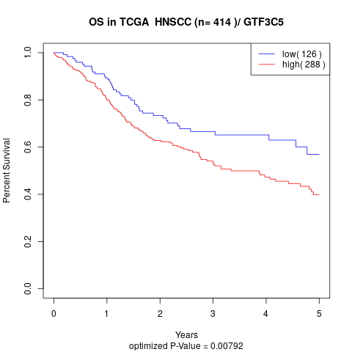

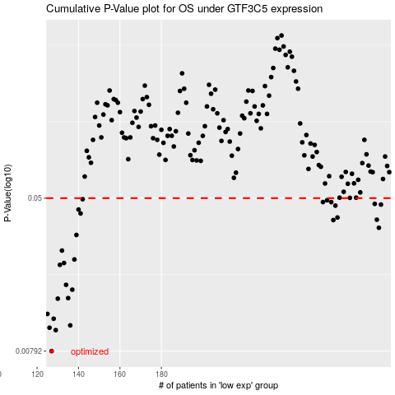

 |  |  |  |  |  | cases_OS | p_OS | rank | exp
 |  |  |  |  |  | 127 | 0.00792 | 199 | -0.54178884921
 |  |  |  |  |  | 129 | 0.0102 | 2 | -0.53958137927
 |  |  |  |  |  | 126 | 0.0105 | 189 | -0.5433159362
 |  |  |  |  |  | 136 | 0.0108 | 250 | -0.51340232387
 |  |  |  |  |  | 128 | 0.0117 | 353 | -0.54139439696
 |  |  |  |  |  | 125 | 0.0124 | 341 | -0.54685444659
 |  |  |  |  |  | 130 | 0.0149 | 274 | -0.53732755174
 |  |  |  |  |  | 135 | 0.015 | 321 | -0.52169749909
 |  |  |  |  |  | 137 | 0.0166 | 213 | -0.50825486349
 |  |  |  |  |  | 134 | 0.0176 | 96 | -0.52363059824
 |  |  |  |  |  | 131 | 0.0224 | 142 | -0.53526257531
 |  |  |  |  |  | 133 | 0.0229 | 127 | -0.52595661619
 |  |  |  |  |  | 138 | 0.0239 | 54 | -0.50297552583
 |  |  |  |  |  | 132 | 0.0266 | 382 | -0.52897835166
 |  |  |  |  |  | 139 | 0.0321 | 88 | -0.50229396329
 |  |  |  |  |  | 285 | 0.035 | 284 | 0.17074515125
 |  |  |  |  |  | 263 | 0.0384 | 118 | 0.0085845788118
 |  |  |  |  |  | 284 | 0.0386 | 374 | 0.1697531227
 |  |  |  |  |  | 265 | 0.0396 | 236 | 0.018278148615
 |  |  |  |  |  | 141 | 0.0416 | 251 | -0.49901366342
 |  |  |  |  |  | 140 | 0.0436 | 304 | -0.49965535609
 |  |  |  |  |  | 264 | 0.0457 | 351 | 0.008798437047
 |  |  |  |  |  | 286 | 0.0463 | 68 | 0.18047269302
 |  |  |  |  |  | 283 | 0.0467 | 47 | 0.15487552547
 |  |  |  |  |  | 262 | 0.0477 | 83 | 0.0065820022761
 |  |  |  |  |  | 258 | 0.0477 | 260 | -0.016515276917
 |  |  |  |  |  | 260 | 0.0488 | 67 | -0.012712422176
 |  |  |  |  |  | 142 | 0.0494 | 52 | -0.49817368301
 |  |  |  |  |  |  | cases_RFS | p_RFS | rank | exp
 |  |  |  |  |  |  | 126 | 0.00792 | 189 | -0.5433159362
 |  |  |  |  |  |  | 128 | 0.0102 | 353 | -0.54139439696
 |  |  |  |  |  |  | 125 | 0.0105 | 341 | -0.54685444659
 |  |  |  |  |  |  | 135 | 0.0108 | 321 | -0.52169749909
 |  |  |  |  |  |  | 127 | 0.0117 | 199 | -0.54178884921
 |  |  |  |  |  |  |  | 0.0124 | 404 | -0.55126254491
 |  |  |  |  |  |  | 129 | 0.0149 | 2 | -0.53958137927
 |  |  |  |  |  |  | 134 | 0.015 | 96 | -0.52363059824
 |  |  |  |  |  |  | 136 | 0.0166 | 250 | -0.51340232387
 |  |  |  |  |  |  | 133 | 0.0176 | 127 | -0.52595661619
 |  |  |  |  |  |  | 130 | 0.0224 | 274 | -0.53732755174
 |  |  |  |  |  |  | 132 | 0.0229 | 382 | -0.52897835166
 |  |  |  |  |  |  | 137 | 0.0239 | 213 | -0.50825486349
 |  |  |  |  |  |  | 131 | 0.0266 | 142 | -0.53526257531
 |  |  |  |  |  |  | 138 | 0.0321 | 54 | -0.50297552583
 |  |  |  |  |  |  | 284 | 0.035 | 374 | 0.1697531227
 |  |  |  |  |  |  | 262 | 0.0384 | 83 | 0.0065820022761
 |  |  |  |  |  |  | 283 | 0.0386 | 47 | 0.15487552547
 |  |  |  |  |  |  | 264 | 0.0396 | 351 | 0.008798437047
 |  |  |  |  |  |  | 140 | 0.0416 | 304 | -0.49965535609
 |  |  |  |  |  |  | 139 | 0.0436 | 88 | -0.50229396329
 |  |  |  |  |  |  | 263 | 0.0457 | 118 | 0.0085845788118
 |  |  |  |  |  |  | 285 | 0.0463 | 284 | 0.17074515125
 |  |  |  |  |  |  | 282 | 0.0467 | 403 | 0.14726698499
 |  |  |  |  |  |  | 261 | 0.0477 | 111 | -0.0096739366384
 |  |  |  |  |  |  | 257 | 0.0477 | 232 | -0.01925426656
 |  |  |  |  |  |  | 259 | 0.0488 | 164 | -0.013076323255
 |  |  |  |  |  |  | 141 | 0.0494 | 251 | -0.49901366342

