GTF3C6 _multivariate
Reported by Tex Li-Hsing Chi. tex@gate.sinica.edu.tw 2019-08-19

Table 2. The clinicopathological features of HNSCC cohort and GTF3C6 expression. (Chi square test)
Cutoff at -0.224 (50.0%)
 |  | GTF3C6 expression |  | GTF3C6 expression |  | (Optimised)
 | Features | Low | (%) | High | (%) | Case no | P-value | Remark | Matthews
Gender | Female | 161 | 38.8 | 145 | 34.9 | 415 | 0.0792 | 0 | 0
2 | Male | 46 | 11.1 | 63 | 15.2
Age at diagnosis | <=65y | 140 | 33.7 | 134 | 32.3 | 415 | 0.5574 | 0 | 0
4 | >65y | 67 | 16.1 | 74 | 17.8
Clinical T Status | T1+T2 | 67 | 16.1 | 82 | 19.8 | 415 | 0.1628 | 0 | 0
6 | T3+T4 | 140 | 33.7 | 126 | 30.4
Clinical N Status | N0 | 106 | 25.5 | 110 | 26.5 | 415 | 0.8075 | 0 | 0
8 | N1-3 | 101 | 24.3 | 98 | 23.6
Clinical M Status | M0 | 206 | 49.6 | 206 | 49.6 | 415 | 1 | 0 | 0
10 | M1 | 1 | 0.2 | 2 | 0.5
Clinical Stage | Stage I+II | 46 | 11.1 | 56 | 13.5 | 415 | 0.3182 | 0 | 0
12 | Stage III+IV | 161 | 38.8 | 152 | 36.6
Surgical Margin status | Negative | 166 | 40 | 152 | 36.6 | 415 | 0.1042 | 0 | 0
14 | Positive | 41 | 9.9 | 56 | 13.5
Tobacco Exposure | Low | 67 | 16.1 | 94 | 22.7 | 415 | 0.0088 | 1 | 0
16 | High | 140 | 33.7 | 114 | 27.5

Table 3. Univariate/Multivariate Cox's proportional hazards regression analyses on OS time of GTF3C6 gene expression in HNSCC

 |  | Univariate |  |  |  | Multivariate
 | Features | HR | CI95%(L) | CI95%(H) | P-value | HR | CI95%(L) | CI95%(H) | P-value
1 | Female | 1 |  |  |  | 1
Gender | Male | 1.157 | 0.843 | 1.587 | 0.367 | 1.232 | 0.88 | 1.725 | 0.225
11 | <=65y | 1 |  |  |  | 1
Age at diagnosis | >65y | 1.329 | 0.99 | 1.784 | 0.058 | 1.41 | 1.036 | 1.918 | 0.029
12 | T1+T2 | 1 |  |  |  | 1
Clinical T Status | T3+T4 | 1.409 | 1.028 | 1.931 | 0.033 | 2.154 | 1.138 | 4.074 | 0.018
13 | N0 | 1 |  |  |  | 1
Clinical N Status | N1-3 | 1.185 | 0.89 | 1.577 | 0.246 | 1.256 | 0.88 | 1.793 | 0.21
14 | M0 | 1 |  |  |  | 1
Clinical M Status | M1 | 4.097 | 1.009 | 16.644 | 0.049 | 9.948 | 2.166 | 45.684 | 0.003
15 | Stage I+II | 1 |  |  |  | 1
Clinical Stage | Stage III+IV | 1.245 | 0.882 | 1.759 | 0.213 | 0.5 | 0.233 | 1.074 | 0.075
16 | Negative | 1 |  |  |  | 1
Surgical Margin status | Positive | 1.591 | 1.155 | 2.191 | 0.004 | 1.709 | 1.235 | 2.365 | 0.001
17 | Low | 1 |  |  |  | 1
Tobacco Exposure | High | 1.364 | 1.008 | 1.844 | 0.044 | 1.451 | 1.053 | 2 | 0.023
18 | Low | 1 |  |  |  | 1
RNAseq(z-score) | High | 0.852 | 0.636 | 1.139 | 0.279 | 0.809 | 0.6 | 1.09 | 0.164

Table 4. Univariate/Multivariate Cox's proportional hazards regression analyses on RFS time of GTF3C6 gene expression in HNSCC

 |  | Univariate |  |  |  | Multivariate
 | Features | HR | CI95%(L) | CI95%(H) | P-value | HR | CI95%(L) | CI95%(H) | P-value
1 | Female | 1 |  |  |  | 1
Gender | Male | 1.157 | 0.843 | 1.587 | 0.367 | 1.232 | 0.88 | 1.725 | 0.225
11 | <=65y | 1 |  |  |  | 1
Age at diagnosis | >65y | 1.329 | 0.99 | 1.784 | 0.058 | 1.41 | 1.036 | 1.918 | 0.029
12 | T1+T2 | 1 |  |  |  | 1
Clinical T Status | T3+T4 | 1.409 | 1.028 | 1.931 | 0.033 | 2.154 | 1.138 | 4.074 | 0.018
13 | N0 | 1 |  |  |  | 1
Clinical N Status | N1-3 | 1.185 | 0.89 | 1.577 | 0.246 | 1.256 | 0.88 | 1.793 | 0.21
14 | M0 | 1 |  |  |  | 1
Clinical M Status | M1 | 4.097 | 1.009 | 16.644 | 0.049 | 9.948 | 2.166 | 45.684 | 0.003
15 | Stage I+II | 1 |  |  |  | 1
Clinical Stage | Stage III+IV | 1.245 | 0.882 | 1.759 | 0.213 | 0.5 | 0.233 | 1.074 | 0.075
16 | Negative | 1 |  |  |  | 1
Surgical Margin status | Positive | 1.591 | 1.155 | 2.191 | 0.004 | 1.709 | 1.235 | 2.365 | 0.001
17 | Low | 1 |  |  |  | 1
Tobacco Exposure | High | 1.364 | 1.008 | 1.844 | 0.044 | 1.451 | 1.053 | 2 | 0.023
18 | Low | 1 |  |  |  | 1
RNAseq(z-score) | High | 0.852 | 0.636 | 1.139 | 0.279 | 0.809 | 0.6 | 1.09 | 0.164

Kaplan-Meier survival estimate: Cutoff at -0.224 (50.0%)



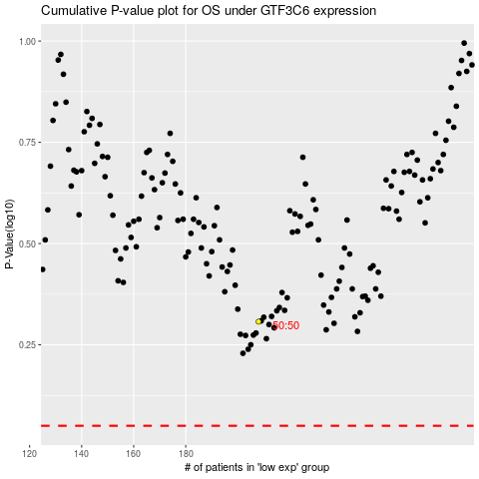

 |  |  |  |  |  | cases_OS | p_OS | rank | exp
 |  |  |  |  |  |  | cases_RFS | p_RFS | rank | exp

