GTPBP1 _multivariate
Reported by Tex Li-Hsing Chi. tex@gate.sinica.edu.tw 2019-08-19

Table 2. The clinicopathological features of HNSCC cohort and GTPBP1 expression. (Chi square test)
Cutoff at -0.156 (49.8%)
 |  | GTPBP1 expression |  | GTPBP1 expression |  | (Optimised)
 | Features | Low | (%) | High | (%) | Case no | P-value | Remark | Matthews
Gender | Female | 149 | 35.9 | 157 | 37.8 | 415 | 0.4848 | 0 | 0
2 | Male | 58 | 14 | 51 | 12.3
Age at diagnosis | <=65y | 139 | 33.5 | 135 | 32.5 | 415 | 0.7044 | 0 | 0
4 | >65y | 68 | 16.4 | 73 | 17.6
Clinical T Status | T1+T2 | 82 | 19.8 | 67 | 16.1 | 415 | 0.1417 | 0 | 0
6 | T3+T4 | 125 | 30.1 | 141 | 34
Clinical N Status | N0 | 118 | 28.4 | 98 | 23.6 | 415 | 0.0551 | 1 | 0
8 | N1-3 | 89 | 21.4 | 110 | 26.5
Clinical M Status | M0 | 206 | 49.6 | 206 | 49.6 | 415 | 1 | 0 | 0
10 | M1 | 1 | 0.2 | 2 | 0.5
Clinical Stage | Stage I+II | 65 | 15.7 | 37 | 8.9 | 415 | 0.0019 | 1 | 0
12 | Stage III+IV | 142 | 34.2 | 171 | 41.2
Surgical Margin status | Negative | 164 | 39.5 | 154 | 37.1 | 415 | 0.2462 | 0 | 0
14 | Positive | 43 | 10.4 | 54 | 13
Tobacco Exposure | Low | 85 | 20.5 | 76 | 18.3 | 415 | 0.3655 | 0 | 0
16 | High | 122 | 29.4 | 132 | 31.8

Table 3. Univariate/Multivariate Cox's proportional hazards regression analyses on OS time of GTPBP1 gene expression in HNSCC

 |  | Univariate |  |  |  | Multivariate
 | Features | HR | CI95%(L) | CI95%(H) | P-value | HR | CI95%(L) | CI95%(H) | P-value
1 | Female | 1 |  |  |  | 1
Gender | Male | 1.157 | 0.843 | 1.587 | 0.367 | 1.221 | 0.873 | 1.708 | 0.242
11 | <=65y | 1 |  |  |  | 1
Age at diagnosis | >65y | 1.329 | 0.99 | 1.784 | 0.058 | 1.394 | 1.025 | 1.897 | 0.034
12 | T1+T2 | 1 |  |  |  | 1
Clinical T Status | T3+T4 | 1.409 | 1.028 | 1.931 | 0.033 | 2.256 | 1.191 | 4.276 | 0.013
13 | N0 | 1 |  |  |  | 1
Clinical N Status | N1-3 | 1.185 | 0.89 | 1.577 | 0.246 | 1.248 | 0.874 | 1.782 | 0.222
14 | M0 | 1 |  |  |  | 1
Clinical M Status | M1 | 4.097 | 1.009 | 16.644 | 0.049 | 9.298 | 2.027 | 42.659 | 0.004
15 | Stage I+II | 1 |  |  |  | 1
Clinical Stage | Stage III+IV | 1.245 | 0.882 | 1.759 | 0.213 | 0.48 | 0.222 | 1.037 | 0.062
16 | Negative | 1 |  |  |  | 1
Surgical Margin status | Positive | 1.591 | 1.155 | 2.191 | 0.004 | 1.667 | 1.206 | 2.305 | 0.002
17 | Low | 1 |  |  |  | 1
Tobacco Exposure | High | 1.364 | 1.008 | 1.844 | 0.044 | 1.464 | 1.061 | 2.02 | 0.02
18 | Low | 1 |  |  |  | 1
RNAseq(z-score) | High | 1.163 | 0.871 | 1.552 | 0.305 | 1.163 | 0.866 | 1.562 | 0.316

Table 4. Univariate/Multivariate Cox's proportional hazards regression analyses on RFS time of GTPBP1 gene expression in HNSCC

 |  | Univariate |  |  |  | Multivariate
 | Features | HR | CI95%(L) | CI95%(H) | P-value | HR | CI95%(L) | CI95%(H) | P-value
1 | Female | 1 |  |  |  | 1
Gender | Male | 1.157 | 0.843 | 1.587 | 0.367 | 1.221 | 0.873 | 1.708 | 0.242
11 | <=65y | 1 |  |  |  | 1
Age at diagnosis | >65y | 1.329 | 0.99 | 1.784 | 0.058 | 1.394 | 1.025 | 1.897 | 0.034
12 | T1+T2 | 1 |  |  |  | 1
Clinical T Status | T3+T4 | 1.409 | 1.028 | 1.931 | 0.033 | 2.256 | 1.191 | 4.276 | 0.013
13 | N0 | 1 |  |  |  | 1
Clinical N Status | N1-3 | 1.185 | 0.89 | 1.577 | 0.246 | 1.248 | 0.874 | 1.782 | 0.222
14 | M0 | 1 |  |  |  | 1
Clinical M Status | M1 | 4.097 | 1.009 | 16.644 | 0.049 | 9.298 | 2.027 | 42.659 | 0.004
15 | Stage I+II | 1 |  |  |  | 1
Clinical Stage | Stage III+IV | 1.245 | 0.882 | 1.759 | 0.213 | 0.48 | 0.222 | 1.037 | 0.062
16 | Negative | 1 |  |  |  | 1
Surgical Margin status | Positive | 1.591 | 1.155 | 2.191 | 0.004 | 1.667 | 1.206 | 2.305 | 0.002
17 | Low | 1 |  |  |  | 1
Tobacco Exposure | High | 1.364 | 1.008 | 1.844 | 0.044 | 1.464 | 1.061 | 2.02 | 0.02
18 | Low | 1 |  |  |  | 1
RNAseq(z-score) | High | 1.163 | 0.871 | 1.552 | 0.305 | 1.163 | 0.866 | 1.562 | 0.316

Kaplan-Meier survival estimate: Cutoff at -0.156 (49.8%)



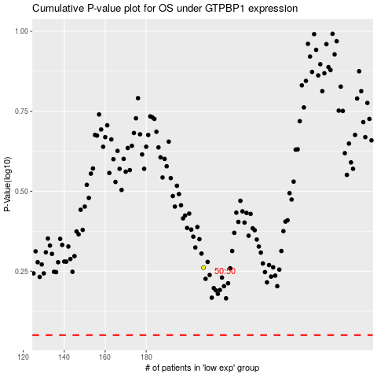

 |  |  |  |  |  | cases_OS | p_OS | rank | exp
 |  |  |  |  |  |  | cases_RFS | p_RFS | rank | exp

