GTPBP5 _multivariate
Reported by Tex Li-Hsing Chi. tex@gate.sinica.edu.tw 2019-08-19

Table 2. The clinicopathological features of HNSCC cohort and GTPBP5 expression. (Chi square test)
Cutoff at -0.164 (49.8%)
 |  | GTPBP5 expression |  | GTPBP5 expression |  | (Optimised)
 | Features | Low | (%) | High | (%) | Case no | P-value | Remark | Matthews
Gender | Female | 151 | 36.4 | 155 | 37.3 | 415 | 0.8007 | 0 | 0
2 | Male | 56 | 13.5 | 53 | 12.8
Age at diagnosis | <=65y | 122 | 29.4 | 152 | 36.6 | 415 | 0.0033 | 1 | 0
4 | >65y | 85 | 20.5 | 56 | 13.5
Clinical T Status | T1+T2 | 78 | 18.8 | 71 | 17.1 | 415 | 0.5152 | 0 | 0
6 | T3+T4 | 129 | 31.1 | 137 | 33
Clinical N Status | N0 | 113 | 27.2 | 103 | 24.8 | 415 | 0.3495 | 1 | 0
8 | N1-3 | 94 | 22.7 | 105 | 25.3
Clinical M Status | M0 | 206 | 49.6 | 206 | 49.6 | 415 | 1 | 0 | 0
10 | M1 | 1 | 0.2 | 2 | 0.5
Clinical Stage | Stage I+II | 57 | 13.7 | 45 | 10.8 | 415 | 0.1998 | 0 | 0
12 | Stage III+IV | 150 | 36.1 | 163 | 39.3
Surgical Margin status | Negative | 155 | 37.3 | 163 | 39.3 | 415 | 0.4187 | 0 | 0
14 | Positive | 52 | 12.5 | 45 | 10.8
Tobacco Exposure | Low | 79 | 19 | 82 | 19.8 | 415 | 0.8405 | 0 | 0
16 | High | 128 | 30.8 | 126 | 30.4

Table 3. Univariate/Multivariate Cox's proportional hazards regression analyses on OS time of GTPBP5 gene expression in HNSCC

 |  | Univariate |  |  |  | Multivariate
 | Features | HR | CI95%(L) | CI95%(H) | P-value | HR | CI95%(L) | CI95%(H) | P-value
1 | Female | 1 |  |  |  | 1
Gender | Male | 1.157 | 0.843 | 1.587 | 0.367 | 1.198 | 0.858 | 1.673 | 0.289
11 | <=65y | 1 |  |  |  | 1
Age at diagnosis | >65y | 1.329 | 0.99 | 1.784 | 0.058 | 1.368 | 1.004 | 1.865 | 0.047
12 | T1+T2 | 1 |  |  |  | 1
Clinical T Status | T3+T4 | 1.409 | 1.028 | 1.931 | 0.033 | 2.202 | 1.165 | 4.165 | 0.015
13 | N0 | 1 |  |  |  | 1
Clinical N Status | N1-3 | 1.185 | 0.89 | 1.577 | 0.246 | 1.246 | 0.873 | 1.778 | 0.225
14 | M0 | 1 |  |  |  | 1
Clinical M Status | M1 | 4.097 | 1.009 | 16.644 | 0.049 | 9.673 | 2.107 | 44.405 | 0.004
15 | Stage I+II | 1 |  |  |  | 1
Clinical Stage | Stage III+IV | 1.245 | 0.882 | 1.759 | 0.213 | 0.51 | 0.238 | 1.096 | 0.085
16 | Negative | 1 |  |  |  | 1
Surgical Margin status | Positive | 1.591 | 1.155 | 2.191 | 0.004 | 1.665 | 1.205 | 2.301 | 0.002
17 | Low | 1 |  |  |  | 1
Tobacco Exposure | High | 1.364 | 1.008 | 1.844 | 0.044 | 1.431 | 1.037 | 1.974 | 0.029
18 | Low | 1 |  |  |  | 1
RNAseq(z-score) | High | 0.848 | 0.636 | 1.132 | 0.264 | 0.886 | 0.661 | 1.19 | 0.422

Table 4. Univariate/Multivariate Cox's proportional hazards regression analyses on RFS time of GTPBP5 gene expression in HNSCC

 |  | Univariate |  |  |  | Multivariate
 | Features | HR | CI95%(L) | CI95%(H) | P-value | HR | CI95%(L) | CI95%(H) | P-value
1 | Female | 1 |  |  |  | 1
Gender | Male | 1.157 | 0.843 | 1.587 | 0.367 | 1.198 | 0.858 | 1.673 | 0.289
11 | <=65y | 1 |  |  |  | 1
Age at diagnosis | >65y | 1.329 | 0.99 | 1.784 | 0.058 | 1.368 | 1.004 | 1.865 | 0.047
12 | T1+T2 | 1 |  |  |  | 1
Clinical T Status | T3+T4 | 1.409 | 1.028 | 1.931 | 0.033 | 2.202 | 1.165 | 4.165 | 0.015
13 | N0 | 1 |  |  |  | 1
Clinical N Status | N1-3 | 1.185 | 0.89 | 1.577 | 0.246 | 1.246 | 0.873 | 1.778 | 0.225
14 | M0 | 1 |  |  |  | 1
Clinical M Status | M1 | 4.097 | 1.009 | 16.644 | 0.049 | 9.673 | 2.107 | 44.405 | 0.004
15 | Stage I+II | 1 |  |  |  | 1
Clinical Stage | Stage III+IV | 1.245 | 0.882 | 1.759 | 0.213 | 0.51 | 0.238 | 1.096 | 0.085
16 | Negative | 1 |  |  |  | 1
Surgical Margin status | Positive | 1.591 | 1.155 | 2.191 | 0.004 | 1.665 | 1.205 | 2.301 | 0.002
17 | Low | 1 |  |  |  | 1
Tobacco Exposure | High | 1.364 | 1.008 | 1.844 | 0.044 | 1.431 | 1.037 | 1.974 | 0.029
18 | Low | 1 |  |  |  | 1
RNAseq(z-score) | High | 0.848 | 0.636 | 1.132 | 0.264 | 0.886 | 0.661 | 1.19 | 0.422

Kaplan-Meier survival estimate: Cutoff at -0.164 (49.8%)



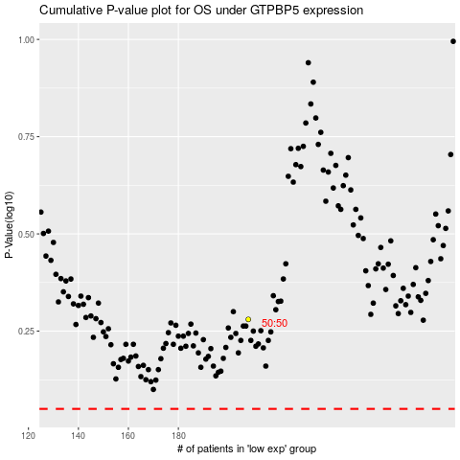

 |  |  |  |  |  | cases_OS | p_OS | rank | exp
 |  |  |  |  |  |  | cases_RFS | p_RFS | rank | exp

