GTPBP8 _multivariate
Reported by Tex Li-Hsing Chi. tex@gate.sinica.edu.tw 2019-08-19

Table 2. The clinicopathological features of HNSCC cohort and GTPBP8 expression. (Chi square test)
Cutoff at -0.325 (49.8%)
 |  | GTPBP8 expression |  | GTPBP8 expression |  | (Optimised)
 | Features | Low | (%) | High | (%) | Case no | P-value | Remark | Matthews
Gender | Female | 142 | 34.2 | 164 | 39.5 | 415 | 0.0238 | 1 | 0
2 | Male | 65 | 15.7 | 44 | 10.6
Age at diagnosis | <=65y | 138 | 33.3 | 136 | 32.8 | 415 | 0.8634 | 0 | 0
4 | >65y | 69 | 16.6 | 72 | 17.3
Clinical T Status | T1+T2 | 72 | 17.3 | 77 | 18.6 | 415 | 0.7095 | 0 | 0
6 | T3+T4 | 135 | 32.5 | 131 | 31.6
Clinical N Status | N0 | 108 | 26 | 108 | 26 | 415 | 1 | 0 | 0
8 | N1-3 | 99 | 23.9 | 100 | 24.1
Clinical M Status | M0 | 204 | 49.2 | 208 | 50.1 | 415 | 0.1232 | 0 | 0
10 | M1 | 3 | 0.7 | 0 | 0
Clinical Stage | Stage I+II | 53 | 12.8 | 49 | 11.8 | 415 | 0.7113 | 0 | 0
12 | Stage III+IV | 154 | 37.1 | 159 | 38.3
Surgical Margin status | Negative | 164 | 39.5 | 154 | 37.1 | 415 | 0.2462 | 0 | 0
14 | Positive | 43 | 10.4 | 54 | 13
Tobacco Exposure | Low | 86 | 20.7 | 75 | 18.1 | 415 | 0.2687 | 0 | 0
16 | High | 121 | 29.2 | 133 | 32

Table 3. Univariate/Multivariate Cox's proportional hazards regression analyses on OS time of GTPBP8 gene expression in HNSCC

 |  | Univariate |  |  |  | Multivariate
 | Features | HR | CI95%(L) | CI95%(H) | P-value | HR | CI95%(L) | CI95%(H) | P-value
1 | Female | 1 |  |  |  | 1
Gender | Male | 1.157 | 0.843 | 1.587 | 0.367 | 1.18 | 0.842 | 1.655 | 0.337
11 | <=65y | 1 |  |  |  | 1
Age at diagnosis | >65y | 1.329 | 0.99 | 1.784 | 0.058 | 1.413 | 1.036 | 1.926 | 0.029
12 | T1+T2 | 1 |  |  |  | 1
Clinical T Status | T3+T4 | 1.409 | 1.028 | 1.931 | 0.033 | 2.157 | 1.138 | 4.087 | 0.018
13 | N0 | 1 |  |  |  | 1
Clinical N Status | N1-3 | 1.185 | 0.89 | 1.577 | 0.246 | 1.245 | 0.873 | 1.776 | 0.227
14 | M0 | 1 |  |  |  | 1
Clinical M Status | M1 | 4.097 | 1.009 | 16.644 | 0.049 | 8.704 | 1.873 | 40.454 | 0.006
15 | Stage I+II | 1 |  |  |  | 1
Clinical Stage | Stage III+IV | 1.245 | 0.882 | 1.759 | 0.213 | 0.516 | 0.24 | 1.111 | 0.091
16 | Negative | 1 |  |  |  | 1
Surgical Margin status | Positive | 1.591 | 1.155 | 2.191 | 0.004 | 1.669 | 1.208 | 2.306 | 0.002
17 | Low | 1 |  |  |  | 1
Tobacco Exposure | High | 1.364 | 1.008 | 1.844 | 0.044 | 1.466 | 1.063 | 2.023 | 0.02
18 | Low | 1 |  |  |  | 1
RNAseq(z-score) | High | 0.898 | 0.674 | 1.196 | 0.461 | 0.897 | 0.667 | 1.206 | 0.471

Table 4. Univariate/Multivariate Cox's proportional hazards regression analyses on RFS time of GTPBP8 gene expression in HNSCC

 |  | Univariate |  |  |  | Multivariate
 | Features | HR | CI95%(L) | CI95%(H) | P-value | HR | CI95%(L) | CI95%(H) | P-value
1 | Female | 1 |  |  |  | 1
Gender | Male | 1.157 | 0.843 | 1.587 | 0.367 | 1.18 | 0.842 | 1.655 | 0.337
11 | <=65y | 1 |  |  |  | 1
Age at diagnosis | >65y | 1.329 | 0.99 | 1.784 | 0.058 | 1.413 | 1.036 | 1.926 | 0.029
12 | T1+T2 | 1 |  |  |  | 1
Clinical T Status | T3+T4 | 1.409 | 1.028 | 1.931 | 0.033 | 2.157 | 1.138 | 4.087 | 0.018
13 | N0 | 1 |  |  |  | 1
Clinical N Status | N1-3 | 1.185 | 0.89 | 1.577 | 0.246 | 1.245 | 0.873 | 1.776 | 0.227
14 | M0 | 1 |  |  |  | 1
Clinical M Status | M1 | 4.097 | 1.009 | 16.644 | 0.049 | 8.704 | 1.873 | 40.454 | 0.006
15 | Stage I+II | 1 |  |  |  | 1
Clinical Stage | Stage III+IV | 1.245 | 0.882 | 1.759 | 0.213 | 0.516 | 0.24 | 1.111 | 0.091
16 | Negative | 1 |  |  |  | 1
Surgical Margin status | Positive | 1.591 | 1.155 | 2.191 | 0.004 | 1.669 | 1.208 | 2.306 | 0.002
17 | Low | 1 |  |  |  | 1
Tobacco Exposure | High | 1.364 | 1.008 | 1.844 | 0.044 | 1.466 | 1.063 | 2.023 | 0.02
18 | Low | 1 |  |  |  | 1
RNAseq(z-score) | High | 0.898 | 0.674 | 1.196 | 0.461 | 0.897 | 0.667 | 1.206 | 0.471

Kaplan-Meier survival estimate: Cutoff at -0.325 (49.8%)



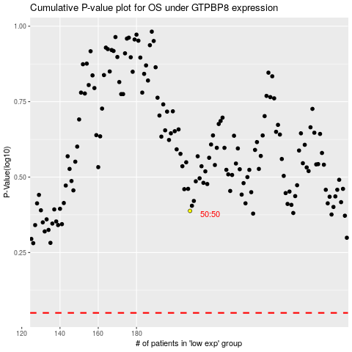

 |  |  |  |  |  | cases_OS | p_OS | rank | exp
 |  |  |  |  |  |  | cases_RFS | p_RFS | rank | exp

