GTSE1 _multivariate
Reported by Tex Li-Hsing Chi. tex@gate.sinica.edu.tw 2019-08-19

Table 2. The clinicopathological features of HNSCC cohort and GTSE1 expression. (Chi square test)
Cutoff at -0.402 (36.0%)
 |  | GTSE1 expression |  | GTSE1 expression |  | (Optimised)
 | Features | Low | (%) | High | (%) | Case no | P-value | Remark | Matthews
Gender | Female | 104 | 25.1 | 202 | 48.7 | 415 | 0.1565 | 0 | 0
2 | Male | 46 | 11.1 | 63 | 15.2
Age at diagnosis | <=65y | 96 | 23.1 | 178 | 42.9 | 415 | 0.5843 | 0 | 0
4 | >65y | 54 | 13 | 87 | 21
Clinical T Status | T1+T2 | 49 | 11.8 | 100 | 24.1 | 415 | 0.3536 | 0 | 0
6 | T3+T4 | 101 | 24.3 | 165 | 39.8
Clinical N Status | N0 | 87 | 21 | 129 | 31.1 | 415 | 0.0848 | 0 | 0
8 | N1-3 | 63 | 15.2 | 136 | 32.8
Clinical M Status | M0 | 150 | 36.1 | 262 | 63.1 | 415 | 0.5563 | 0 | 0
10 | M1 | 0 | 0 | 3 | 0.7
Clinical Stage | Stage I+II | 38 | 9.2 | 64 | 15.4 | 415 | 0.8807 | 0 | 0
12 | Stage III+IV | 112 | 27 | 201 | 48.4
Surgical Margin status | Negative | 119 | 28.7 | 199 | 48 | 415 | 0.3375 | 0 | 0
14 | Positive | 31 | 7.5 | 66 | 15.9
Tobacco Exposure | Low | 70 | 16.9 | 91 | 21.9 | 415 | 0.0158 | 1 | 0
16 | High | 80 | 19.3 | 174 | 41.9

Table 3. Univariate/Multivariate Cox's proportional hazards regression analyses on OS time of GTSE1 gene expression in HNSCC

 |  | Univariate |  |  |  | Multivariate
 | Features | HR | CI95%(L) | CI95%(H) | P-value | HR | CI95%(L) | CI95%(H) | P-value
1 | Female | 1 |  |  |  | 1
Gender | Male | 1.157 | 0.843 | 1.587 | 0.367 | 1.245 | 0.889 | 1.743 | 0.203
11 | <=65y | 1 |  |  |  | 1
Age at diagnosis | >65y | 1.329 | 0.99 | 1.784 | 0.058 | 1.375 | 1.011 | 1.87 | 0.042
12 | T1+T2 | 1 |  |  |  | 1
Clinical T Status | T3+T4 | 1.409 | 1.028 | 1.931 | 0.033 | 2.336 | 1.233 | 4.427 | 0.009
13 | N0 | 1 |  |  |  | 1
Clinical N Status | N1-3 | 1.185 | 0.89 | 1.577 | 0.246 | 1.234 | 0.865 | 1.762 | 0.246
14 | M0 | 1 |  |  |  | 1
Clinical M Status | M1 | 4.097 | 1.009 | 16.644 | 0.049 | 8.93 | 1.946 | 40.983 | 0.005
15 | Stage I+II | 1 |  |  |  | 1
Clinical Stage | Stage III+IV | 1.245 | 0.882 | 1.759 | 0.213 | 0.484 | 0.225 | 1.041 | 0.063
16 | Negative | 1 |  |  |  | 1
Surgical Margin status | Positive | 1.591 | 1.155 | 2.191 | 0.004 | 1.688 | 1.22 | 2.334 | 0.002
17 | Low | 1 |  |  |  | 1
Tobacco Exposure | High | 1.364 | 1.008 | 1.844 | 0.044 | 1.434 | 1.04 | 1.978 | 0.028
18 | Low | 1 |  |  |  | 1
RNAseq(z-score) | High | 1.377 | 1.01 | 1.876 | 0.043 | 1.419 | 1.035 | 1.946 | 0.03

Table 4. Univariate/Multivariate Cox's proportional hazards regression analyses on RFS time of GTSE1 gene expression in HNSCC

 |  | Univariate |  |  |  | Multivariate
 | Features | HR | CI95%(L) | CI95%(H) | P-value | HR | CI95%(L) | CI95%(H) | P-value
1 | Female | 1 |  |  |  | 1
Gender | Male | 1.157 | 0.843 | 1.587 | 0.367 | 1.245 | 0.889 | 1.743 | 0.203
11 | <=65y | 1 |  |  |  | 1
Age at diagnosis | >65y | 1.329 | 0.99 | 1.784 | 0.058 | 1.375 | 1.011 | 1.87 | 0.042
12 | T1+T2 | 1 |  |  |  | 1
Clinical T Status | T3+T4 | 1.409 | 1.028 | 1.931 | 0.033 | 2.336 | 1.233 | 4.427 | 0.009
13 | N0 | 1 |  |  |  | 1
Clinical N Status | N1-3 | 1.185 | 0.89 | 1.577 | 0.246 | 1.234 | 0.865 | 1.762 | 0.246
14 | M0 | 1 |  |  |  | 1
Clinical M Status | M1 | 4.097 | 1.009 | 16.644 | 0.049 | 8.93 | 1.946 | 40.983 | 0.005
15 | Stage I+II | 1 |  |  |  | 1
Clinical Stage | Stage III+IV | 1.245 | 0.882 | 1.759 | 0.213 | 0.484 | 0.225 | 1.041 | 0.063
16 | Negative | 1 |  |  |  | 1
Surgical Margin status | Positive | 1.591 | 1.155 | 2.191 | 0.004 | 1.688 | 1.22 | 2.334 | 0.002
17 | Low | 1 |  |  |  | 1
Tobacco Exposure | High | 1.364 | 1.008 | 1.844 | 0.044 | 1.434 | 1.04 | 1.978 | 0.028
18 | Low | 1 |  |  |  | 1
RNAseq(z-score) | High | 1.377 | 1.01 | 1.876 | 0.043 | 1.419 | 1.035 | 1.946 | 0.03

Kaplan-Meier survival estimate: Cutoff at -0.402 (36.0%)



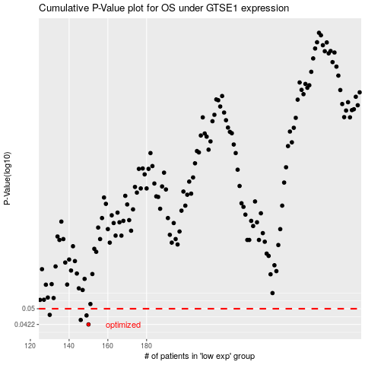

 |  |  |  |  |  | cases_OS | p_OS | rank | exp
 |  |  |  |  |  | 150 | 0.0422 | 107 | -0.40219363596
 |  |  |  |  |  | 146 | 0.0443 | 289 | -0.41694072935
 |  |  |  |  |  | 149 | 0.0465 | 147 | -0.40911467546
 |  |  |  |  |  | 130 | 0.0468 | 210 | -0.49607437502
 |  |  |  |  |  |  | cases_RFS | p_RFS | rank | exp
 |  |  |  |  |  |  | 149 | 0.0422 | 147 | -0.40911467546
 |  |  |  |  |  |  | 145 | 0.0443 | 272 | -0.41831648382
 |  |  |  |  |  |  | 148 | 0.0465 | 183 | -0.41602369783
 |  |  |  |  |  |  | 129 | 0.0468 | 286 | -0.49932977475

