GUCY1B2 _multivariate
Reported by Tex Li-Hsing Chi. tex@gate.sinica.edu.tw 2019-08-19

Table 2. The clinicopathological features of HNSCC cohort and GUCY1B2 expression. (Chi square test)
Cutoff at -0.319 (49.8%)
 |  | GUCY1B2 expression |  | GUCY1B2 expression |  | (Optimised)
 | Features | Low | (%) | High | (%) | Case no | P-value | Remark | Matthews
Gender | Female | 149 | 35.9 | 157 | 37.8 | 415 | 0.4848 | 0 | 0
2 | Male | 58 | 14 | 51 | 12.3
Age at diagnosis | <=65y | 145 | 34.9 | 129 | 31.1 | 415 | 0.1046 | 0 | 0
4 | >65y | 62 | 14.9 | 79 | 19
Clinical T Status | T1+T2 | 74 | 17.8 | 75 | 18.1 | 415 | 1 | 0 | 0
6 | T3+T4 | 133 | 32 | 133 | 32
Clinical N Status | N0 | 107 | 25.8 | 109 | 26.3 | 415 | 0.9624 | 0 | 0
8 | N1-3 | 100 | 24.1 | 99 | 23.9
Clinical M Status | M0 | 206 | 49.6 | 206 | 49.6 | 415 | 1 | 0 | 0
10 | M1 | 1 | 0.2 | 2 | 0.5
Clinical Stage | Stage I+II | 51 | 12.3 | 51 | 12.3 | 415 | 1 | 0 | 0
12 | Stage III+IV | 156 | 37.6 | 157 | 37.8
Surgical Margin status | Negative | 160 | 38.6 | 158 | 38.1 | 415 | 0.8167 | 0 | 0
14 | Positive | 47 | 11.3 | 50 | 12
Tobacco Exposure | Low | 86 | 20.7 | 75 | 18.1 | 415 | 0.2687 | 0 | 0
16 | High | 121 | 29.2 | 133 | 32

Table 3. Univariate/Multivariate Cox's proportional hazards regression analyses on OS time of GUCY1B2 gene expression in HNSCC

 |  | Univariate |  |  |  | Multivariate
 | Features | HR | CI95%(L) | CI95%(H) | P-value | HR | CI95%(L) | CI95%(H) | P-value
1 | Female | 1 |  |  |  | 1
Gender | Male | 1.157 | 0.843 | 1.587 | 0.367 | 1.211 | 0.866 | 1.692 | 0.263
11 | <=65y | 1 |  |  |  | 1
Age at diagnosis | >65y | 1.329 | 0.99 | 1.784 | 0.058 | 1.356 | 0.994 | 1.848 | 0.054
12 | T1+T2 | 1 |  |  |  | 1
Clinical T Status | T3+T4 | 1.409 | 1.028 | 1.931 | 0.033 | 2.189 | 1.157 | 4.14 | 0.016
13 | N0 | 1 |  |  |  | 1
Clinical N Status | N1-3 | 1.185 | 0.89 | 1.577 | 0.246 | 1.229 | 0.861 | 1.755 | 0.256
14 | M0 | 1 |  |  |  | 1
Clinical M Status | M1 | 4.097 | 1.009 | 16.644 | 0.049 | 9.247 | 2.017 | 42.392 | 0.004
15 | Stage I+II | 1 |  |  |  | 1
Clinical Stage | Stage III+IV | 1.245 | 0.882 | 1.759 | 0.213 | 0.507 | 0.236 | 1.088 | 0.081
16 | Negative | 1 |  |  |  | 1
Surgical Margin status | Positive | 1.591 | 1.155 | 2.191 | 0.004 | 1.666 | 1.205 | 2.302 | 0.002
17 | Low | 1 |  |  |  | 1
Tobacco Exposure | High | 1.364 | 1.008 | 1.844 | 0.044 | 1.43 | 1.037 | 1.972 | 0.029
18 | Low | 1 |  |  |  | 1
RNAseq(z-score) | High | 1.306 | 0.979 | 1.743 | 0.07 | 1.218 | 0.91 | 1.631 | 0.185

Table 4. Univariate/Multivariate Cox's proportional hazards regression analyses on RFS time of GUCY1B2 gene expression in HNSCC

 |  | Univariate |  |  |  | Multivariate
 | Features | HR | CI95%(L) | CI95%(H) | P-value | HR | CI95%(L) | CI95%(H) | P-value
1 | Female | 1 |  |  |  | 1
Gender | Male | 1.157 | 0.843 | 1.587 | 0.367 | 1.211 | 0.866 | 1.692 | 0.263
11 | <=65y | 1 |  |  |  | 1
Age at diagnosis | >65y | 1.329 | 0.99 | 1.784 | 0.058 | 1.356 | 0.994 | 1.848 | 0.054
12 | T1+T2 | 1 |  |  |  | 1
Clinical T Status | T3+T4 | 1.409 | 1.028 | 1.931 | 0.033 | 2.189 | 1.157 | 4.14 | 0.016
13 | N0 | 1 |  |  |  | 1
Clinical N Status | N1-3 | 1.185 | 0.89 | 1.577 | 0.246 | 1.229 | 0.861 | 1.755 | 0.256
14 | M0 | 1 |  |  |  | 1
Clinical M Status | M1 | 4.097 | 1.009 | 16.644 | 0.049 | 9.247 | 2.017 | 42.392 | 0.004
15 | Stage I+II | 1 |  |  |  | 1
Clinical Stage | Stage III+IV | 1.245 | 0.882 | 1.759 | 0.213 | 0.507 | 0.236 | 1.088 | 0.081
16 | Negative | 1 |  |  |  | 1
Surgical Margin status | Positive | 1.591 | 1.155 | 2.191 | 0.004 | 1.666 | 1.205 | 2.302 | 0.002
17 | Low | 1 |  |  |  | 1
Tobacco Exposure | High | 1.364 | 1.008 | 1.844 | 0.044 | 1.43 | 1.037 | 1.972 | 0.029
18 | Low | 1 |  |  |  | 1
RNAseq(z-score) | High | 1.306 | 0.979 | 1.743 | 0.07 | 1.218 | 0.91 | 1.631 | 0.185

Kaplan-Meier survival estimate: Cutoff at -0.319 (49.8%)

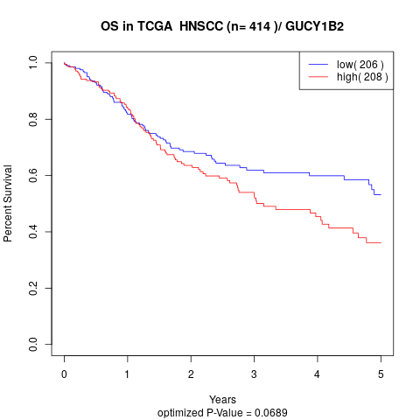

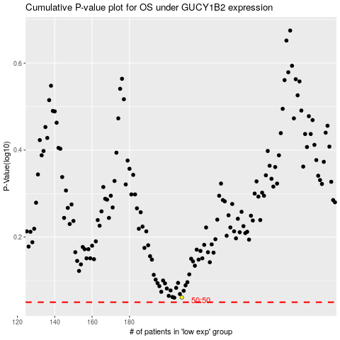

 |  |  |  |  |  | cases_OS | p_OS | rank | exp
 |  |  |  |  |  |  | cases_RFS | p_RFS | rank | exp

