GUCY2D _multivariate
Reported by Tex Li-Hsing Chi. tex@gate.sinica.edu.tw 2019-08-19

Table 2. The clinicopathological features of HNSCC cohort and GUCY2D expression. (Chi square test)
Cutoff at -0.144 (54.8%)
 |  | GUCY2D expression |  | GUCY2D expression |  | (Optimised)
 | Features | Low | (%) | High | (%) | Case no | P-value | Remark | Matthews
Gender | Female | 169 | 40.7 | 137 | 33 | 415 | 0.8015 | 0 | 0
2 | Male | 58 | 14 | 51 | 12.3
Age at diagnosis | <=65y | 159 | 38.3 | 115 | 27.7 | 415 | 0.0725 | 0 | 0
4 | >65y | 68 | 16.4 | 73 | 17.6
Clinical T Status | T1+T2 | 87 | 21 | 62 | 14.9 | 415 | 0.3042 | 0 | 0
6 | T3+T4 | 140 | 33.7 | 126 | 30.4
Clinical N Status | N0 | 115 | 27.7 | 101 | 24.3 | 415 | 0.601 | 0 | 0
8 | N1-3 | 112 | 27 | 87 | 21
Clinical M Status | M0 | 226 | 54.5 | 186 | 44.8 | 415 | 0.5922 | 0 | 0
10 | M1 | 1 | 0.2 | 2 | 0.5
Clinical Stage | Stage I+II | 60 | 14.5 | 42 | 10.1 | 415 | 0.3958 | 0 | 0
12 | Stage III+IV | 167 | 40.2 | 146 | 35.2
Surgical Margin status | Negative | 184 | 44.3 | 134 | 32.3 | 415 | 0.0202 | 1 | 0
14 | Positive | 43 | 10.4 | 54 | 13
Tobacco Exposure | Low | 86 | 20.7 | 75 | 18.1 | 415 | 0.6868 | 0 | 0
16 | High | 141 | 34 | 113 | 27.2

Table 3. Univariate/Multivariate Cox's proportional hazards regression analyses on OS time of GUCY2D gene expression in HNSCC

 |  | Univariate |  |  |  | Multivariate
 | Features | HR | CI95%(L) | CI95%(H) | P-value | HR | CI95%(L) | CI95%(H) | P-value
1 | Female | 1 |  |  |  | 1
Gender | Male | 1.157 | 0.843 | 1.587 | 0.367 | 1.201 | 0.859 | 1.679 | 0.284
11 | <=65y | 1 |  |  |  | 1
Age at diagnosis | >65y | 1.329 | 0.99 | 1.784 | 0.058 | 1.368 | 1.005 | 1.861 | 0.046
12 | T1+T2 | 1 |  |  |  | 1
Clinical T Status | T3+T4 | 1.409 | 1.028 | 1.931 | 0.033 | 2.175 | 1.15 | 4.113 | 0.017
13 | N0 | 1 |  |  |  | 1
Clinical N Status | N1-3 | 1.185 | 0.89 | 1.577 | 0.246 | 1.253 | 0.878 | 1.787 | 0.214
14 | M0 | 1 |  |  |  | 1
Clinical M Status | M1 | 4.097 | 1.009 | 16.644 | 0.049 | 8.612 | 1.868 | 39.709 | 0.006
15 | Stage I+II | 1 |  |  |  | 1
Clinical Stage | Stage III+IV | 1.245 | 0.882 | 1.759 | 0.213 | 0.507 | 0.236 | 1.09 | 0.082
16 | Negative | 1 |  |  |  | 1
Surgical Margin status | Positive | 1.591 | 1.155 | 2.191 | 0.004 | 1.624 | 1.172 | 2.251 | 0.004
17 | Low | 1 |  |  |  | 1
Tobacco Exposure | High | 1.364 | 1.008 | 1.844 | 0.044 | 1.438 | 1.043 | 1.981 | 0.027
18 | Low | 1 |  |  |  | 1
RNAseq(z-score) | High | 1.345 | 1.009 | 1.794 | 0.043 | 1.215 | 0.906 | 1.628 | 0.193

Table 4. Univariate/Multivariate Cox's proportional hazards regression analyses on RFS time of GUCY2D gene expression in HNSCC

 |  | Univariate |  |  |  | Multivariate
 | Features | HR | CI95%(L) | CI95%(H) | P-value | HR | CI95%(L) | CI95%(H) | P-value
1 | Female | 1 |  |  |  | 1
Gender | Male | 1.157 | 0.843 | 1.587 | 0.367 | 1.201 | 0.859 | 1.679 | 0.284
11 | <=65y | 1 |  |  |  | 1
Age at diagnosis | >65y | 1.329 | 0.99 | 1.784 | 0.058 | 1.368 | 1.005 | 1.861 | 0.046
12 | T1+T2 | 1 |  |  |  | 1
Clinical T Status | T3+T4 | 1.409 | 1.028 | 1.931 | 0.033 | 2.175 | 1.15 | 4.113 | 0.017
13 | N0 | 1 |  |  |  | 1
Clinical N Status | N1-3 | 1.185 | 0.89 | 1.577 | 0.246 | 1.253 | 0.878 | 1.787 | 0.214
14 | M0 | 1 |  |  |  | 1
Clinical M Status | M1 | 4.097 | 1.009 | 16.644 | 0.049 | 8.612 | 1.868 | 39.709 | 0.006
15 | Stage I+II | 1 |  |  |  | 1
Clinical Stage | Stage III+IV | 1.245 | 0.882 | 1.759 | 0.213 | 0.507 | 0.236 | 1.09 | 0.082
16 | Negative | 1 |  |  |  | 1
Surgical Margin status | Positive | 1.591 | 1.155 | 2.191 | 0.004 | 1.624 | 1.172 | 2.251 | 0.004
17 | Low | 1 |  |  |  | 1
Tobacco Exposure | High | 1.364 | 1.008 | 1.844 | 0.044 | 1.438 | 1.043 | 1.981 | 0.027
18 | Low | 1 |  |  |  | 1
RNAseq(z-score) | High | 1.345 | 1.009 | 1.794 | 0.043 | 1.215 | 0.906 | 1.628 | 0.193

Kaplan-Meier survival estimate: Cutoff at -0.144 (54.8%)



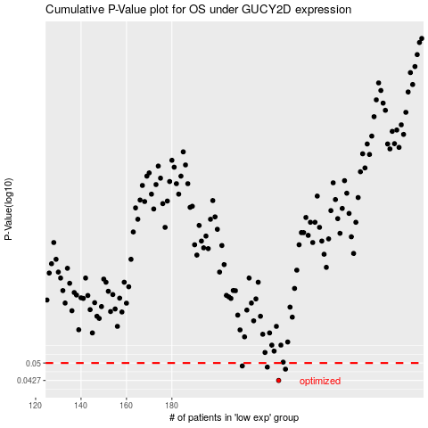

 |  |  |  |  |  | cases_OS | p_OS | rank | exp
 |  |  |  |  |  | 227 | 0.0427 | 264 | -0.14445467842
 |  |  |  |  |  | 230 | 0.0473 | 284 | -0.14271647301
 |  |  |  |  |  | 222 | 0.0482 | 289 | -0.15356371678
 |  |  |  |  |  | 211 | 0.0487 | 227 | -0.16895495426
 |  |  |  |  |  |  | cases_RFS | p_RFS | rank | exp
 |  |  |  |  |  |  | 226 | 0.0427 | 205 | -0.14454790397
 |  |  |  |  |  |  | 229 | 0.0473 | 144 | -0.14367880126
 |  |  |  |  |  |  | 221 | 0.0482 | 36 | -0.15427343387
 |  |  |  |  |  |  | 210 | 0.0487 | 362 | -0.16952633666

