GUSB _multivariate
Reported by Tex Li-Hsing Chi. tex@gate.sinica.edu.tw 2019-08-19

Table 2. The clinicopathological features of HNSCC cohort and GUSB expression. (Chi square test)
Cutoff at -0.294 (50.0%)
 |  | GUSB expression |  | GUSB expression |  | (Optimised)
 | Features | Low | (%) | High | (%) | Case no | P-value | Remark | Matthews
Gender | Female | 151 | 36.4 | 155 | 37.3 | 415 | 0.8007 | 0 | 0
2 | Male | 56 | 13.5 | 53 | 12.8
Age at diagnosis | <=65y | 147 | 35.4 | 127 | 30.6 | 415 | 0.0416 | 1 | 0
4 | >65y | 60 | 14.5 | 81 | 19.5
Clinical T Status | T1+T2 | 70 | 16.9 | 79 | 19 | 415 | 0.4343 | 0 | 0
6 | T3+T4 | 137 | 33 | 129 | 31.1
Clinical N Status | N0 | 104 | 25.1 | 112 | 27 | 415 | 0.5243 | 0 | 0
8 | N1-3 | 103 | 24.8 | 96 | 23.1
Clinical M Status | M0 | 207 | 49.9 | 205 | 49.4 | 415 | 0.2482 | 0 | 0
10 | M1 | 0 | 0 | 3 | 0.7
Clinical Stage | Stage I+II | 55 | 13.3 | 47 | 11.3 | 415 | 0.4087 | 0 | 0
12 | Stage III+IV | 152 | 36.6 | 161 | 38.8
Surgical Margin status | Negative | 163 | 39.3 | 155 | 37.3 | 415 | 0.3537 | 0 | 0
14 | Positive | 44 | 10.6 | 53 | 12.8
Tobacco Exposure | Low | 75 | 18.1 | 86 | 20.7 | 415 | 0.3141 | 0 | 0
16 | High | 132 | 31.8 | 122 | 29.4

Table 3. Univariate/Multivariate Cox's proportional hazards regression analyses on OS time of GUSB gene expression in HNSCC

 |  | Univariate |  |  |  | Multivariate
 | Features | HR | CI95%(L) | CI95%(H) | P-value | HR | CI95%(L) | CI95%(H) | P-value
1 | Female | 1 |  |  |  | 1
Gender | Male | 1.157 | 0.843 | 1.587 | 0.367 | 1.197 | 0.857 | 1.673 | 0.291
11 | <=65y | 1 |  |  |  | 1
Age at diagnosis | >65y | 1.329 | 0.99 | 1.784 | 0.058 | 1.409 | 1.035 | 1.919 | 0.03
12 | T1+T2 | 1 |  |  |  | 1
Clinical T Status | T3+T4 | 1.409 | 1.028 | 1.931 | 0.033 | 2.165 | 1.143 | 4.1 | 0.018
13 | N0 | 1 |  |  |  | 1
Clinical N Status | N1-3 | 1.185 | 0.89 | 1.577 | 0.246 | 1.227 | 0.859 | 1.753 | 0.262
14 | M0 | 1 |  |  |  | 1
Clinical M Status | M1 | 4.097 | 1.009 | 16.644 | 0.049 | 9.861 | 2.14 | 45.444 | 0.003
15 | Stage I+II | 1 |  |  |  | 1
Clinical Stage | Stage III+IV | 1.245 | 0.882 | 1.759 | 0.213 | 0.521 | 0.242 | 1.125 | 0.097
16 | Negative | 1 |  |  |  | 1
Surgical Margin status | Positive | 1.591 | 1.155 | 2.191 | 0.004 | 1.681 | 1.216 | 2.324 | 0.002
17 | Low | 1 |  |  |  | 1
Tobacco Exposure | High | 1.364 | 1.008 | 1.844 | 0.044 | 1.449 | 1.052 | 1.997 | 0.023
18 | Low | 1 |  |  |  | 1
RNAseq(z-score) | High | 0.92 | 0.69 | 1.228 | 0.573 | 0.893 | 0.665 | 1.199 | 0.451

Table 4. Univariate/Multivariate Cox's proportional hazards regression analyses on RFS time of GUSB gene expression in HNSCC

 |  | Univariate |  |  |  | Multivariate
 | Features | HR | CI95%(L) | CI95%(H) | P-value | HR | CI95%(L) | CI95%(H) | P-value
1 | Female | 1 |  |  |  | 1
Gender | Male | 1.157 | 0.843 | 1.587 | 0.367 | 1.197 | 0.857 | 1.673 | 0.291
11 | <=65y | 1 |  |  |  | 1
Age at diagnosis | >65y | 1.329 | 0.99 | 1.784 | 0.058 | 1.409 | 1.035 | 1.919 | 0.03
12 | T1+T2 | 1 |  |  |  | 1
Clinical T Status | T3+T4 | 1.409 | 1.028 | 1.931 | 0.033 | 2.165 | 1.143 | 4.1 | 0.018
13 | N0 | 1 |  |  |  | 1
Clinical N Status | N1-3 | 1.185 | 0.89 | 1.577 | 0.246 | 1.227 | 0.859 | 1.753 | 0.262
14 | M0 | 1 |  |  |  | 1
Clinical M Status | M1 | 4.097 | 1.009 | 16.644 | 0.049 | 9.861 | 2.14 | 45.444 | 0.003
15 | Stage I+II | 1 |  |  |  | 1
Clinical Stage | Stage III+IV | 1.245 | 0.882 | 1.759 | 0.213 | 0.521 | 0.242 | 1.125 | 0.097
16 | Negative | 1 |  |  |  | 1
Surgical Margin status | Positive | 1.591 | 1.155 | 2.191 | 0.004 | 1.681 | 1.216 | 2.324 | 0.002
17 | Low | 1 |  |  |  | 1
Tobacco Exposure | High | 1.364 | 1.008 | 1.844 | 0.044 | 1.449 | 1.052 | 1.997 | 0.023
18 | Low | 1 |  |  |  | 1
RNAseq(z-score) | High | 0.92 | 0.69 | 1.228 | 0.573 | 0.893 | 0.665 | 1.199 | 0.451

Kaplan-Meier survival estimate: Cutoff at -0.294 (50.0%)



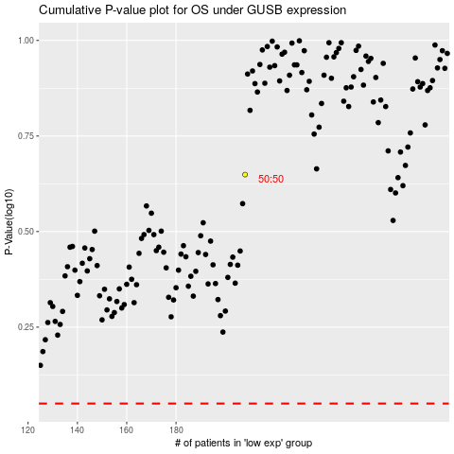

 |  |  |  |  |  | cases_OS | p_OS | rank | exp
 |  |  |  |  |  |  | cases_RFS | p_RFS | rank | exp

