GXYLT1 _multivariate
Reported by Tex Li-Hsing Chi. tex@gate.sinica.edu.tw 2019-08-19

Table 2. The clinicopathological features of HNSCC cohort and GXYLT1 expression. (Chi square test)
Cutoff at -0.124 (49.8%)
 |  | GXYLT1 expression |  | GXYLT1 expression |  | (Optimised)
 | Features | Low | (%) | High | (%) | Case no | P-value | Remark | Matthews
Gender | Female | 157 | 37.8 | 149 | 35.9 | 415 | 0.3881 | 0 | 0
2 | Male | 50 | 12 | 59 | 14.2
Age at diagnosis | <=65y | 138 | 33.3 | 136 | 32.8 | 415 | 0.8634 | 0 | 0
4 | >65y | 69 | 16.6 | 72 | 17.3
Clinical T Status | T1+T2 | 65 | 15.7 | 84 | 20.2 | 415 | 0.0711 | 0 | 0
6 | T3+T4 | 142 | 34.2 | 124 | 29.9
Clinical N Status | N0 | 99 | 23.9 | 117 | 28.2 | 415 | 0.1054 | 0 | 0
8 | N1-3 | 108 | 26 | 91 | 21.9
Clinical M Status | M0 | 205 | 49.4 | 207 | 49.9 | 415 | 0.6232 | 0 | 0
10 | M1 | 2 | 0.5 | 1 | 0.2
Clinical Stage | Stage I+II | 42 | 10.1 | 60 | 14.5 | 415 | 0.0561 | 0 | 0
12 | Stage III+IV | 165 | 39.8 | 148 | 35.7
Surgical Margin status | Negative | 164 | 39.5 | 154 | 37.1 | 415 | 0.2462 | 0 | 0
14 | Positive | 43 | 10.4 | 54 | 13
Tobacco Exposure | Low | 84 | 20.2 | 77 | 18.6 | 415 | 0.4816 | 0 | 0
16 | High | 123 | 29.6 | 131 | 31.6

Table 3. Univariate/Multivariate Cox's proportional hazards regression analyses on OS time of GXYLT1 gene expression in HNSCC

 |  | Univariate |  |  |  | Multivariate
 | Features | HR | CI95%(L) | CI95%(H) | P-value | HR | CI95%(L) | CI95%(H) | P-value
1 | Female | 1 |  |  |  | 1
Gender | Male | 1.157 | 0.843 | 1.587 | 0.367 | 1.206 | 0.863 | 1.684 | 0.273
11 | <=65y | 1 |  |  |  | 1
Age at diagnosis | >65y | 1.329 | 0.99 | 1.784 | 0.058 | 1.385 | 1.018 | 1.884 | 0.038
12 | T1+T2 | 1 |  |  |  | 1
Clinical T Status | T3+T4 | 1.409 | 1.028 | 1.931 | 0.033 | 2.222 | 1.174 | 4.205 | 0.014
13 | N0 | 1 |  |  |  | 1
Clinical N Status | N1-3 | 1.185 | 0.89 | 1.577 | 0.246 | 1.247 | 0.873 | 1.78 | 0.225
14 | M0 | 1 |  |  |  | 1
Clinical M Status | M1 | 4.097 | 1.009 | 16.644 | 0.049 | 9.655 | 2.098 | 44.421 | 0.004
15 | Stage I+II | 1 |  |  |  | 1
Clinical Stage | Stage III+IV | 1.245 | 0.882 | 1.759 | 0.213 | 0.504 | 0.235 | 1.082 | 0.079
16 | Negative | 1 |  |  |  | 1
Surgical Margin status | Positive | 1.591 | 1.155 | 2.191 | 0.004 | 1.669 | 1.208 | 2.307 | 0.002
17 | Low | 1 |  |  |  | 1
Tobacco Exposure | High | 1.364 | 1.008 | 1.844 | 0.044 | 1.452 | 1.054 | 2.001 | 0.023
18 | Low | 1 |  |  |  | 1
RNAseq(z-score) | High | 1.038 | 0.778 | 1.384 | 0.801 | 1.077 | 0.804 | 1.442 | 0.62

Table 4. Univariate/Multivariate Cox's proportional hazards regression analyses on RFS time of GXYLT1 gene expression in HNSCC

 |  | Univariate |  |  |  | Multivariate
 | Features | HR | CI95%(L) | CI95%(H) | P-value | HR | CI95%(L) | CI95%(H) | P-value
1 | Female | 1 |  |  |  | 1
Gender | Male | 1.157 | 0.843 | 1.587 | 0.367 | 1.206 | 0.863 | 1.684 | 0.273
11 | <=65y | 1 |  |  |  | 1
Age at diagnosis | >65y | 1.329 | 0.99 | 1.784 | 0.058 | 1.385 | 1.018 | 1.884 | 0.038
12 | T1+T2 | 1 |  |  |  | 1
Clinical T Status | T3+T4 | 1.409 | 1.028 | 1.931 | 0.033 | 2.222 | 1.174 | 4.205 | 0.014
13 | N0 | 1 |  |  |  | 1
Clinical N Status | N1-3 | 1.185 | 0.89 | 1.577 | 0.246 | 1.247 | 0.873 | 1.78 | 0.225
14 | M0 | 1 |  |  |  | 1
Clinical M Status | M1 | 4.097 | 1.009 | 16.644 | 0.049 | 9.655 | 2.098 | 44.421 | 0.004
15 | Stage I+II | 1 |  |  |  | 1
Clinical Stage | Stage III+IV | 1.245 | 0.882 | 1.759 | 0.213 | 0.504 | 0.235 | 1.082 | 0.079
16 | Negative | 1 |  |  |  | 1
Surgical Margin status | Positive | 1.591 | 1.155 | 2.191 | 0.004 | 1.669 | 1.208 | 2.307 | 0.002
17 | Low | 1 |  |  |  | 1
Tobacco Exposure | High | 1.364 | 1.008 | 1.844 | 0.044 | 1.452 | 1.054 | 2.001 | 0.023
18 | Low | 1 |  |  |  | 1
RNAseq(z-score) | High | 1.038 | 0.778 | 1.384 | 0.801 | 1.077 | 0.804 | 1.442 | 0.62

Kaplan-Meier survival estimate: Cutoff at -0.124 (49.8%)



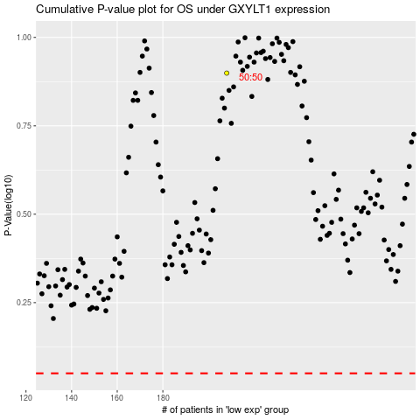

 |  |  |  |  |  | cases_OS | p_OS | rank | exp
 |  |  |  |  |  |  | cases_RFS | p_RFS | rank | exp

