GXYLT2 _multivariate
Reported by Tex Li-Hsing Chi. tex@gate.sinica.edu.tw 2019-08-19

Table 2. The clinicopathological features of HNSCC cohort and GXYLT2 expression. (Chi square test)
Cutoff at -0.258 (49.8%)
 |  | GXYLT2 expression |  | GXYLT2 expression |  | (Optimised)
 | Features | Low | (%) | High | (%) | Case no | P-value | Remark | Matthews
Gender | Female | 158 | 38.1 | 148 | 35.7 | 415 | 0.2774 | 0 | 0
2 | Male | 49 | 11.8 | 60 | 14.5
Age at diagnosis | <=65y | 139 | 33.5 | 135 | 32.5 | 415 | 0.7044 | 0 | 0
4 | >65y | 68 | 16.4 | 73 | 17.6
Clinical T Status | T1+T2 | 75 | 18.1 | 74 | 17.8 | 415 | 0.9707 | 0 | 0
6 | T3+T4 | 132 | 31.8 | 134 | 32.3
Clinical N Status | N0 | 111 | 26.7 | 105 | 25.3 | 415 | 0.5875 | 0 | 0
8 | N1-3 | 96 | 23.1 | 103 | 24.8
Clinical M Status | M0 | 204 | 49.2 | 208 | 50.1 | 415 | 0.1232 | 0 | 0
10 | M1 | 3 | 0.7 | 0 | 0
Clinical Stage | Stage I+II | 52 | 12.5 | 50 | 12 | 415 | 0.8871 | 0 | 0
12 | Stage III+IV | 155 | 37.3 | 158 | 38.1
Surgical Margin status | Negative | 159 | 38.3 | 159 | 38.3 | 415 | 1 | 0 | 0
14 | Positive | 48 | 11.6 | 49 | 11.8
Tobacco Exposure | Low | 81 | 19.5 | 80 | 19.3 | 415 | 0.9199 | 0 | 0
16 | High | 126 | 30.4 | 128 | 30.8

Table 3. Univariate/Multivariate Cox's proportional hazards regression analyses on OS time of GXYLT2 gene expression in HNSCC

 |  | Univariate |  |  |  | Multivariate
 | Features | HR | CI95%(L) | CI95%(H) | P-value | HR | CI95%(L) | CI95%(H) | P-value
1 | Female | 1 |  |  |  | 1
Gender | Male | 1.157 | 0.843 | 1.587 | 0.367 | 1.194 | 0.855 | 1.669 | 0.298
11 | <=65y | 1 |  |  |  | 1
Age at diagnosis | >65y | 1.329 | 0.99 | 1.784 | 0.058 | 1.395 | 1.026 | 1.897 | 0.034
12 | T1+T2 | 1 |  |  |  | 1
Clinical T Status | T3+T4 | 1.409 | 1.028 | 1.931 | 0.033 | 2.223 | 1.175 | 4.206 | 0.014
13 | N0 | 1 |  |  |  | 1
Clinical N Status | N1-3 | 1.185 | 0.89 | 1.577 | 0.246 | 1.243 | 0.871 | 1.774 | 0.23
14 | M0 | 1 |  |  |  | 1
Clinical M Status | M1 | 4.097 | 1.009 | 16.644 | 0.049 | 9.926 | 2.143 | 45.979 | 0.003
15 | Stage I+II | 1 |  |  |  | 1
Clinical Stage | Stage III+IV | 1.245 | 0.882 | 1.759 | 0.213 | 0.498 | 0.232 | 1.071 | 0.074
16 | Negative | 1 |  |  |  | 1
Surgical Margin status | Positive | 1.591 | 1.155 | 2.191 | 0.004 | 1.678 | 1.214 | 2.319 | 0.002
17 | Low | 1 |  |  |  | 1
Tobacco Exposure | High | 1.364 | 1.008 | 1.844 | 0.044 | 1.446 | 1.05 | 1.993 | 0.024
18 | Low | 1 |  |  |  | 1
RNAseq(z-score) | High | 1.059 | 0.795 | 1.411 | 0.693 | 1.094 | 0.818 | 1.462 | 0.546

Table 4. Univariate/Multivariate Cox's proportional hazards regression analyses on RFS time of GXYLT2 gene expression in HNSCC

 |  | Univariate |  |  |  | Multivariate
 | Features | HR | CI95%(L) | CI95%(H) | P-value | HR | CI95%(L) | CI95%(H) | P-value
1 | Female | 1 |  |  |  | 1
Gender | Male | 1.157 | 0.843 | 1.587 | 0.367 | 1.194 | 0.855 | 1.669 | 0.298
11 | <=65y | 1 |  |  |  | 1
Age at diagnosis | >65y | 1.329 | 0.99 | 1.784 | 0.058 | 1.395 | 1.026 | 1.897 | 0.034
12 | T1+T2 | 1 |  |  |  | 1
Clinical T Status | T3+T4 | 1.409 | 1.028 | 1.931 | 0.033 | 2.223 | 1.175 | 4.206 | 0.014
13 | N0 | 1 |  |  |  | 1
Clinical N Status | N1-3 | 1.185 | 0.89 | 1.577 | 0.246 | 1.243 | 0.871 | 1.774 | 0.23
14 | M0 | 1 |  |  |  | 1
Clinical M Status | M1 | 4.097 | 1.009 | 16.644 | 0.049 | 9.926 | 2.143 | 45.979 | 0.003
15 | Stage I+II | 1 |  |  |  | 1
Clinical Stage | Stage III+IV | 1.245 | 0.882 | 1.759 | 0.213 | 0.498 | 0.232 | 1.071 | 0.074
16 | Negative | 1 |  |  |  | 1
Surgical Margin status | Positive | 1.591 | 1.155 | 2.191 | 0.004 | 1.678 | 1.214 | 2.319 | 0.002
17 | Low | 1 |  |  |  | 1
Tobacco Exposure | High | 1.364 | 1.008 | 1.844 | 0.044 | 1.446 | 1.05 | 1.993 | 0.024
18 | Low | 1 |  |  |  | 1
RNAseq(z-score) | High | 1.059 | 0.795 | 1.411 | 0.693 | 1.094 | 0.818 | 1.462 | 0.546

Kaplan-Meier survival estimate: Cutoff at -0.258 (49.8%)



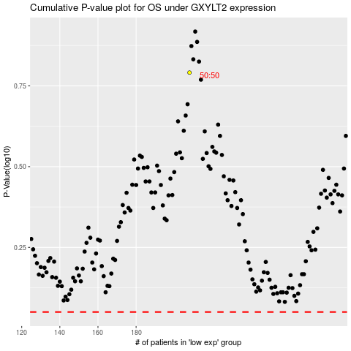

 |  |  |  |  |  | cases_OS | p_OS | rank | exp
 |  |  |  |  |  |  | cases_RFS | p_RFS | rank | exp

