GYG2 _multivariate
Reported by Tex Li-Hsing Chi. tex@gate.sinica.edu.tw 2019-08-19

Table 2. The clinicopathological features of HNSCC cohort and GYG2 expression. (Chi square test)
Cutoff at -0.357 (50.0%)
 |  | GYG2 expression |  | GYG2 expression |  | (Optimised)
 | Features | Low | (%) | High | (%) | Case no | P-value | Remark | Matthews
Gender | Female | 153 | 36.9 | 153 | 36.9 | 415 | 1 | 0 | 0
2 | Male | 54 | 13 | 55 | 13.3
Age at diagnosis | <=65y | 140 | 33.7 | 134 | 32.3 | 415 | 0.5574 | 0 | 0
4 | >65y | 67 | 16.1 | 74 | 17.8
Clinical T Status | T1+T2 | 72 | 17.3 | 77 | 18.6 | 415 | 0.7095 | 0 | 0
6 | T3+T4 | 135 | 32.5 | 131 | 31.6
Clinical N Status | N0 | 102 | 24.6 | 114 | 27.5 | 415 | 0.3031 | 0 | 0
8 | N1-3 | 105 | 25.3 | 94 | 22.7
Clinical M Status | M0 | 204 | 49.2 | 208 | 50.1 | 415 | 0.1232 | 0 | 0
10 | M1 | 3 | 0.7 | 0 | 0
Clinical Stage | Stage I+II | 51 | 12.3 | 51 | 12.3 | 415 | 1 | 0 | 0
12 | Stage III+IV | 156 | 37.6 | 157 | 37.8
Surgical Margin status | Negative | 161 | 38.8 | 157 | 37.8 | 415 | 0.6429 | 0 | 0
14 | Positive | 46 | 11.1 | 51 | 12.3
Tobacco Exposure | Low | 96 | 23.1 | 65 | 15.7 | 415 | 0.0018 | 1 | 0
16 | High | 111 | 26.7 | 143 | 34.5

Table 3. Univariate/Multivariate Cox's proportional hazards regression analyses on OS time of GYG2 gene expression in HNSCC

 |  | Univariate |  |  |  | Multivariate
 | Features | HR | CI95%(L) | CI95%(H) | P-value | HR | CI95%(L) | CI95%(H) | P-value
1 | Female | 1 |  |  |  | 1
Gender | Male | 1.157 | 0.843 | 1.587 | 0.367 | 1.202 | 0.86 | 1.68 | 0.282
11 | <=65y | 1 |  |  |  | 1
Age at diagnosis | >65y | 1.329 | 0.99 | 1.784 | 0.058 | 1.396 | 1.027 | 1.899 | 0.033
12 | T1+T2 | 1 |  |  |  | 1
Clinical T Status | T3+T4 | 1.409 | 1.028 | 1.931 | 0.033 | 2.18 | 1.153 | 4.123 | 0.017
13 | N0 | 1 |  |  |  | 1
Clinical N Status | N1-3 | 1.185 | 0.89 | 1.577 | 0.246 | 1.224 | 0.856 | 1.749 | 0.268
14 | M0 | 1 |  |  |  | 1
Clinical M Status | M1 | 4.097 | 1.009 | 16.644 | 0.049 | 8.853 | 1.918 | 40.857 | 0.005
15 | Stage I+II | 1 |  |  |  | 1
Clinical Stage | Stage III+IV | 1.245 | 0.882 | 1.759 | 0.213 | 0.51 | 0.238 | 1.095 | 0.084
16 | Negative | 1 |  |  |  | 1
Surgical Margin status | Positive | 1.591 | 1.155 | 2.191 | 0.004 | 1.686 | 1.22 | 2.332 | 0.002
17 | Low | 1 |  |  |  | 1
Tobacco Exposure | High | 1.364 | 1.008 | 1.844 | 0.044 | 1.499 | 1.078 | 2.085 | 0.016
18 | Low | 1 |  |  |  | 1
RNAseq(z-score) | High | 0.92 | 0.691 | 1.225 | 0.57 | 0.884 | 0.656 | 1.191 | 0.417

Table 4. Univariate/Multivariate Cox's proportional hazards regression analyses on RFS time of GYG2 gene expression in HNSCC

 |  | Univariate |  |  |  | Multivariate
 | Features | HR | CI95%(L) | CI95%(H) | P-value | HR | CI95%(L) | CI95%(H) | P-value
1 | Female | 1 |  |  |  | 1
Gender | Male | 1.157 | 0.843 | 1.587 | 0.367 | 1.202 | 0.86 | 1.68 | 0.282
11 | <=65y | 1 |  |  |  | 1
Age at diagnosis | >65y | 1.329 | 0.99 | 1.784 | 0.058 | 1.396 | 1.027 | 1.899 | 0.033
12 | T1+T2 | 1 |  |  |  | 1
Clinical T Status | T3+T4 | 1.409 | 1.028 | 1.931 | 0.033 | 2.18 | 1.153 | 4.123 | 0.017
13 | N0 | 1 |  |  |  | 1
Clinical N Status | N1-3 | 1.185 | 0.89 | 1.577 | 0.246 | 1.224 | 0.856 | 1.749 | 0.268
14 | M0 | 1 |  |  |  | 1
Clinical M Status | M1 | 4.097 | 1.009 | 16.644 | 0.049 | 8.853 | 1.918 | 40.857 | 0.005
15 | Stage I+II | 1 |  |  |  | 1
Clinical Stage | Stage III+IV | 1.245 | 0.882 | 1.759 | 0.213 | 0.51 | 0.238 | 1.095 | 0.084
16 | Negative | 1 |  |  |  | 1
Surgical Margin status | Positive | 1.591 | 1.155 | 2.191 | 0.004 | 1.686 | 1.22 | 2.332 | 0.002
17 | Low | 1 |  |  |  | 1
Tobacco Exposure | High | 1.364 | 1.008 | 1.844 | 0.044 | 1.499 | 1.078 | 2.085 | 0.016
18 | Low | 1 |  |  |  | 1
RNAseq(z-score) | High | 0.92 | 0.691 | 1.225 | 0.57 | 0.884 | 0.656 | 1.191 | 0.417

Kaplan-Meier survival estimate: Cutoff at -0.357 (50.0%)



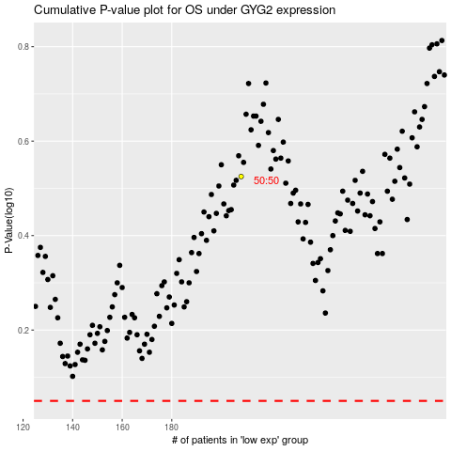

 |  |  |  |  |  | cases_OS | p_OS | rank | exp
 |  |  |  |  |  |  | cases_RFS | p_RFS | rank | exp

