GYLTL1B _multivariate
Reported by Tex Li-Hsing Chi. tex@gate.sinica.edu.tw 2019-08-19

Table 2. The clinicopathological features of HNSCC cohort and GYLTL1B expression. (Chi square test)
Cutoff at -0.118 (50.0%)
 |  | GYLTL1B expression |  | GYLTL1B expression |  | (Optimised)
 | Features | Low | (%) | High | (%) | Case no | P-value | Remark | Matthews
Gender | Female | 156 | 37.6 | 150 | 36.1 | 415 | 0.5222 | 0 | 0
2 | Male | 51 | 12.3 | 58 | 14
Age at diagnosis | <=65y | 140 | 33.7 | 134 | 32.3 | 415 | 0.5574 | 0 | 0
4 | >65y | 67 | 16.1 | 74 | 17.8
Clinical T Status | T1+T2 | 77 | 18.6 | 72 | 17.3 | 415 | 0.6556 | 0 | 0
6 | T3+T4 | 130 | 31.3 | 136 | 32.8
Clinical N Status | N0 | 95 | 22.9 | 121 | 29.2 | 415 | 0.0162 | 1 | 0
8 | N1-3 | 112 | 27 | 87 | 21
Clinical M Status | M0 | 205 | 49.4 | 207 | 49.9 | 415 | 0.6232 | 0 | 0
10 | M1 | 2 | 0.5 | 1 | 0.2
Clinical Stage | Stage I+II | 43 | 10.4 | 59 | 14.2 | 415 | 0.0925 | 0 | 0
12 | Stage III+IV | 164 | 39.5 | 149 | 35.9
Surgical Margin status | Negative | 161 | 38.8 | 157 | 37.8 | 415 | 0.6429 | 0 | 0
14 | Positive | 46 | 11.1 | 51 | 12.3
Tobacco Exposure | Low | 72 | 17.3 | 89 | 21.4 | 415 | 0.1071 | 0 | 0
16 | High | 135 | 32.5 | 119 | 28.7

Table 3. Univariate/Multivariate Cox's proportional hazards regression analyses on OS time of GYLTL1B gene expression in HNSCC

 |  | Univariate |  |  |  | Multivariate
 | Features | HR | CI95%(L) | CI95%(H) | P-value | HR | CI95%(L) | CI95%(H) | P-value
1 | Female | 1 |  |  |  | 1
Gender | Male | 1.157 | 0.843 | 1.587 | 0.367 | 1.2 | 0.859 | 1.675 | 0.285
11 | <=65y | 1 |  |  |  | 1
Age at diagnosis | >65y | 1.329 | 0.99 | 1.784 | 0.058 | 1.399 | 1.029 | 1.902 | 0.032
12 | T1+T2 | 1 |  |  |  | 1
Clinical T Status | T3+T4 | 1.409 | 1.028 | 1.931 | 0.033 | 2.149 | 1.134 | 4.073 | 0.019
13 | N0 | 1 |  |  |  | 1
Clinical N Status | N1-3 | 1.185 | 0.89 | 1.577 | 0.246 | 1.252 | 0.877 | 1.787 | 0.216
14 | M0 | 1 |  |  |  | 1
Clinical M Status | M1 | 4.097 | 1.009 | 16.644 | 0.049 | 9.265 | 2.02 | 42.5 | 0.004
15 | Stage I+II | 1 |  |  |  | 1
Clinical Stage | Stage III+IV | 1.245 | 0.882 | 1.759 | 0.213 | 0.52 | 0.241 | 1.119 | 0.094
16 | Negative | 1 |  |  |  | 1
Surgical Margin status | Positive | 1.591 | 1.155 | 2.191 | 0.004 | 1.674 | 1.211 | 2.314 | 0.002
17 | Low | 1 |  |  |  | 1
Tobacco Exposure | High | 1.364 | 1.008 | 1.844 | 0.044 | 1.461 | 1.06 | 2.012 | 0.021
18 | Low | 1 |  |  |  | 1
RNAseq(z-score) | High | 1.127 | 0.846 | 1.503 | 0.413 | 1.146 | 0.856 | 1.533 | 0.359

Table 4. Univariate/Multivariate Cox's proportional hazards regression analyses on RFS time of GYLTL1B gene expression in HNSCC

 |  | Univariate |  |  |  | Multivariate
 | Features | HR | CI95%(L) | CI95%(H) | P-value | HR | CI95%(L) | CI95%(H) | P-value
1 | Female | 1 |  |  |  | 1
Gender | Male | 1.157 | 0.843 | 1.587 | 0.367 | 1.2 | 0.859 | 1.675 | 0.285
11 | <=65y | 1 |  |  |  | 1
Age at diagnosis | >65y | 1.329 | 0.99 | 1.784 | 0.058 | 1.399 | 1.029 | 1.902 | 0.032
12 | T1+T2 | 1 |  |  |  | 1
Clinical T Status | T3+T4 | 1.409 | 1.028 | 1.931 | 0.033 | 2.149 | 1.134 | 4.073 | 0.019
13 | N0 | 1 |  |  |  | 1
Clinical N Status | N1-3 | 1.185 | 0.89 | 1.577 | 0.246 | 1.252 | 0.877 | 1.787 | 0.216
14 | M0 | 1 |  |  |  | 1
Clinical M Status | M1 | 4.097 | 1.009 | 16.644 | 0.049 | 9.265 | 2.02 | 42.5 | 0.004
15 | Stage I+II | 1 |  |  |  | 1
Clinical Stage | Stage III+IV | 1.245 | 0.882 | 1.759 | 0.213 | 0.52 | 0.241 | 1.119 | 0.094
16 | Negative | 1 |  |  |  | 1
Surgical Margin status | Positive | 1.591 | 1.155 | 2.191 | 0.004 | 1.674 | 1.211 | 2.314 | 0.002
17 | Low | 1 |  |  |  | 1
Tobacco Exposure | High | 1.364 | 1.008 | 1.844 | 0.044 | 1.461 | 1.06 | 2.012 | 0.021
18 | Low | 1 |  |  |  | 1
RNAseq(z-score) | High | 1.127 | 0.846 | 1.503 | 0.413 | 1.146 | 0.856 | 1.533 | 0.359

Kaplan-Meier survival estimate: Cutoff at -0.118 (50.0%)



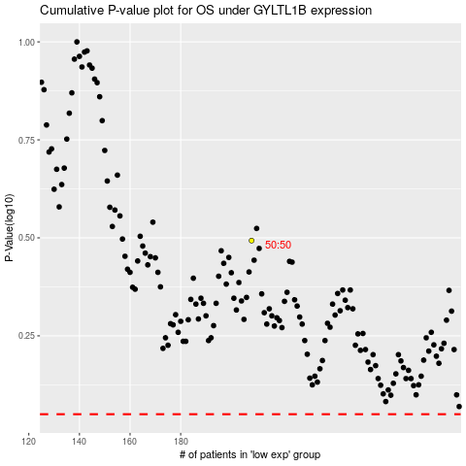

 |  |  |  |  |  | cases_OS | p_OS | rank | exp
 |  |  |  |  |  |  | cases_RFS | p_RFS | rank | exp

