GYS1 _multivariate
Reported by Tex Li-Hsing Chi. tex@gate.sinica.edu.tw 2019-08-19

Table 2. The clinicopathological features of HNSCC cohort and GYS1 expression. (Chi square test)
Cutoff at -0.186 (50.0%)
 |  | GYS1 expression |  | GYS1 expression |  | (Optimised)
 | Features | Low | (%) | High | (%) | Case no | P-value | Remark | Matthews
Gender | Female | 164 | 39.5 | 142 | 34.2 | 415 | 0.0153 | 1 | 0
2 | Male | 43 | 10.4 | 66 | 15.9
Age at diagnosis | <=65y | 143 | 34.5 | 131 | 31.6 | 415 | 0.2269 | 0 | 0
4 | >65y | 64 | 15.4 | 77 | 18.6
Clinical T Status | T1+T2 | 66 | 15.9 | 83 | 20 | 415 | 0.1095 | 0 | 0
6 | T3+T4 | 141 | 34 | 125 | 30.1
Clinical N Status | N0 | 99 | 23.9 | 117 | 28.2 | 415 | 0.1054 | 0 | 0
8 | N1-3 | 108 | 26 | 91 | 21.9
Clinical M Status | M0 | 205 | 49.4 | 207 | 49.9 | 415 | 0.6232 | 0 | 0
10 | M1 | 2 | 0.5 | 1 | 0.2
Clinical Stage | Stage I+II | 39 | 9.4 | 63 | 15.2 | 415 | 0.0095 | 1 | 0
12 | Stage III+IV | 168 | 40.5 | 145 | 34.9
Surgical Margin status | Negative | 150 | 36.1 | 168 | 40.5 | 415 | 0.0492 | 1 | 0
14 | Positive | 57 | 13.7 | 40 | 9.6
Tobacco Exposure | Low | 69 | 16.6 | 92 | 22.2 | 415 | 0.0266 | 1 | 0
16 | High | 138 | 33.3 | 116 | 28

Table 3. Univariate/Multivariate Cox's proportional hazards regression analyses on OS time of GYS1 gene expression in HNSCC

 |  | Univariate |  |  |  | Multivariate
 | Features | HR | CI95%(L) | CI95%(H) | P-value | HR | CI95%(L) | CI95%(H) | P-value
1 | Female | 1 |  |  |  | 1
Gender | Male | 1.157 | 0.843 | 1.587 | 0.367 | 1.184 | 0.846 | 1.656 | 0.326
11 | <=65y | 1 |  |  |  | 1
Age at diagnosis | >65y | 1.329 | 0.99 | 1.784 | 0.058 | 1.377 | 1.012 | 1.874 | 0.042
12 | T1+T2 | 1 |  |  |  | 1
Clinical T Status | T3+T4 | 1.409 | 1.028 | 1.931 | 0.033 | 2.181 | 1.153 | 4.125 | 0.016
13 | N0 | 1 |  |  |  | 1
Clinical N Status | N1-3 | 1.185 | 0.89 | 1.577 | 0.246 | 1.22 | 0.855 | 1.742 | 0.273
14 | M0 | 1 |  |  |  | 1
Clinical M Status | M1 | 4.097 | 1.009 | 16.644 | 0.049 | 9.493 | 2.071 | 43.514 | 0.004
15 | Stage I+II | 1 |  |  |  | 1
Clinical Stage | Stage III+IV | 1.245 | 0.882 | 1.759 | 0.213 | 0.522 | 0.243 | 1.123 | 0.096
16 | Negative | 1 |  |  |  | 1
Surgical Margin status | Positive | 1.591 | 1.155 | 2.191 | 0.004 | 1.712 | 1.235 | 2.372 | 0.001
17 | Low | 1 |  |  |  | 1
Tobacco Exposure | High | 1.364 | 1.008 | 1.844 | 0.044 | 1.473 | 1.067 | 2.034 | 0.019
18 | Low | 1 |  |  |  | 1
RNAseq(z-score) | High | 1.111 | 0.835 | 1.48 | 0.47 | 1.176 | 0.876 | 1.58 | 0.28

Table 4. Univariate/Multivariate Cox's proportional hazards regression analyses on RFS time of GYS1 gene expression in HNSCC

 |  | Univariate |  |  |  | Multivariate
 | Features | HR | CI95%(L) | CI95%(H) | P-value | HR | CI95%(L) | CI95%(H) | P-value
1 | Female | 1 |  |  |  | 1
Gender | Male | 1.157 | 0.843 | 1.587 | 0.367 | 1.184 | 0.846 | 1.656 | 0.326
11 | <=65y | 1 |  |  |  | 1
Age at diagnosis | >65y | 1.329 | 0.99 | 1.784 | 0.058 | 1.377 | 1.012 | 1.874 | 0.042
12 | T1+T2 | 1 |  |  |  | 1
Clinical T Status | T3+T4 | 1.409 | 1.028 | 1.931 | 0.033 | 2.181 | 1.153 | 4.125 | 0.016
13 | N0 | 1 |  |  |  | 1
Clinical N Status | N1-3 | 1.185 | 0.89 | 1.577 | 0.246 | 1.22 | 0.855 | 1.742 | 0.273
14 | M0 | 1 |  |  |  | 1
Clinical M Status | M1 | 4.097 | 1.009 | 16.644 | 0.049 | 9.493 | 2.071 | 43.514 | 0.004
15 | Stage I+II | 1 |  |  |  | 1
Clinical Stage | Stage III+IV | 1.245 | 0.882 | 1.759 | 0.213 | 0.522 | 0.243 | 1.123 | 0.096
16 | Negative | 1 |  |  |  | 1
Surgical Margin status | Positive | 1.591 | 1.155 | 2.191 | 0.004 | 1.712 | 1.235 | 2.372 | 0.001
17 | Low | 1 |  |  |  | 1
Tobacco Exposure | High | 1.364 | 1.008 | 1.844 | 0.044 | 1.473 | 1.067 | 2.034 | 0.019
18 | Low | 1 |  |  |  | 1
RNAseq(z-score) | High | 1.111 | 0.835 | 1.48 | 0.47 | 1.176 | 0.876 | 1.58 | 0.28

Kaplan-Meier survival estimate: Cutoff at -0.186 (50.0%)



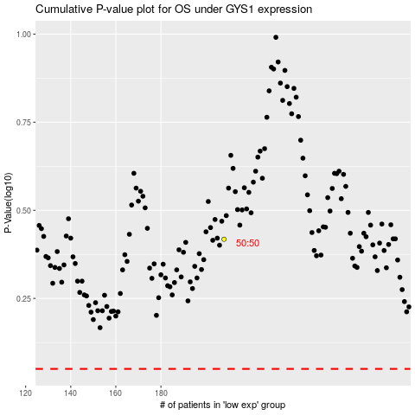

 |  |  |  |  |  | cases_OS | p_OS | rank | exp
 |  |  |  |  |  |  | cases_RFS | p_RFS | rank | exp

