GZF1 _multivariate
Reported by Tex Li-Hsing Chi. tex@gate.sinica.edu.tw 2019-08-19

Table 2. The clinicopathological features of HNSCC cohort and GZF1 expression. (Chi square test)
Cutoff at -0.129 (49.8%)
 |  | GZF1 expression |  | GZF1 expression |  | (Optimised)
 | Features | Low | (%) | High | (%) | Case no | P-value | Remark | Matthews
Gender | Female | 152 | 36.6 | 154 | 37.1 | 415 | 0.9766 | 0 | 0
2 | Male | 55 | 13.3 | 54 | 13
Age at diagnosis | <=65y | 132 | 31.8 | 142 | 34.2 | 415 | 0.3874 | 0 | 0
4 | >65y | 75 | 18.1 | 66 | 15.9
Clinical T Status | T1+T2 | 75 | 18.1 | 74 | 17.8 | 415 | 0.9707 | 0 | 0
6 | T3+T4 | 132 | 31.8 | 134 | 32.3
Clinical N Status | N0 | 108 | 26 | 108 | 26 | 415 | 1 | 0 | 0
8 | N1-3 | 99 | 23.9 | 100 | 24.1
Clinical M Status | M0 | 206 | 49.6 | 206 | 49.6 | 415 | 1 | 0 | 0
10 | M1 | 1 | 0.2 | 2 | 0.5
Clinical Stage | Stage I+II | 52 | 12.5 | 50 | 12 | 415 | 0.8871 | 0 | 0
12 | Stage III+IV | 155 | 37.3 | 158 | 38.1
Surgical Margin status | Negative | 153 | 36.9 | 165 | 39.8 | 415 | 0.2036 | 0 | 0
14 | Positive | 54 | 13 | 43 | 10.4
Tobacco Exposure | Low | 78 | 18.8 | 83 | 20 | 415 | 0.6873 | 0 | 0
16 | High | 129 | 31.1 | 125 | 30.1

Table 3. Univariate/Multivariate Cox's proportional hazards regression analyses on OS time of GZF1 gene expression in HNSCC

 |  | Univariate |  |  |  | Multivariate
 | Features | HR | CI95%(L) | CI95%(H) | P-value | HR | CI95%(L) | CI95%(H) | P-value
1 | Female | 1 |  |  |  | 1
Gender | Male | 1.157 | 0.843 | 1.587 | 0.367 | 1.197 | 0.858 | 1.669 | 0.289
11 | <=65y | 1 |  |  |  | 1
Age at diagnosis | >65y | 1.329 | 0.99 | 1.784 | 0.058 | 1.415 | 1.041 | 1.925 | 0.027
12 | T1+T2 | 1 |  |  |  | 1
Clinical T Status | T3+T4 | 1.409 | 1.028 | 1.931 | 0.033 | 2.2 | 1.164 | 4.158 | 0.015
13 | N0 | 1 |  |  |  | 1
Clinical N Status | N1-3 | 1.185 | 0.89 | 1.577 | 0.246 | 1.262 | 0.884 | 1.802 | 0.2
14 | M0 | 1 |  |  |  | 1
Clinical M Status | M1 | 4.097 | 1.009 | 16.644 | 0.049 | 8.766 | 1.908 | 40.268 | 0.005
15 | Stage I+II | 1 |  |  |  | 1
Clinical Stage | Stage III+IV | 1.245 | 0.882 | 1.759 | 0.213 | 0.497 | 0.232 | 1.067 | 0.073
16 | Negative | 1 |  |  |  | 1
Surgical Margin status | Positive | 1.591 | 1.155 | 2.191 | 0.004 | 1.676 | 1.213 | 2.315 | 0.002
17 | Low | 1 |  |  |  | 1
Tobacco Exposure | High | 1.364 | 1.008 | 1.844 | 0.044 | 1.493 | 1.084 | 2.057 | 0.014
18 | Low | 1 |  |  |  | 1
RNAseq(z-score) | High | 1.192 | 0.894 | 1.588 | 0.231 | 1.261 | 0.943 | 1.686 | 0.117

Table 4. Univariate/Multivariate Cox's proportional hazards regression analyses on RFS time of GZF1 gene expression in HNSCC

 |  | Univariate |  |  |  | Multivariate
 | Features | HR | CI95%(L) | CI95%(H) | P-value | HR | CI95%(L) | CI95%(H) | P-value
1 | Female | 1 |  |  |  | 1
Gender | Male | 1.157 | 0.843 | 1.587 | 0.367 | 1.197 | 0.858 | 1.669 | 0.289
11 | <=65y | 1 |  |  |  | 1
Age at diagnosis | >65y | 1.329 | 0.99 | 1.784 | 0.058 | 1.415 | 1.041 | 1.925 | 0.027
12 | T1+T2 | 1 |  |  |  | 1
Clinical T Status | T3+T4 | 1.409 | 1.028 | 1.931 | 0.033 | 2.2 | 1.164 | 4.158 | 0.015
13 | N0 | 1 |  |  |  | 1
Clinical N Status | N1-3 | 1.185 | 0.89 | 1.577 | 0.246 | 1.262 | 0.884 | 1.802 | 0.2
14 | M0 | 1 |  |  |  | 1
Clinical M Status | M1 | 4.097 | 1.009 | 16.644 | 0.049 | 8.766 | 1.908 | 40.268 | 0.005
15 | Stage I+II | 1 |  |  |  | 1
Clinical Stage | Stage III+IV | 1.245 | 0.882 | 1.759 | 0.213 | 0.497 | 0.232 | 1.067 | 0.073
16 | Negative | 1 |  |  |  | 1
Surgical Margin status | Positive | 1.591 | 1.155 | 2.191 | 0.004 | 1.676 | 1.213 | 2.315 | 0.002
17 | Low | 1 |  |  |  | 1
Tobacco Exposure | High | 1.364 | 1.008 | 1.844 | 0.044 | 1.493 | 1.084 | 2.057 | 0.014
18 | Low | 1 |  |  |  | 1
RNAseq(z-score) | High | 1.192 | 0.894 | 1.588 | 0.231 | 1.261 | 0.943 | 1.686 | 0.117

Kaplan-Meier survival estimate: Cutoff at -0.129 (49.8%)



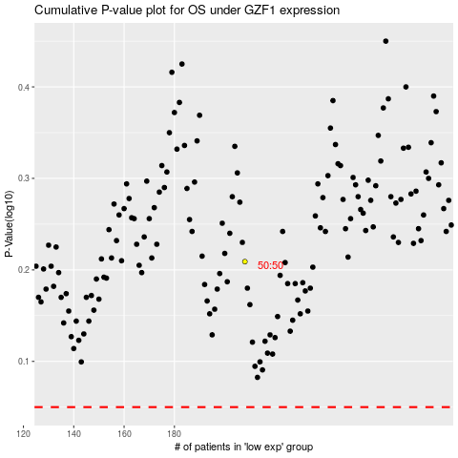

 |  |  |  |  |  | cases_OS | p_OS | rank | exp
 |  |  |  |  |  |  | cases_RFS | p_RFS | rank | exp

