GZMA _multivariate
Reported by Tex Li-Hsing Chi. tex@gate.sinica.edu.tw 2019-08-19

Table 2. The clinicopathological features of HNSCC cohort and GZMA expression. (Chi square test)
Cutoff at -0.366 (49.8%)
 |  | GZMA expression |  | GZMA expression |  | (Optimised)
 | Features | Low | (%) | High | (%) | Case no | P-value | Remark | Matthews
Gender | Female | 163 | 39.3 | 143 | 34.5 | 415 | 0.0277 | 1 | 0
2 | Male | 44 | 10.6 | 65 | 15.7
Age at diagnosis | <=65y | 150 | 36.1 | 124 | 29.9 | 415 | 0.0078 | 1 | 0
4 | >65y | 57 | 13.7 | 84 | 20.2
Clinical T Status | T1+T2 | 59 | 14.2 | 90 | 21.7 | 415 | 0.0024 | 1 | 0
6 | T3+T4 | 148 | 35.7 | 118 | 28.4
Clinical N Status | N0 | 112 | 27 | 104 | 25.1 | 415 | 0.4599 | 0 | 0
8 | N1-3 | 95 | 22.9 | 104 | 25.1
Clinical M Status | M0 | 207 | 49.9 | 205 | 49.4 | 415 | 0.2482 | 0 | 0
10 | M1 | 0 | 0 | 3 | 0.7
Clinical Stage | Stage I+II | 44 | 10.6 | 58 | 14 | 415 | 0.1459 | 0 | 0
12 | Stage III+IV | 163 | 39.3 | 150 | 36.1
Surgical Margin status | Negative | 162 | 39 | 156 | 37.6 | 415 | 0.4867 | 0 | 0
14 | Positive | 45 | 10.8 | 52 | 12.5
Tobacco Exposure | Low | 70 | 16.9 | 91 | 21.9 | 415 | 0.0439 | 1 | 0
16 | High | 137 | 33 | 117 | 28.2

Table 3. Univariate/Multivariate Cox's proportional hazards regression analyses on OS time of GZMA gene expression in HNSCC

 |  | Univariate |  |  |  | Multivariate
 | Features | HR | CI95%(L) | CI95%(H) | P-value | HR | CI95%(L) | CI95%(H) | P-value
1 | Female | 1 |  |  |  | 1
Gender | Male | 1.157 | 0.843 | 1.587 | 0.367 | 1.228 | 0.877 | 1.72 | 0.231
11 | <=65y | 1 |  |  |  | 1
Age at diagnosis | >65y | 1.329 | 0.99 | 1.784 | 0.058 | 1.419 | 1.043 | 1.932 | 0.026
12 | T1+T2 | 1 |  |  |  | 1
Clinical T Status | T3+T4 | 1.409 | 1.028 | 1.931 | 0.033 | 2.162 | 1.143 | 4.088 | 0.018
13 | N0 | 1 |  |  |  | 1
Clinical N Status | N1-3 | 1.185 | 0.89 | 1.577 | 0.246 | 1.264 | 0.885 | 1.806 | 0.198
14 | M0 | 1 |  |  |  | 1
Clinical M Status | M1 | 4.097 | 1.009 | 16.644 | 0.049 | 10.207 | 2.211 | 47.124 | 0.003
15 | Stage I+II | 1 |  |  |  | 1
Clinical Stage | Stage III+IV | 1.245 | 0.882 | 1.759 | 0.213 | 0.498 | 0.232 | 1.069 | 0.074
16 | Negative | 1 |  |  |  | 1
Surgical Margin status | Positive | 1.591 | 1.155 | 2.191 | 0.004 | 1.714 | 1.236 | 2.375 | 0.001
17 | Low | 1 |  |  |  | 1
Tobacco Exposure | High | 1.364 | 1.008 | 1.844 | 0.044 | 1.425 | 1.033 | 1.966 | 0.031
18 | Low | 1 |  |  |  | 1
RNAseq(z-score) | High | 0.9 | 0.674 | 1.202 | 0.477 | 0.838 | 0.617 | 1.138 | 0.257

Table 4. Univariate/Multivariate Cox's proportional hazards regression analyses on RFS time of GZMA gene expression in HNSCC

 |  | Univariate |  |  |  | Multivariate
 | Features | HR | CI95%(L) | CI95%(H) | P-value | HR | CI95%(L) | CI95%(H) | P-value
1 | Female | 1 |  |  |  | 1
Gender | Male | 1.157 | 0.843 | 1.587 | 0.367 | 1.228 | 0.877 | 1.72 | 0.231
11 | <=65y | 1 |  |  |  | 1
Age at diagnosis | >65y | 1.329 | 0.99 | 1.784 | 0.058 | 1.419 | 1.043 | 1.932 | 0.026
12 | T1+T2 | 1 |  |  |  | 1
Clinical T Status | T3+T4 | 1.409 | 1.028 | 1.931 | 0.033 | 2.162 | 1.143 | 4.088 | 0.018
13 | N0 | 1 |  |  |  | 1
Clinical N Status | N1-3 | 1.185 | 0.89 | 1.577 | 0.246 | 1.264 | 0.885 | 1.806 | 0.198
14 | M0 | 1 |  |  |  | 1
Clinical M Status | M1 | 4.097 | 1.009 | 16.644 | 0.049 | 10.207 | 2.211 | 47.124 | 0.003
15 | Stage I+II | 1 |  |  |  | 1
Clinical Stage | Stage III+IV | 1.245 | 0.882 | 1.759 | 0.213 | 0.498 | 0.232 | 1.069 | 0.074
16 | Negative | 1 |  |  |  | 1
Surgical Margin status | Positive | 1.591 | 1.155 | 2.191 | 0.004 | 1.714 | 1.236 | 2.375 | 0.001
17 | Low | 1 |  |  |  | 1
Tobacco Exposure | High | 1.364 | 1.008 | 1.844 | 0.044 | 1.425 | 1.033 | 1.966 | 0.031
18 | Low | 1 |  |  |  | 1
RNAseq(z-score) | High | 0.9 | 0.674 | 1.202 | 0.477 | 0.838 | 0.617 | 1.138 | 0.257

Kaplan-Meier survival estimate: Cutoff at -0.366 (49.8%)



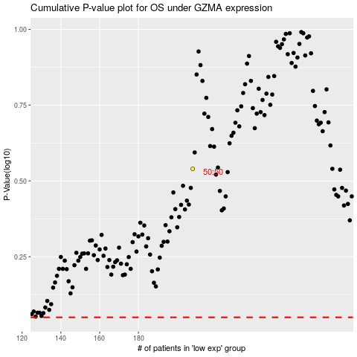

 |  |  |  |  |  | cases_OS | p_OS | rank | exp
 |  |  |  |  |  |  | cases_RFS | p_RFS | rank | exp

