GZMH _multivariate
Reported by Tex Li-Hsing Chi. tex@gate.sinica.edu.tw 2019-08-19

Table 2. The clinicopathological features of HNSCC cohort and GZMH expression. (Chi square test)
Cutoff at -0.464 (31.9%)
 |  | GZMH expression |  | GZMH expression |  | (Optimised)
 | Features | Low | (%) | High | (%) | Case no | P-value | Remark | Matthews
Gender | Female | 103 | 24.8 | 203 | 48.9 | 415 | 0.2156 | 0 | 0
2 | Male | 29 | 7 | 80 | 19.3
Age at diagnosis | <=65y | 92 | 22.2 | 182 | 43.9 | 415 | 0.3332 | 0 | 0
4 | >65y | 40 | 9.6 | 101 | 24.3
Clinical T Status | T1+T2 | 38 | 9.2 | 111 | 26.7 | 415 | 0.0507 | 0 | 0
6 | T3+T4 | 94 | 22.7 | 172 | 41.4
Clinical N Status | N0 | 72 | 17.3 | 144 | 34.7 | 415 | 0.5552 | 0 | 0
8 | N1-3 | 60 | 14.5 | 139 | 33.5
Clinical M Status | M0 | 132 | 31.8 | 280 | 67.5 | 415 | 0.5546 | 0 | 0
10 | M1 | 0 | 0 | 3 | 0.7
Clinical Stage | Stage I+II | 30 | 7.2 | 72 | 17.3 | 415 | 0.6343 | 0 | 0
12 | Stage III+IV | 102 | 24.6 | 211 | 50.8
Surgical Margin status | Negative | 99 | 23.9 | 219 | 52.8 | 415 | 0.6193 | 0 | 0
14 | Positive | 33 | 8 | 64 | 15.4
Tobacco Exposure | Low | 48 | 11.6 | 113 | 27.2 | 415 | 0.5175 | 0 | 0
16 | High | 84 | 20.2 | 170 | 41

Table 3. Univariate/Multivariate Cox's proportional hazards regression analyses on OS time of GZMH gene expression in HNSCC

 |  | Univariate |  |  |  | Multivariate
 | Features | HR | CI95%(L) | CI95%(H) | P-value | HR | CI95%(L) | CI95%(H) | P-value
1 | Female | 1 |  |  |  | 1
Gender | Male | 1.157 | 0.843 | 1.587 | 0.367 | 1.233 | 0.881 | 1.725 | 0.222
11 | <=65y | 1 |  |  |  | 1
Age at diagnosis | >65y | 1.329 | 0.99 | 1.784 | 0.058 | 1.401 | 1.032 | 1.903 | 0.031
12 | T1+T2 | 1 |  |  |  | 1
Clinical T Status | T3+T4 | 1.409 | 1.028 | 1.931 | 0.033 | 2.121 | 1.122 | 4.009 | 0.021
13 | N0 | 1 |  |  |  | 1
Clinical N Status | N1-3 | 1.185 | 0.89 | 1.577 | 0.246 | 1.257 | 0.881 | 1.794 | 0.207
14 | M0 | 1 |  |  |  | 1
Clinical M Status | M1 | 4.097 | 1.009 | 16.644 | 0.049 | 10.264 | 2.233 | 47.185 | 0.003
15 | Stage I+II | 1 |  |  |  | 1
Clinical Stage | Stage III+IV | 1.245 | 0.882 | 1.759 | 0.213 | 0.519 | 0.242 | 1.114 | 0.092
16 | Negative | 1 |  |  |  | 1
Surgical Margin status | Positive | 1.591 | 1.155 | 2.191 | 0.004 | 1.67 | 1.209 | 2.307 | 0.002
17 | Low | 1 |  |  |  | 1
Tobacco Exposure | High | 1.364 | 1.008 | 1.844 | 0.044 | 1.429 | 1.037 | 1.969 | 0.029
18 | Low | 1 |  |  |  | 1
RNAseq(z-score) | High | 0.73 | 0.538 | 0.99 | 0.043 | 0.72 | 0.529 | 0.981 | 0.038

Table 4. Univariate/Multivariate Cox's proportional hazards regression analyses on RFS time of GZMH gene expression in HNSCC

 |  | Univariate |  |  |  | Multivariate
 | Features | HR | CI95%(L) | CI95%(H) | P-value | HR | CI95%(L) | CI95%(H) | P-value
1 | Female | 1 |  |  |  | 1
Gender | Male | 1.157 | 0.843 | 1.587 | 0.367 | 1.233 | 0.881 | 1.725 | 0.222
11 | <=65y | 1 |  |  |  | 1
Age at diagnosis | >65y | 1.329 | 0.99 | 1.784 | 0.058 | 1.401 | 1.032 | 1.903 | 0.031
12 | T1+T2 | 1 |  |  |  | 1
Clinical T Status | T3+T4 | 1.409 | 1.028 | 1.931 | 0.033 | 2.121 | 1.122 | 4.009 | 0.021
13 | N0 | 1 |  |  |  | 1
Clinical N Status | N1-3 | 1.185 | 0.89 | 1.577 | 0.246 | 1.257 | 0.881 | 1.794 | 0.207
14 | M0 | 1 |  |  |  | 1
Clinical M Status | M1 | 4.097 | 1.009 | 16.644 | 0.049 | 10.264 | 2.233 | 47.185 | 0.003
15 | Stage I+II | 1 |  |  |  | 1
Clinical Stage | Stage III+IV | 1.245 | 0.882 | 1.759 | 0.213 | 0.519 | 0.242 | 1.114 | 0.092
16 | Negative | 1 |  |  |  | 1
Surgical Margin status | Positive | 1.591 | 1.155 | 2.191 | 0.004 | 1.67 | 1.209 | 2.307 | 0.002
17 | Low | 1 |  |  |  | 1
Tobacco Exposure | High | 1.364 | 1.008 | 1.844 | 0.044 | 1.429 | 1.037 | 1.969 | 0.029
18 | Low | 1 |  |  |  | 1
RNAseq(z-score) | High | 0.73 | 0.538 | 0.99 | 0.043 | 0.72 | 0.529 | 0.981 | 0.038

Kaplan-Meier survival estimate: Cutoff at -0.464 (31.9%)



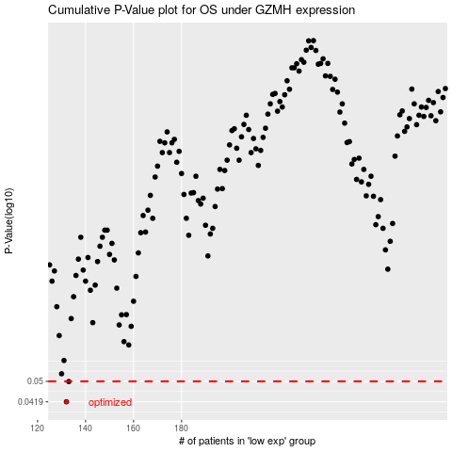

 |  |  |  |  |  | cases_OS | p_OS | rank | exp
 |  |  |  |  |  | 132 | 0.0419 | 310 | -0.46429878035
 |  |  |  |  |  | 133 | 0.0499 | 230 | -0.46319755849
 |  |  |  |  |  |  | cases_RFS | p_RFS | rank | exp
 |  |  |  |  |  |  | 131 | 0.0419 | 239 | -0.46617281024
 |  |  |  |  |  |  | 132 | 0.0499 | 310 | -0.46429878035

