H1FX _multivariate
Reported by Tex Li-Hsing Chi. tex@gate.sinica.edu.tw 2019-08-19

Table 2. The clinicopathological features of HNSCC cohort and H1FX expression. (Chi square test)
Cutoff at -0.183 (49.8%)
 |  | H1FX expression |  | H1FX expression |  | (Optimised)
 | Features | Low | (%) | High | (%) | Case no | P-value | Remark | Matthews
Gender | Female | 139 | 33.5 | 167 | 40.2 | 415 | 0.0034 | 1 | 0
2 | Male | 68 | 16.4 | 41 | 9.9
Age at diagnosis | <=65y | 139 | 33.5 | 135 | 32.5 | 415 | 0.7044 | 0 | 0
4 | >65y | 68 | 16.4 | 73 | 17.6
Clinical T Status | T1+T2 | 87 | 21 | 62 | 14.9 | 415 | 0.0127 | 1 | 0
6 | T3+T4 | 120 | 28.9 | 146 | 35.2
Clinical N Status | N0 | 113 | 27.2 | 103 | 24.8 | 415 | 0.3495 | 1 | 0
8 | N1-3 | 94 | 22.7 | 105 | 25.3
Clinical M Status | M0 | 206 | 49.6 | 206 | 49.6 | 415 | 1 | 0 | 0
10 | M1 | 1 | 0.2 | 2 | 0.5
Clinical Stage | Stage I+II | 69 | 16.6 | 33 | 8 | 415 | 1e-04 | 1 | 0
12 | Stage III+IV | 138 | 33.3 | 175 | 42.2
Surgical Margin status | Negative | 164 | 39.5 | 154 | 37.1 | 415 | 0.2462 | 0 | 0
14 | Positive | 43 | 10.4 | 54 | 13
Tobacco Exposure | Low | 90 | 21.7 | 71 | 17.1 | 415 | 0.0559 | 0 | 0
16 | High | 117 | 28.2 | 137 | 33

Table 3. Univariate/Multivariate Cox's proportional hazards regression analyses on OS time of H1FX gene expression in HNSCC

 |  | Univariate |  |  |  | Multivariate
 | Features | HR | CI95%(L) | CI95%(H) | P-value | HR | CI95%(L) | CI95%(H) | P-value
1 | Female | 1 |  |  |  | 1
Gender | Male | 1.157 | 0.843 | 1.587 | 0.367 | 1.161 | 0.827 | 1.63 | 0.387
11 | <=65y | 1 |  |  |  | 1
Age at diagnosis | >65y | 1.329 | 0.99 | 1.784 | 0.058 | 1.41 | 1.036 | 1.92 | 0.029
12 | T1+T2 | 1 |  |  |  | 1
Clinical T Status | T3+T4 | 1.409 | 1.028 | 1.931 | 0.033 | 2.163 | 1.143 | 4.091 | 0.018
13 | N0 | 1 |  |  |  | 1
Clinical N Status | N1-3 | 1.185 | 0.89 | 1.577 | 0.246 | 1.219 | 0.854 | 1.741 | 0.275
14 | M0 | 1 |  |  |  | 1
Clinical M Status | M1 | 4.097 | 1.009 | 16.644 | 0.049 | 9.298 | 2.028 | 42.62 | 0.004
15 | Stage I+II | 1 |  |  |  | 1
Clinical Stage | Stage III+IV | 1.245 | 0.882 | 1.759 | 0.213 | 0.542 | 0.251 | 1.174 | 0.121
16 | Negative | 1 |  |  |  | 1
Surgical Margin status | Positive | 1.591 | 1.155 | 2.191 | 0.004 | 1.695 | 1.226 | 2.343 | 0.001
17 | Low | 1 |  |  |  | 1
Tobacco Exposure | High | 1.364 | 1.008 | 1.844 | 0.044 | 1.48 | 1.073 | 2.043 | 0.017
18 | Low | 1 |  |  |  | 1
RNAseq(z-score) | High | 0.893 | 0.67 | 1.191 | 0.441 | 0.828 | 0.611 | 1.122 | 0.223

Table 4. Univariate/Multivariate Cox's proportional hazards regression analyses on RFS time of H1FX gene expression in HNSCC

 |  | Univariate |  |  |  | Multivariate
 | Features | HR | CI95%(L) | CI95%(H) | P-value | HR | CI95%(L) | CI95%(H) | P-value
1 | Female | 1 |  |  |  | 1
Gender | Male | 1.157 | 0.843 | 1.587 | 0.367 | 1.161 | 0.827 | 1.63 | 0.387
11 | <=65y | 1 |  |  |  | 1
Age at diagnosis | >65y | 1.329 | 0.99 | 1.784 | 0.058 | 1.41 | 1.036 | 1.92 | 0.029
12 | T1+T2 | 1 |  |  |  | 1
Clinical T Status | T3+T4 | 1.409 | 1.028 | 1.931 | 0.033 | 2.163 | 1.143 | 4.091 | 0.018
13 | N0 | 1 |  |  |  | 1
Clinical N Status | N1-3 | 1.185 | 0.89 | 1.577 | 0.246 | 1.219 | 0.854 | 1.741 | 0.275
14 | M0 | 1 |  |  |  | 1
Clinical M Status | M1 | 4.097 | 1.009 | 16.644 | 0.049 | 9.298 | 2.028 | 42.62 | 0.004
15 | Stage I+II | 1 |  |  |  | 1
Clinical Stage | Stage III+IV | 1.245 | 0.882 | 1.759 | 0.213 | 0.542 | 0.251 | 1.174 | 0.121
16 | Negative | 1 |  |  |  | 1
Surgical Margin status | Positive | 1.591 | 1.155 | 2.191 | 0.004 | 1.695 | 1.226 | 2.343 | 0.001
17 | Low | 1 |  |  |  | 1
Tobacco Exposure | High | 1.364 | 1.008 | 1.844 | 0.044 | 1.48 | 1.073 | 2.043 | 0.017
18 | Low | 1 |  |  |  | 1
RNAseq(z-score) | High | 0.893 | 0.67 | 1.191 | 0.441 | 0.828 | 0.611 | 1.122 | 0.223

Kaplan-Meier survival estimate: Cutoff at -0.183 (49.8%)



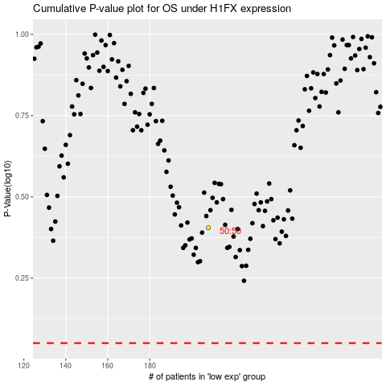

 |  |  |  |  |  | cases_OS | p_OS | rank | exp
 |  |  |  |  |  |  | cases_RFS | p_RFS | rank | exp

