H2AFV _multivariate
Reported by Tex Li-Hsing Chi. tex@gate.sinica.edu.tw 2019-08-19

Table 2. The clinicopathological features of HNSCC cohort and H2AFV expression. (Chi square test)
Cutoff at -0.224 (49.8%)
 |  | H2AFV expression |  | H2AFV expression |  | (Optimised)
 | Features | Low | (%) | High | (%) | Case no | P-value | Remark | Matthews
Gender | Female | 138 | 33.3 | 168 | 40.5 | 415 | 0.0016 | 1 | 0
2 | Male | 69 | 16.6 | 40 | 9.6
Age at diagnosis | <=65y | 132 | 31.8 | 142 | 34.2 | 415 | 0.3874 | 0 | 0
4 | >65y | 75 | 18.1 | 66 | 15.9
Clinical T Status | T1+T2 | 66 | 15.9 | 83 | 20 | 415 | 0.1095 | 0 | 0
6 | T3+T4 | 141 | 34 | 125 | 30.1
Clinical N Status | N0 | 116 | 28 | 100 | 24.1 | 415 | 0.1273 | 1 | 0
8 | N1-3 | 91 | 21.9 | 108 | 26
Clinical M Status | M0 | 206 | 49.6 | 206 | 49.6 | 415 | 1 | 0 | 0
10 | M1 | 1 | 0.2 | 2 | 0.5
Clinical Stage | Stage I+II | 53 | 12.8 | 49 | 11.8 | 415 | 0.7113 | 0 | 0
12 | Stage III+IV | 154 | 37.1 | 159 | 38.3
Surgical Margin status | Negative | 156 | 37.6 | 162 | 39 | 415 | 0.5636 | 0 | 0
14 | Positive | 51 | 12.3 | 46 | 11.1
Tobacco Exposure | Low | 90 | 21.7 | 71 | 17.1 | 415 | 0.0559 | 0 | 0
16 | High | 117 | 28.2 | 137 | 33

Table 3. Univariate/Multivariate Cox's proportional hazards regression analyses on OS time of H2AFV gene expression in HNSCC

 |  | Univariate |  |  |  | Multivariate
 | Features | HR | CI95%(L) | CI95%(H) | P-value | HR | CI95%(L) | CI95%(H) | P-value
1 | Female | 1 |  |  |  | 1
Gender | Male | 1.157 | 0.843 | 1.587 | 0.367 | 1.197 | 0.854 | 1.677 | 0.296
11 | <=65y | 1 |  |  |  | 1
Age at diagnosis | >65y | 1.329 | 0.99 | 1.784 | 0.058 | 1.391 | 1.024 | 1.892 | 0.035
12 | T1+T2 | 1 |  |  |  | 1
Clinical T Status | T3+T4 | 1.409 | 1.028 | 1.931 | 0.033 | 2.187 | 1.151 | 4.156 | 0.017
13 | N0 | 1 |  |  |  | 1
Clinical N Status | N1-3 | 1.185 | 0.89 | 1.577 | 0.246 | 1.241 | 0.87 | 1.77 | 0.234
14 | M0 | 1 |  |  |  | 1
Clinical M Status | M1 | 4.097 | 1.009 | 16.644 | 0.049 | 9.354 | 2.038 | 42.934 | 0.004
15 | Stage I+II | 1 |  |  |  | 1
Clinical Stage | Stage III+IV | 1.245 | 0.882 | 1.759 | 0.213 | 0.508 | 0.236 | 1.097 | 0.085
16 | Negative | 1 |  |  |  | 1
Surgical Margin status | Positive | 1.591 | 1.155 | 2.191 | 0.004 | 1.67 | 1.208 | 2.308 | 0.002
17 | Low | 1 |  |  |  | 1
Tobacco Exposure | High | 1.364 | 1.008 | 1.844 | 0.044 | 1.456 | 1.056 | 2.008 | 0.022
18 | Low | 1 |  |  |  | 1
RNAseq(z-score) | High | 0.922 | 0.692 | 1.229 | 0.58 | 0.974 | 0.725 | 1.309 | 0.863

Table 4. Univariate/Multivariate Cox's proportional hazards regression analyses on RFS time of H2AFV gene expression in HNSCC

 |  | Univariate |  |  |  | Multivariate
 | Features | HR | CI95%(L) | CI95%(H) | P-value | HR | CI95%(L) | CI95%(H) | P-value
1 | Female | 1 |  |  |  | 1
Gender | Male | 1.157 | 0.843 | 1.587 | 0.367 | 1.197 | 0.854 | 1.677 | 0.296
11 | <=65y | 1 |  |  |  | 1
Age at diagnosis | >65y | 1.329 | 0.99 | 1.784 | 0.058 | 1.391 | 1.024 | 1.892 | 0.035
12 | T1+T2 | 1 |  |  |  | 1
Clinical T Status | T3+T4 | 1.409 | 1.028 | 1.931 | 0.033 | 2.187 | 1.151 | 4.156 | 0.017
13 | N0 | 1 |  |  |  | 1
Clinical N Status | N1-3 | 1.185 | 0.89 | 1.577 | 0.246 | 1.241 | 0.87 | 1.77 | 0.234
14 | M0 | 1 |  |  |  | 1
Clinical M Status | M1 | 4.097 | 1.009 | 16.644 | 0.049 | 9.354 | 2.038 | 42.934 | 0.004
15 | Stage I+II | 1 |  |  |  | 1
Clinical Stage | Stage III+IV | 1.245 | 0.882 | 1.759 | 0.213 | 0.508 | 0.236 | 1.097 | 0.085
16 | Negative | 1 |  |  |  | 1
Surgical Margin status | Positive | 1.591 | 1.155 | 2.191 | 0.004 | 1.67 | 1.208 | 2.308 | 0.002
17 | Low | 1 |  |  |  | 1
Tobacco Exposure | High | 1.364 | 1.008 | 1.844 | 0.044 | 1.456 | 1.056 | 2.008 | 0.022
18 | Low | 1 |  |  |  | 1
RNAseq(z-score) | High | 0.922 | 0.692 | 1.229 | 0.58 | 0.974 | 0.725 | 1.309 | 0.863

Kaplan-Meier survival estimate: Cutoff at -0.224 (49.8%)



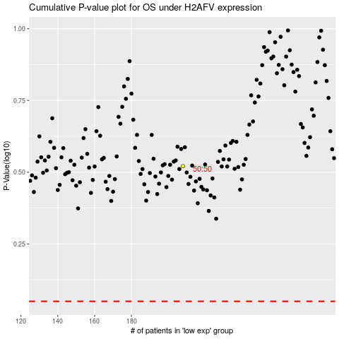

 |  |  |  |  |  | cases_OS | p_OS | rank | exp
 |  |  |  |  |  |  | cases_RFS | p_RFS | rank | exp

