H2AFX _multivariate
Reported by Tex Li-Hsing Chi. tex@gate.sinica.edu.tw 2019-08-19

Table 2. The clinicopathological features of HNSCC cohort and H2AFX expression. (Chi square test)
Cutoff at -0.15 (52.4%)
 |  | H2AFX expression |  | H2AFX expression |  | (Optimised)
 | Features | Low | (%) | High | (%) | Case no | P-value | Remark | Matthews
Gender | Female | 156 | 37.6 | 150 | 36.1 | 415 | 0.3433 | 0 | 0
2 | Male | 62 | 14.9 | 47 | 11.3
Age at diagnosis | <=65y | 144 | 34.7 | 130 | 31.3 | 415 | 1 | 0 | 0
4 | >65y | 74 | 17.8 | 67 | 16.1
Clinical T Status | T1+T2 | 80 | 19.3 | 69 | 16.6 | 415 | 0.801 | 0 | 0
6 | T3+T4 | 138 | 33.3 | 128 | 30.8
Clinical N Status | N0 | 112 | 27 | 104 | 25.1 | 415 | 0.8494 | 0 | 0
8 | N1-3 | 106 | 25.5 | 93 | 22.4
Clinical M Status | M0 | 217 | 52.3 | 195 | 47 | 415 | 0.606 | 0 | 0
10 | M1 | 1 | 0.2 | 2 | 0.5
Clinical Stage | Stage I+II | 56 | 13.5 | 46 | 11.1 | 415 | 0.6612 | 0 | 0
12 | Stage III+IV | 162 | 39 | 151 | 36.4
Surgical Margin status | Negative | 172 | 41.4 | 146 | 35.2 | 415 | 0.2959 | 0 | 0
14 | Positive | 46 | 11.1 | 51 | 12.3
Tobacco Exposure | Low | 96 | 23.1 | 65 | 15.7 | 415 | 0.0264 | 1 | 0
16 | High | 122 | 29.4 | 132 | 31.8

Table 3. Univariate/Multivariate Cox's proportional hazards regression analyses on OS time of H2AFX gene expression in HNSCC

 |  | Univariate |  |  |  | Multivariate
 | Features | HR | CI95%(L) | CI95%(H) | P-value | HR | CI95%(L) | CI95%(H) | P-value
1 | Female | 1 |  |  |  | 1
Gender | Male | 1.157 | 0.843 | 1.587 | 0.367 | 1.206 | 0.862 | 1.688 | 0.274
11 | <=65y | 1 |  |  |  | 1
Age at diagnosis | >65y | 1.329 | 0.99 | 1.784 | 0.058 | 1.373 | 1.01 | 1.867 | 0.043
12 | T1+T2 | 1 |  |  |  | 1
Clinical T Status | T3+T4 | 1.409 | 1.028 | 1.931 | 0.033 | 2.198 | 1.162 | 4.157 | 0.015
13 | N0 | 1 |  |  |  | 1
Clinical N Status | N1-3 | 1.185 | 0.89 | 1.577 | 0.246 | 1.228 | 0.861 | 1.751 | 0.258
14 | M0 | 1 |  |  |  | 1
Clinical M Status | M1 | 4.097 | 1.009 | 16.644 | 0.049 | 9.173 | 2.001 | 42.058 | 0.004
15 | Stage I+II | 1 |  |  |  | 1
Clinical Stage | Stage III+IV | 1.245 | 0.882 | 1.759 | 0.213 | 0.512 | 0.239 | 1.099 | 0.086
16 | Negative | 1 |  |  |  | 1
Surgical Margin status | Positive | 1.591 | 1.155 | 2.191 | 0.004 | 1.646 | 1.191 | 2.276 | 0.003
17 | Low | 1 |  |  |  | 1
Tobacco Exposure | High | 1.364 | 1.008 | 1.844 | 0.044 | 1.406 | 1.017 | 1.944 | 0.039
18 | Low | 1 |  |  |  | 1
RNAseq(z-score) | High | 1.337 | 1.003 | 1.782 | 0.048 | 1.245 | 0.931 | 1.667 | 0.14

Table 4. Univariate/Multivariate Cox's proportional hazards regression analyses on RFS time of H2AFX gene expression in HNSCC

 |  | Univariate |  |  |  | Multivariate
 | Features | HR | CI95%(L) | CI95%(H) | P-value | HR | CI95%(L) | CI95%(H) | P-value
1 | Female | 1 |  |  |  | 1
Gender | Male | 1.157 | 0.843 | 1.587 | 0.367 | 1.206 | 0.862 | 1.688 | 0.274
11 | <=65y | 1 |  |  |  | 1
Age at diagnosis | >65y | 1.329 | 0.99 | 1.784 | 0.058 | 1.373 | 1.01 | 1.867 | 0.043
12 | T1+T2 | 1 |  |  |  | 1
Clinical T Status | T3+T4 | 1.409 | 1.028 | 1.931 | 0.033 | 2.198 | 1.162 | 4.157 | 0.015
13 | N0 | 1 |  |  |  | 1
Clinical N Status | N1-3 | 1.185 | 0.89 | 1.577 | 0.246 | 1.228 | 0.861 | 1.751 | 0.258
14 | M0 | 1 |  |  |  | 1
Clinical M Status | M1 | 4.097 | 1.009 | 16.644 | 0.049 | 9.173 | 2.001 | 42.058 | 0.004
15 | Stage I+II | 1 |  |  |  | 1
Clinical Stage | Stage III+IV | 1.245 | 0.882 | 1.759 | 0.213 | 0.512 | 0.239 | 1.099 | 0.086
16 | Negative | 1 |  |  |  | 1
Surgical Margin status | Positive | 1.591 | 1.155 | 2.191 | 0.004 | 1.646 | 1.191 | 2.276 | 0.003
17 | Low | 1 |  |  |  | 1
Tobacco Exposure | High | 1.364 | 1.008 | 1.844 | 0.044 | 1.406 | 1.017 | 1.944 | 0.039
18 | Low | 1 |  |  |  | 1
RNAseq(z-score) | High | 1.337 | 1.003 | 1.782 | 0.048 | 1.245 | 0.931 | 1.667 | 0.14

Kaplan-Meier survival estimate: Cutoff at -0.15 (52.4%)



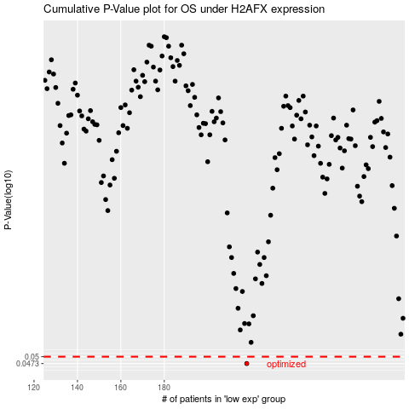

 |  |  |  |  |  | cases_OS | p_OS | rank | exp
 |  |  |  |  |  | 218 | 0.0473 | 239 | -0.14980666299
 |  |  |  |  |  |  | cases_RFS | p_RFS | rank | exp
 |  |  |  |  |  |  | 217 | 0.0473 | 110 | -0.15366688977

