H2AFY _multivariate
Reported by Tex Li-Hsing Chi. tex@gate.sinica.edu.tw 2019-08-19

Table 2. The clinicopathological features of HNSCC cohort and H2AFY expression. (Chi square test)
Cutoff at -0.137 (49.8%)
 |  | H2AFY expression |  | H2AFY expression |  | (Optimised)
 | Features | Low | (%) | High | (%) | Case no | P-value | Remark | Matthews
Gender | Female | 161 | 38.8 | 145 | 34.9 | 415 | 0.0792 | 0 | 0
2 | Male | 46 | 11.1 | 63 | 15.2
Age at diagnosis | <=65y | 137 | 33 | 137 | 33 | 415 | 1 | 0 | 0
4 | >65y | 70 | 16.9 | 71 | 17.1
Clinical T Status | T1+T2 | 66 | 15.9 | 83 | 20 | 415 | 0.1095 | 0 | 0
6 | T3+T4 | 141 | 34 | 125 | 30.1
Clinical N Status | N0 | 108 | 26 | 108 | 26 | 415 | 1 | 0 | 0
8 | N1-3 | 99 | 23.9 | 100 | 24.1
Clinical M Status | M0 | 207 | 49.9 | 205 | 49.4 | 415 | 0.2482 | 0 | 0
10 | M1 | 0 | 0 | 3 | 0.7
Clinical Stage | Stage I+II | 52 | 12.5 | 50 | 12 | 415 | 0.8871 | 0 | 0
12 | Stage III+IV | 155 | 37.3 | 158 | 38.1
Surgical Margin status | Negative | 167 | 40.2 | 151 | 36.4 | 415 | 0.0632 | 0 | 0
14 | Positive | 40 | 9.6 | 57 | 13.7
Tobacco Exposure | Low | 74 | 17.8 | 87 | 21 | 415 | 0.227 | 0 | 0
16 | High | 133 | 32 | 121 | 29.2

Table 3. Univariate/Multivariate Cox's proportional hazards regression analyses on OS time of H2AFY gene expression in HNSCC

 |  | Univariate |  |  |  | Multivariate
 | Features | HR | CI95%(L) | CI95%(H) | P-value | HR | CI95%(L) | CI95%(H) | P-value
1 | Female | 1 |  |  |  | 1
Gender | Male | 1.157 | 0.843 | 1.587 | 0.367 | 1.205 | 0.862 | 1.685 | 0.276
11 | <=65y | 1 |  |  |  | 1
Age at diagnosis | >65y | 1.329 | 0.99 | 1.784 | 0.058 | 1.389 | 1.022 | 1.889 | 0.036
12 | T1+T2 | 1 |  |  |  | 1
Clinical T Status | T3+T4 | 1.409 | 1.028 | 1.931 | 0.033 | 2.178 | 1.147 | 4.135 | 0.017
13 | N0 | 1 |  |  |  | 1
Clinical N Status | N1-3 | 1.185 | 0.89 | 1.577 | 0.246 | 1.237 | 0.866 | 1.766 | 0.243
14 | M0 | 1 |  |  |  | 1
Clinical M Status | M1 | 4.097 | 1.009 | 16.644 | 0.049 | 9.565 | 2.078 | 44.016 | 0.004
15 | Stage I+II | 1 |  |  |  | 1
Clinical Stage | Stage III+IV | 1.245 | 0.882 | 1.759 | 0.213 | 0.508 | 0.236 | 1.091 | 0.083
16 | Negative | 1 |  |  |  | 1
Surgical Margin status | Positive | 1.591 | 1.155 | 2.191 | 0.004 | 1.686 | 1.214 | 2.341 | 0.002
17 | Low | 1 |  |  |  | 1
Tobacco Exposure | High | 1.364 | 1.008 | 1.844 | 0.044 | 1.451 | 1.053 | 1.999 | 0.023
18 | Low | 1 |  |  |  | 1
RNAseq(z-score) | High | 0.95 | 0.713 | 1.265 | 0.726 | 0.955 | 0.709 | 1.286 | 0.762

Table 4. Univariate/Multivariate Cox's proportional hazards regression analyses on RFS time of H2AFY gene expression in HNSCC

 |  | Univariate |  |  |  | Multivariate
 | Features | HR | CI95%(L) | CI95%(H) | P-value | HR | CI95%(L) | CI95%(H) | P-value
1 | Female | 1 |  |  |  | 1
Gender | Male | 1.157 | 0.843 | 1.587 | 0.367 | 1.205 | 0.862 | 1.685 | 0.276
11 | <=65y | 1 |  |  |  | 1
Age at diagnosis | >65y | 1.329 | 0.99 | 1.784 | 0.058 | 1.389 | 1.022 | 1.889 | 0.036
12 | T1+T2 | 1 |  |  |  | 1
Clinical T Status | T3+T4 | 1.409 | 1.028 | 1.931 | 0.033 | 2.178 | 1.147 | 4.135 | 0.017
13 | N0 | 1 |  |  |  | 1
Clinical N Status | N1-3 | 1.185 | 0.89 | 1.577 | 0.246 | 1.237 | 0.866 | 1.766 | 0.243
14 | M0 | 1 |  |  |  | 1
Clinical M Status | M1 | 4.097 | 1.009 | 16.644 | 0.049 | 9.565 | 2.078 | 44.016 | 0.004
15 | Stage I+II | 1 |  |  |  | 1
Clinical Stage | Stage III+IV | 1.245 | 0.882 | 1.759 | 0.213 | 0.508 | 0.236 | 1.091 | 0.083
16 | Negative | 1 |  |  |  | 1
Surgical Margin status | Positive | 1.591 | 1.155 | 2.191 | 0.004 | 1.686 | 1.214 | 2.341 | 0.002
17 | Low | 1 |  |  |  | 1
Tobacco Exposure | High | 1.364 | 1.008 | 1.844 | 0.044 | 1.451 | 1.053 | 1.999 | 0.023
18 | Low | 1 |  |  |  | 1
RNAseq(z-score) | High | 0.95 | 0.713 | 1.265 | 0.726 | 0.955 | 0.709 | 1.286 | 0.762

Kaplan-Meier survival estimate: Cutoff at -0.137 (49.8%)



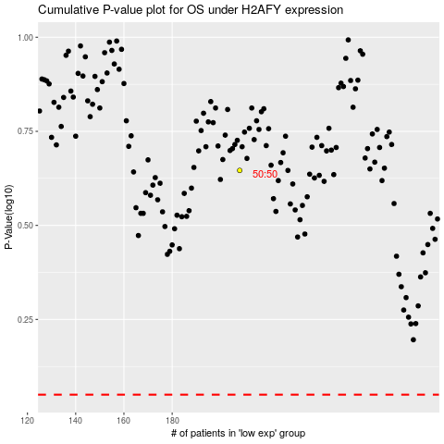

 |  |  |  |  |  | cases_OS | p_OS | rank | exp
 |  |  |  |  |  |  | cases_RFS | p_RFS | rank | exp

