H2AFY2 _multivariate
Reported by Tex Li-Hsing Chi. tex@gate.sinica.edu.tw 2019-08-19

Table 2. The clinicopathological features of HNSCC cohort and H2AFY2 expression. (Chi square test)
Cutoff at -0.124 (49.8%)
 |  | H2AFY2 expression |  | H2AFY2 expression |  | (Optimised)
 | Features | Low | (%) | High | (%) | Case no | P-value | Remark | Matthews
Gender | Female | 149 | 35.9 | 157 | 37.8 | 415 | 0.4848 | 0 | 0
2 | Male | 58 | 14 | 51 | 12.3
Age at diagnosis | <=65y | 130 | 31.3 | 144 | 34.7 | 415 | 0.2009 | 0 | 0
4 | >65y | 77 | 18.6 | 64 | 15.4
Clinical T Status | T1+T2 | 80 | 19.3 | 69 | 16.6 | 415 | 0.2891 | 0 | 0
6 | T3+T4 | 127 | 30.6 | 139 | 33.5
Clinical N Status | N0 | 116 | 28 | 100 | 24.1 | 415 | 0.1273 | 1 | 0
8 | N1-3 | 91 | 21.9 | 108 | 26
Clinical M Status | M0 | 204 | 49.2 | 208 | 50.1 | 415 | 0.1232 | 0 | 0
10 | M1 | 3 | 0.7 | 0 | 0
Clinical Stage | Stage I+II | 57 | 13.7 | 45 | 10.8 | 415 | 0.1998 | 0 | 0
12 | Stage III+IV | 150 | 36.1 | 163 | 39.3
Surgical Margin status | Negative | 165 | 39.8 | 153 | 36.9 | 415 | 0.1639 | 0 | 0
14 | Positive | 42 | 10.1 | 55 | 13.3
Tobacco Exposure | Low | 95 | 22.9 | 66 | 15.9 | 415 | 0.0035 | 1 | 0
16 | High | 112 | 27 | 142 | 34.2

Table 3. Univariate/Multivariate Cox's proportional hazards regression analyses on OS time of H2AFY2 gene expression in HNSCC

 |  | Univariate |  |  |  | Multivariate
 | Features | HR | CI95%(L) | CI95%(H) | P-value | HR | CI95%(L) | CI95%(H) | P-value
1 | Female | 1 |  |  |  | 1
Gender | Male | 1.157 | 0.843 | 1.587 | 0.367 | 1.212 | 0.867 | 1.694 | 0.261
11 | <=65y | 1 |  |  |  | 1
Age at diagnosis | >65y | 1.329 | 0.99 | 1.784 | 0.058 | 1.386 | 1.019 | 1.884 | 0.037
12 | T1+T2 | 1 |  |  |  | 1
Clinical T Status | T3+T4 | 1.409 | 1.028 | 1.931 | 0.033 | 2.192 | 1.159 | 4.145 | 0.016
13 | N0 | 1 |  |  |  | 1
Clinical N Status | N1-3 | 1.185 | 0.89 | 1.577 | 0.246 | 1.235 | 0.866 | 1.764 | 0.244
14 | M0 | 1 |  |  |  | 1
Clinical M Status | M1 | 4.097 | 1.009 | 16.644 | 0.049 | 9.976 | 2.158 | 46.122 | 0.003
15 | Stage I+II | 1 |  |  |  | 1
Clinical Stage | Stage III+IV | 1.245 | 0.882 | 1.759 | 0.213 | 0.503 | 0.234 | 1.08 | 0.078
16 | Negative | 1 |  |  |  | 1
Surgical Margin status | Positive | 1.591 | 1.155 | 2.191 | 0.004 | 1.663 | 1.203 | 2.299 | 0.002
17 | Low | 1 |  |  |  | 1
Tobacco Exposure | High | 1.364 | 1.008 | 1.844 | 0.044 | 1.421 | 1.026 | 1.966 | 0.034
18 | Low | 1 |  |  |  | 1
RNAseq(z-score) | High | 1.197 | 0.896 | 1.599 | 0.223 | 1.12 | 0.829 | 1.512 | 0.461

Table 4. Univariate/Multivariate Cox's proportional hazards regression analyses on RFS time of H2AFY2 gene expression in HNSCC

 |  | Univariate |  |  |  | Multivariate
 | Features | HR | CI95%(L) | CI95%(H) | P-value | HR | CI95%(L) | CI95%(H) | P-value
1 | Female | 1 |  |  |  | 1
Gender | Male | 1.157 | 0.843 | 1.587 | 0.367 | 1.212 | 0.867 | 1.694 | 0.261
11 | <=65y | 1 |  |  |  | 1
Age at diagnosis | >65y | 1.329 | 0.99 | 1.784 | 0.058 | 1.386 | 1.019 | 1.884 | 0.037
12 | T1+T2 | 1 |  |  |  | 1
Clinical T Status | T3+T4 | 1.409 | 1.028 | 1.931 | 0.033 | 2.192 | 1.159 | 4.145 | 0.016
13 | N0 | 1 |  |  |  | 1
Clinical N Status | N1-3 | 1.185 | 0.89 | 1.577 | 0.246 | 1.235 | 0.866 | 1.764 | 0.244
14 | M0 | 1 |  |  |  | 1
Clinical M Status | M1 | 4.097 | 1.009 | 16.644 | 0.049 | 9.976 | 2.158 | 46.122 | 0.003
15 | Stage I+II | 1 |  |  |  | 1
Clinical Stage | Stage III+IV | 1.245 | 0.882 | 1.759 | 0.213 | 0.503 | 0.234 | 1.08 | 0.078
16 | Negative | 1 |  |  |  | 1
Surgical Margin status | Positive | 1.591 | 1.155 | 2.191 | 0.004 | 1.663 | 1.203 | 2.299 | 0.002
17 | Low | 1 |  |  |  | 1
Tobacco Exposure | High | 1.364 | 1.008 | 1.844 | 0.044 | 1.421 | 1.026 | 1.966 | 0.034
18 | Low | 1 |  |  |  | 1
RNAseq(z-score) | High | 1.197 | 0.896 | 1.599 | 0.223 | 1.12 | 0.829 | 1.512 | 0.461

Kaplan-Meier survival estimate: Cutoff at -0.124 (49.8%)

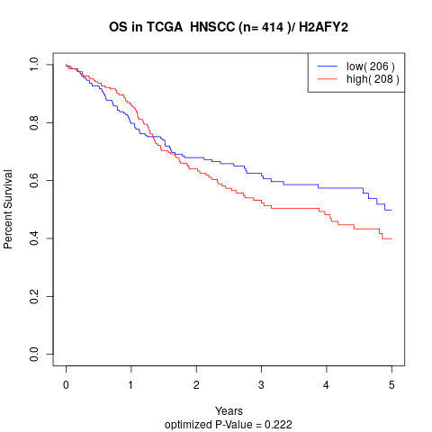

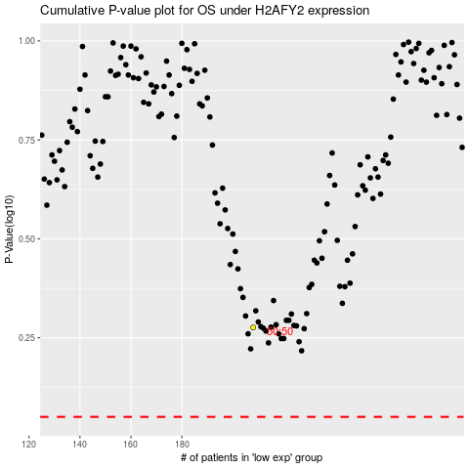

 |  |  |  |  |  | cases_OS | p_OS | rank | exp
 |  |  |  |  |  |  | cases_RFS | p_RFS | rank | exp

