H3F3A _multivariate
Reported by Tex Li-Hsing Chi. tex@gate.sinica.edu.tw 2019-08-19

Table 2. The clinicopathological features of HNSCC cohort and H3F3A expression. (Chi square test)
Cutoff at -0.356 (50.0%)
 |  | H3F3A expression |  | H3F3A expression |  | (Optimised)
 | Features | Low | (%) | High | (%) | Case no | P-value | Remark | Matthews
Gender | Female | 151 | 36.4 | 155 | 37.3 | 415 | 0.8007 | 0 | 0
2 | Male | 56 | 13.5 | 53 | 12.8
Age at diagnosis | <=65y | 135 | 32.5 | 139 | 33.5 | 415 | 0.8084 | 0 | 0
4 | >65y | 72 | 17.3 | 69 | 16.6
Clinical T Status | T1+T2 | 71 | 17.1 | 78 | 18.8 | 415 | 0.5638 | 0 | 0
6 | T3+T4 | 136 | 32.8 | 130 | 31.3
Clinical N Status | N0 | 100 | 24.1 | 116 | 28 | 415 | 0.1548 | 0 | 0
8 | N1-3 | 107 | 25.8 | 92 | 22.2
Clinical M Status | M0 | 205 | 49.4 | 207 | 49.9 | 415 | 0.6232 | 0 | 0
10 | M1 | 2 | 0.5 | 1 | 0.2
Clinical Stage | Stage I+II | 49 | 11.8 | 53 | 12.8 | 415 | 0.7535 | 0 | 0
12 | Stage III+IV | 158 | 38.1 | 155 | 37.3
Surgical Margin status | Negative | 166 | 40 | 152 | 36.6 | 415 | 0.1042 | 0 | 0
14 | Positive | 41 | 9.9 | 56 | 13.5
Tobacco Exposure | Low | 77 | 18.6 | 84 | 20.2 | 415 | 0.5459 | 0 | 0
16 | High | 130 | 31.3 | 124 | 29.9

Table 3. Univariate/Multivariate Cox's proportional hazards regression analyses on OS time of H3F3A gene expression in HNSCC

 |  | Univariate |  |  |  | Multivariate
 | Features | HR | CI95%(L) | CI95%(H) | P-value | HR | CI95%(L) | CI95%(H) | P-value
1 | Female | 1 |  |  |  | 1
Gender | Male | 1.157 | 0.843 | 1.587 | 0.367 | 1.234 | 0.881 | 1.73 | 0.221
11 | <=65y | 1 |  |  |  | 1
Age at diagnosis | >65y | 1.329 | 0.99 | 1.784 | 0.058 | 1.364 | 1.001 | 1.859 | 0.049
12 | T1+T2 | 1 |  |  |  | 1
Clinical T Status | T3+T4 | 1.409 | 1.028 | 1.931 | 0.033 | 2.181 | 1.154 | 4.123 | 0.016
13 | N0 | 1 |  |  |  | 1
Clinical N Status | N1-3 | 1.185 | 0.89 | 1.577 | 0.246 | 1.222 | 0.855 | 1.745 | 0.271
14 | M0 | 1 |  |  |  | 1
Clinical M Status | M1 | 4.097 | 1.009 | 16.644 | 0.049 | 9.301 | 2.029 | 42.642 | 0.004
15 | Stage I+II | 1 |  |  |  | 1
Clinical Stage | Stage III+IV | 1.245 | 0.882 | 1.759 | 0.213 | 0.516 | 0.24 | 1.108 | 0.09
16 | Negative | 1 |  |  |  | 1
Surgical Margin status | Positive | 1.591 | 1.155 | 2.191 | 0.004 | 1.727 | 1.245 | 2.395 | 0.001
17 | Low | 1 |  |  |  | 1
Tobacco Exposure | High | 1.364 | 1.008 | 1.844 | 0.044 | 1.465 | 1.062 | 2.023 | 0.02
18 | Low | 1 |  |  |  | 1
RNAseq(z-score) | High | 0.863 | 0.648 | 1.15 | 0.315 | 0.829 | 0.617 | 1.114 | 0.214

Table 4. Univariate/Multivariate Cox's proportional hazards regression analyses on RFS time of H3F3A gene expression in HNSCC

 |  | Univariate |  |  |  | Multivariate
 | Features | HR | CI95%(L) | CI95%(H) | P-value | HR | CI95%(L) | CI95%(H) | P-value
1 | Female | 1 |  |  |  | 1
Gender | Male | 1.157 | 0.843 | 1.587 | 0.367 | 1.234 | 0.881 | 1.73 | 0.221
11 | <=65y | 1 |  |  |  | 1
Age at diagnosis | >65y | 1.329 | 0.99 | 1.784 | 0.058 | 1.364 | 1.001 | 1.859 | 0.049
12 | T1+T2 | 1 |  |  |  | 1
Clinical T Status | T3+T4 | 1.409 | 1.028 | 1.931 | 0.033 | 2.181 | 1.154 | 4.123 | 0.016
13 | N0 | 1 |  |  |  | 1
Clinical N Status | N1-3 | 1.185 | 0.89 | 1.577 | 0.246 | 1.222 | 0.855 | 1.745 | 0.271
14 | M0 | 1 |  |  |  | 1
Clinical M Status | M1 | 4.097 | 1.009 | 16.644 | 0.049 | 9.301 | 2.029 | 42.642 | 0.004
15 | Stage I+II | 1 |  |  |  | 1
Clinical Stage | Stage III+IV | 1.245 | 0.882 | 1.759 | 0.213 | 0.516 | 0.24 | 1.108 | 0.09
16 | Negative | 1 |  |  |  | 1
Surgical Margin status | Positive | 1.591 | 1.155 | 2.191 | 0.004 | 1.727 | 1.245 | 2.395 | 0.001
17 | Low | 1 |  |  |  | 1
Tobacco Exposure | High | 1.364 | 1.008 | 1.844 | 0.044 | 1.465 | 1.062 | 2.023 | 0.02
18 | Low | 1 |  |  |  | 1
RNAseq(z-score) | High | 0.863 | 0.648 | 1.15 | 0.315 | 0.829 | 0.617 | 1.114 | 0.214

Kaplan-Meier survival estimate: Cutoff at -0.356 (50.0%)



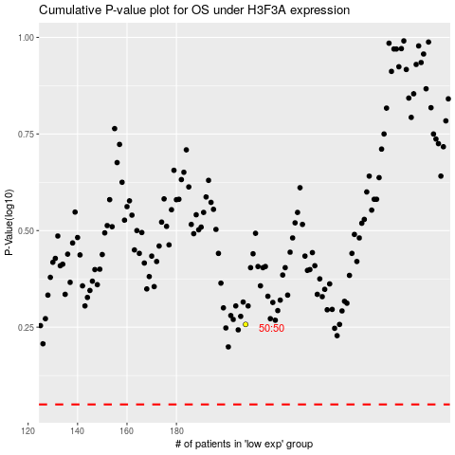

 |  |  |  |  |  | cases_OS | p_OS | rank | exp
 |  |  |  |  |  |  | cases_RFS | p_RFS | rank | exp

