H3F3C _multivariate
Reported by Tex Li-Hsing Chi. tex@gate.sinica.edu.tw 2019-08-19

Table 2. The clinicopathological features of HNSCC cohort and H3F3C expression. (Chi square test)
Cutoff at -0.141 (50.0%)
 |  | H3F3C expression |  | H3F3C expression |  | (Optimised)
 | Features | Low | (%) | High | (%) | Case no | P-value | Remark | Matthews
Gender | Female | 154 | 37.1 | 152 | 36.6 | 415 | 0.8463 | 0 | 0
2 | Male | 53 | 12.8 | 56 | 13.5
Age at diagnosis | <=65y | 134 | 32.3 | 140 | 33.7 | 415 | 0.6529 | 0 | 0
4 | >65y | 73 | 17.6 | 68 | 16.4
Clinical T Status | T1+T2 | 87 | 21 | 62 | 14.9 | 415 | 0.0127 | 1 | 0
6 | T3+T4 | 120 | 28.9 | 146 | 35.2
Clinical N Status | N0 | 115 | 27.7 | 101 | 24.3 | 415 | 0.184 | 1 | 0
8 | N1-3 | 92 | 22.2 | 107 | 25.8
Clinical M Status | M0 | 206 | 49.6 | 206 | 49.6 | 415 | 1 | 0 | 0
10 | M1 | 1 | 0.2 | 2 | 0.5
Clinical Stage | Stage I+II | 61 | 14.7 | 41 | 9.9 | 415 | 0.0282 | 1 | 0
12 | Stage III+IV | 146 | 35.2 | 167 | 40.2
Surgical Margin status | Negative | 157 | 37.8 | 161 | 38.8 | 415 | 0.729 | 0 | 0
14 | Positive | 50 | 12 | 47 | 11.3
Tobacco Exposure | Low | 85 | 20.5 | 76 | 18.3 | 415 | 0.3655 | 0 | 0
16 | High | 122 | 29.4 | 132 | 31.8

Table 3. Univariate/Multivariate Cox's proportional hazards regression analyses on OS time of H3F3C gene expression in HNSCC

 |  | Univariate |  |  |  | Multivariate
 | Features | HR | CI95%(L) | CI95%(H) | P-value | HR | CI95%(L) | CI95%(H) | P-value
1 | Female | 1 |  |  |  | 1
Gender | Male | 1.157 | 0.843 | 1.587 | 0.367 | 1.201 | 0.86 | 1.677 | 0.283
11 | <=65y | 1 |  |  |  | 1
Age at diagnosis | >65y | 1.329 | 0.99 | 1.784 | 0.058 | 1.4 | 1.028 | 1.905 | 0.032
12 | T1+T2 | 1 |  |  |  | 1
Clinical T Status | T3+T4 | 1.409 | 1.028 | 1.931 | 0.033 | 2.183 | 1.153 | 4.133 | 0.017
13 | N0 | 1 |  |  |  | 1
Clinical N Status | N1-3 | 1.185 | 0.89 | 1.577 | 0.246 | 1.238 | 0.868 | 1.766 | 0.239
14 | M0 | 1 |  |  |  | 1
Clinical M Status | M1 | 4.097 | 1.009 | 16.644 | 0.049 | 9.187 | 1.996 | 42.272 | 0.004
15 | Stage I+II | 1 |  |  |  | 1
Clinical Stage | Stage III+IV | 1.245 | 0.882 | 1.759 | 0.213 | 0.506 | 0.236 | 1.086 | 0.08
16 | Negative | 1 |  |  |  | 1
Surgical Margin status | Positive | 1.591 | 1.155 | 2.191 | 0.004 | 1.669 | 1.207 | 2.306 | 0.002
17 | Low | 1 |  |  |  | 1
Tobacco Exposure | High | 1.364 | 1.008 | 1.844 | 0.044 | 1.452 | 1.054 | 2.001 | 0.023
18 | Low | 1 |  |  |  | 1
RNAseq(z-score) | High | 1.112 | 0.835 | 1.482 | 0.466 | 1.066 | 0.797 | 1.425 | 0.668

Table 4. Univariate/Multivariate Cox's proportional hazards regression analyses on RFS time of H3F3C gene expression in HNSCC

 |  | Univariate |  |  |  | Multivariate
 | Features | HR | CI95%(L) | CI95%(H) | P-value | HR | CI95%(L) | CI95%(H) | P-value
1 | Female | 1 |  |  |  | 1
Gender | Male | 1.157 | 0.843 | 1.587 | 0.367 | 1.201 | 0.86 | 1.677 | 0.283
11 | <=65y | 1 |  |  |  | 1
Age at diagnosis | >65y | 1.329 | 0.99 | 1.784 | 0.058 | 1.4 | 1.028 | 1.905 | 0.032
12 | T1+T2 | 1 |  |  |  | 1
Clinical T Status | T3+T4 | 1.409 | 1.028 | 1.931 | 0.033 | 2.183 | 1.153 | 4.133 | 0.017
13 | N0 | 1 |  |  |  | 1
Clinical N Status | N1-3 | 1.185 | 0.89 | 1.577 | 0.246 | 1.238 | 0.868 | 1.766 | 0.239
14 | M0 | 1 |  |  |  | 1
Clinical M Status | M1 | 4.097 | 1.009 | 16.644 | 0.049 | 9.187 | 1.996 | 42.272 | 0.004
15 | Stage I+II | 1 |  |  |  | 1
Clinical Stage | Stage III+IV | 1.245 | 0.882 | 1.759 | 0.213 | 0.506 | 0.236 | 1.086 | 0.08
16 | Negative | 1 |  |  |  | 1
Surgical Margin status | Positive | 1.591 | 1.155 | 2.191 | 0.004 | 1.669 | 1.207 | 2.306 | 0.002
17 | Low | 1 |  |  |  | 1
Tobacco Exposure | High | 1.364 | 1.008 | 1.844 | 0.044 | 1.452 | 1.054 | 2.001 | 0.023
18 | Low | 1 |  |  |  | 1
RNAseq(z-score) | High | 1.112 | 0.835 | 1.482 | 0.466 | 1.066 | 0.797 | 1.425 | 0.668

Kaplan-Meier survival estimate: Cutoff at -0.141 (50.0%)



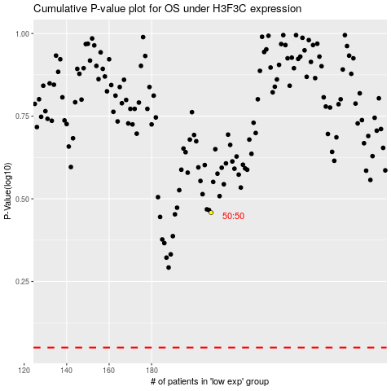

 |  |  |  |  |  | cases_OS | p_OS | rank | exp
 |  |  |  |  |  |  | cases_RFS | p_RFS | rank | exp

