HABP2 _multivariate
Reported by Tex Li-Hsing Chi. tex@gate.sinica.edu.tw 2019-08-19

Table 2. The clinicopathological features of HNSCC cohort and HABP2 expression. (Chi square test)
Cutoff at -0.3 (50.0%)
 |  | HABP2 expression |  | HABP2 expression |  | (Optimised)
 | Features | Low | (%) | High | (%) | Case no | P-value | Remark | Matthews
Gender | Female | 160 | 38.6 | 146 | 35.2 | 415 | 0.1254 | 0 | 0
2 | Male | 47 | 11.3 | 62 | 14.9
Age at diagnosis | <=65y | 130 | 31.3 | 144 | 34.7 | 415 | 0.2009 | 0 | 0
4 | >65y | 77 | 18.6 | 64 | 15.4
Clinical T Status | T1+T2 | 58 | 14 | 91 | 21.9 | 415 | 0.0012 | 1 | 0
6 | T3+T4 | 149 | 35.9 | 117 | 28.2
Clinical N Status | N0 | 99 | 23.9 | 117 | 28.2 | 415 | 0.1054 | 0 | 0
8 | N1-3 | 108 | 26 | 91 | 21.9
Clinical M Status | M0 | 206 | 49.6 | 206 | 49.6 | 415 | 1 | 0 | 0
10 | M1 | 1 | 0.2 | 2 | 0.5
Clinical Stage | Stage I+II | 34 | 8.2 | 68 | 16.4 | 415 | 2e-04 | 1 | 0
12 | Stage III+IV | 173 | 41.7 | 140 | 33.7
Surgical Margin status | Negative | 162 | 39 | 156 | 37.6 | 415 | 0.4867 | 0 | 0
14 | Positive | 45 | 10.8 | 52 | 12.5
Tobacco Exposure | Low | 72 | 17.3 | 89 | 21.4 | 415 | 0.1071 | 0 | 0
16 | High | 135 | 32.5 | 119 | 28.7

Table 3. Univariate/Multivariate Cox's proportional hazards regression analyses on OS time of HABP2 gene expression in HNSCC

 |  | Univariate |  |  |  | Multivariate
 | Features | HR | CI95%(L) | CI95%(H) | P-value | HR | CI95%(L) | CI95%(H) | P-value
1 | Female | 1 |  |  |  | 1
Gender | Male | 1.157 | 0.843 | 1.587 | 0.367 | 1.213 | 0.867 | 1.697 | 0.261
11 | <=65y | 1 |  |  |  | 1
Age at diagnosis | >65y | 1.329 | 0.99 | 1.784 | 0.058 | 1.365 | 1.001 | 1.861 | 0.049
12 | T1+T2 | 1 |  |  |  | 1
Clinical T Status | T3+T4 | 1.409 | 1.028 | 1.931 | 0.033 | 2.226 | 1.177 | 4.21 | 0.014
13 | N0 | 1 |  |  |  | 1
Clinical N Status | N1-3 | 1.185 | 0.89 | 1.577 | 0.246 | 1.243 | 0.871 | 1.774 | 0.23
14 | M0 | 1 |  |  |  | 1
Clinical M Status | M1 | 4.097 | 1.009 | 16.644 | 0.049 | 9.961 | 2.161 | 45.91 | 0.003
15 | Stage I+II | 1 |  |  |  | 1
Clinical Stage | Stage III+IV | 1.245 | 0.882 | 1.759 | 0.213 | 0.485 | 0.225 | 1.046 | 0.065
16 | Negative | 1 |  |  |  | 1
Surgical Margin status | Positive | 1.591 | 1.155 | 2.191 | 0.004 | 1.687 | 1.22 | 2.332 | 0.002
17 | Low | 1 |  |  |  | 1
Tobacco Exposure | High | 1.364 | 1.008 | 1.844 | 0.044 | 1.445 | 1.048 | 1.993 | 0.025
18 | Low | 1 |  |  |  | 1
RNAseq(z-score) | High | 0.859 | 0.645 | 1.145 | 0.301 | 0.874 | 0.65 | 1.177 | 0.376

Table 4. Univariate/Multivariate Cox's proportional hazards regression analyses on RFS time of HABP2 gene expression in HNSCC

 |  | Univariate |  |  |  | Multivariate
 | Features | HR | CI95%(L) | CI95%(H) | P-value | HR | CI95%(L) | CI95%(H) | P-value
1 | Female | 1 |  |  |  | 1
Gender | Male | 1.157 | 0.843 | 1.587 | 0.367 | 1.213 | 0.867 | 1.697 | 0.261
11 | <=65y | 1 |  |  |  | 1
Age at diagnosis | >65y | 1.329 | 0.99 | 1.784 | 0.058 | 1.365 | 1.001 | 1.861 | 0.049
12 | T1+T2 | 1 |  |  |  | 1
Clinical T Status | T3+T4 | 1.409 | 1.028 | 1.931 | 0.033 | 2.226 | 1.177 | 4.21 | 0.014
13 | N0 | 1 |  |  |  | 1
Clinical N Status | N1-3 | 1.185 | 0.89 | 1.577 | 0.246 | 1.243 | 0.871 | 1.774 | 0.23
14 | M0 | 1 |  |  |  | 1
Clinical M Status | M1 | 4.097 | 1.009 | 16.644 | 0.049 | 9.961 | 2.161 | 45.91 | 0.003
15 | Stage I+II | 1 |  |  |  | 1
Clinical Stage | Stage III+IV | 1.245 | 0.882 | 1.759 | 0.213 | 0.485 | 0.225 | 1.046 | 0.065
16 | Negative | 1 |  |  |  | 1
Surgical Margin status | Positive | 1.591 | 1.155 | 2.191 | 0.004 | 1.687 | 1.22 | 2.332 | 0.002
17 | Low | 1 |  |  |  | 1
Tobacco Exposure | High | 1.364 | 1.008 | 1.844 | 0.044 | 1.445 | 1.048 | 1.993 | 0.025
18 | Low | 1 |  |  |  | 1
RNAseq(z-score) | High | 0.859 | 0.645 | 1.145 | 0.301 | 0.874 | 0.65 | 1.177 | 0.376

Kaplan-Meier survival estimate: Cutoff at -0.3 (50.0%)



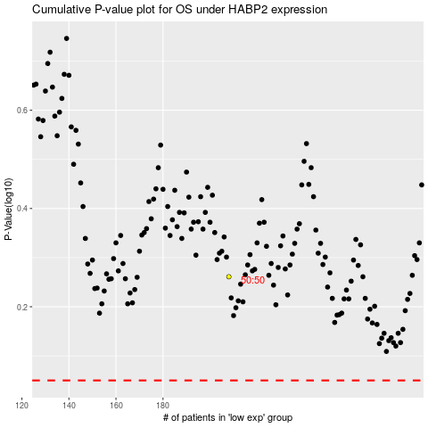

 |  |  |  |  |  | cases_OS | p_OS | rank | exp
 |  |  |  |  |  |  | cases_RFS | p_RFS | rank | exp

