HAGH _multivariate
Reported by Tex Li-Hsing Chi. tex@gate.sinica.edu.tw 2019-08-19

Table 2. The clinicopathological features of HNSCC cohort and HAGH expression. (Chi square test)
Cutoff at -0.307 (50.0%)
 |  | HAGH expression |  | HAGH expression |  | (Optimised)
 | Features | Low | (%) | High | (%) | Case no | P-value | Remark | Matthews
Gender | Female | 149 | 35.9 | 157 | 37.8 | 415 | 0.4848 | 0 | 0
2 | Male | 58 | 14 | 51 | 12.3
Age at diagnosis | <=65y | 127 | 30.6 | 147 | 35.4 | 415 | 0.0573 | 0 | 0
4 | >65y | 80 | 19.3 | 61 | 14.7
Clinical T Status | T1+T2 | 68 | 16.4 | 81 | 19.5 | 415 | 0.2336 | 0 | 0
6 | T3+T4 | 139 | 33.5 | 127 | 30.6
Clinical N Status | N0 | 107 | 25.8 | 109 | 26.3 | 415 | 0.9624 | 0 | 0
8 | N1-3 | 100 | 24.1 | 99 | 23.9
Clinical M Status | M0 | 206 | 49.6 | 206 | 49.6 | 415 | 1 | 0 | 0
10 | M1 | 1 | 0.2 | 2 | 0.5
Clinical Stage | Stage I+II | 51 | 12.3 | 51 | 12.3 | 415 | 1 | 0 | 0
12 | Stage III+IV | 156 | 37.6 | 157 | 37.8
Surgical Margin status | Negative | 167 | 40.2 | 151 | 36.4 | 415 | 0.0632 | 0 | 0
14 | Positive | 40 | 9.6 | 57 | 13.7
Tobacco Exposure | Low | 75 | 18.1 | 86 | 20.7 | 415 | 0.3141 | 0 | 0
16 | High | 132 | 31.8 | 122 | 29.4

Table 3. Univariate/Multivariate Cox's proportional hazards regression analyses on OS time of HAGH gene expression in HNSCC

 |  | Univariate |  |  |  | Multivariate
 | Features | HR | CI95%(L) | CI95%(H) | P-value | HR | CI95%(L) | CI95%(H) | P-value
1 | Female | 1 |  |  |  | 1
Gender | Male | 1.157 | 0.843 | 1.587 | 0.367 | 1.196 | 0.855 | 1.673 | 0.296
11 | <=65y | 1 |  |  |  | 1
Age at diagnosis | >65y | 1.329 | 0.99 | 1.784 | 0.058 | 1.377 | 1.009 | 1.88 | 0.043
12 | T1+T2 | 1 |  |  |  | 1
Clinical T Status | T3+T4 | 1.409 | 1.028 | 1.931 | 0.033 | 2.174 | 1.146 | 4.122 | 0.017
13 | N0 | 1 |  |  |  | 1
Clinical N Status | N1-3 | 1.185 | 0.89 | 1.577 | 0.246 | 1.232 | 0.862 | 1.761 | 0.251
14 | M0 | 1 |  |  |  | 1
Clinical M Status | M1 | 4.097 | 1.009 | 16.644 | 0.049 | 9.49 | 2.069 | 43.522 | 0.004
15 | Stage I+II | 1 |  |  |  | 1
Clinical Stage | Stage III+IV | 1.245 | 0.882 | 1.759 | 0.213 | 0.511 | 0.237 | 1.099 | 0.086
16 | Negative | 1 |  |  |  | 1
Surgical Margin status | Positive | 1.591 | 1.155 | 2.191 | 0.004 | 1.686 | 1.217 | 2.336 | 0.002
17 | Low | 1 |  |  |  | 1
Tobacco Exposure | High | 1.364 | 1.008 | 1.844 | 0.044 | 1.453 | 1.054 | 2.003 | 0.023
18 | Low | 1 |  |  |  | 1
RNAseq(z-score) | High | 0.89 | 0.668 | 1.186 | 0.425 | 0.939 | 0.698 | 1.264 | 0.678

Table 4. Univariate/Multivariate Cox's proportional hazards regression analyses on RFS time of HAGH gene expression in HNSCC

 |  | Univariate |  |  |  | Multivariate
 | Features | HR | CI95%(L) | CI95%(H) | P-value | HR | CI95%(L) | CI95%(H) | P-value
1 | Female | 1 |  |  |  | 1
Gender | Male | 1.157 | 0.843 | 1.587 | 0.367 | 1.196 | 0.855 | 1.673 | 0.296
11 | <=65y | 1 |  |  |  | 1
Age at diagnosis | >65y | 1.329 | 0.99 | 1.784 | 0.058 | 1.377 | 1.009 | 1.88 | 0.043
12 | T1+T2 | 1 |  |  |  | 1
Clinical T Status | T3+T4 | 1.409 | 1.028 | 1.931 | 0.033 | 2.174 | 1.146 | 4.122 | 0.017
13 | N0 | 1 |  |  |  | 1
Clinical N Status | N1-3 | 1.185 | 0.89 | 1.577 | 0.246 | 1.232 | 0.862 | 1.761 | 0.251
14 | M0 | 1 |  |  |  | 1
Clinical M Status | M1 | 4.097 | 1.009 | 16.644 | 0.049 | 9.49 | 2.069 | 43.522 | 0.004
15 | Stage I+II | 1 |  |  |  | 1
Clinical Stage | Stage III+IV | 1.245 | 0.882 | 1.759 | 0.213 | 0.511 | 0.237 | 1.099 | 0.086
16 | Negative | 1 |  |  |  | 1
Surgical Margin status | Positive | 1.591 | 1.155 | 2.191 | 0.004 | 1.686 | 1.217 | 2.336 | 0.002
17 | Low | 1 |  |  |  | 1
Tobacco Exposure | High | 1.364 | 1.008 | 1.844 | 0.044 | 1.453 | 1.054 | 2.003 | 0.023
18 | Low | 1 |  |  |  | 1
RNAseq(z-score) | High | 0.89 | 0.668 | 1.186 | 0.425 | 0.939 | 0.698 | 1.264 | 0.678

Kaplan-Meier survival estimate: Cutoff at -0.307 (50.0%)



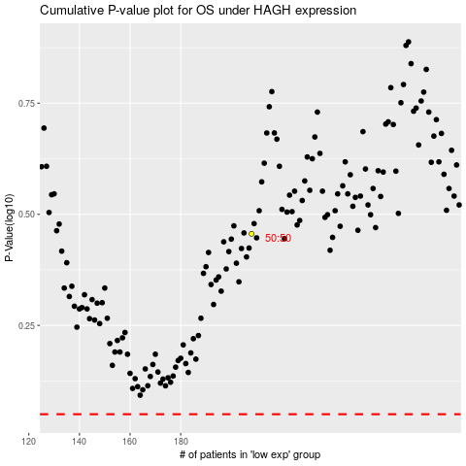

 |  |  |  |  |  | cases_OS | p_OS | rank | exp
 |  |  |  |  |  |  | cases_RFS | p_RFS | rank | exp

